1. Introduction
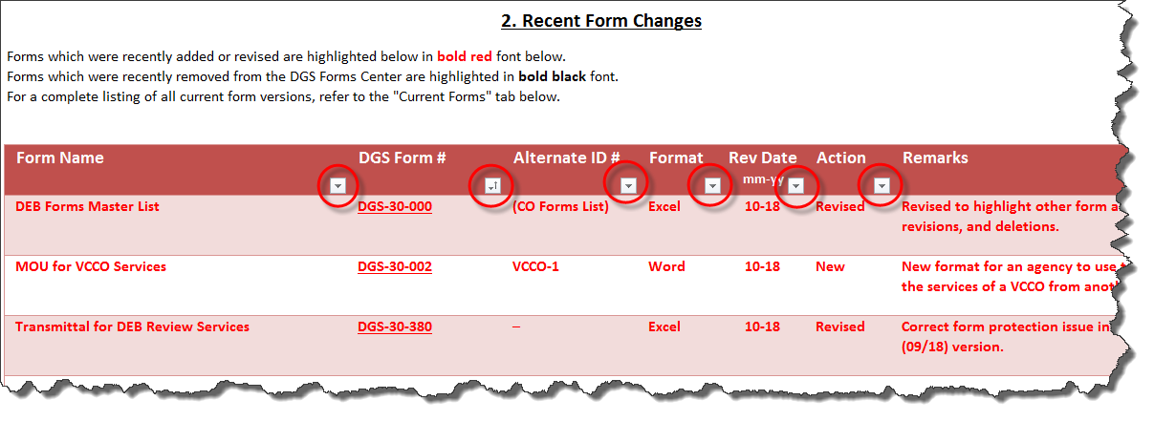
DGS-30-000
(Rev. 09/20)
DEB Forms Master List
1. Introduction
Access the desired form information by clicking on the blue hyperlinks or the associated worksheet tabs.
Tab 2. Recent DEB Form Changes: | Provides a listing of recently added, revised, and removed/deleted forms.

Tab 3. DEB Forms on Forms Center: | Provides a listing of the latest version of all current DEB forms avaialble from the DGS Forms Center.

Tab 4. DEB Forms not on Forms Center: | Provides a listing of forms that are not available for download from the DGS Forms Center.

Tab 5. Forms Center Instructions: | Provides detailed instructions for accessing and using the new DGS Forms Center.

Note: The form listings in this worksheet are sorted by the DGS Form # column by default, however, they may be sorted on
any other column by clicking on the icons highlighted below.

5. Forms Center Instructions
 | DGS-30-000
 | (Rev. 09/20)
 | 5. Forms Center Instructions
 | Following are basic instructions for accessing and using the new DGS Forms Center.

I. Accessing the DGS Forms Center:

 | The DGS Forms Center, or Documents and Forms page, is accessible directly at:
 |  |  |  |  | https://forms.dgs.virginia.gov

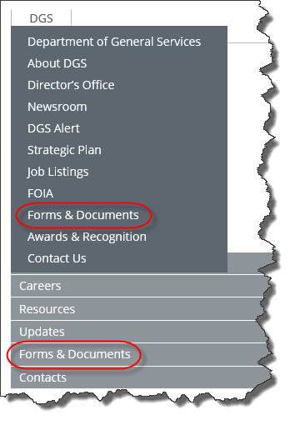
 | The DGS Forms Center may also be accessed via the "Forms & Documents" menu item on the new DGS Home Page:
 |  |  |  |  | https://dgs.virginia.gov

 | To access the new Forms Center, pre-filtered for DEB only forms, use the "DEB Forms & Documents" menu item provided
 | on the new DEB Home Page:
 |  | https://deb.dgs.virginia.gov
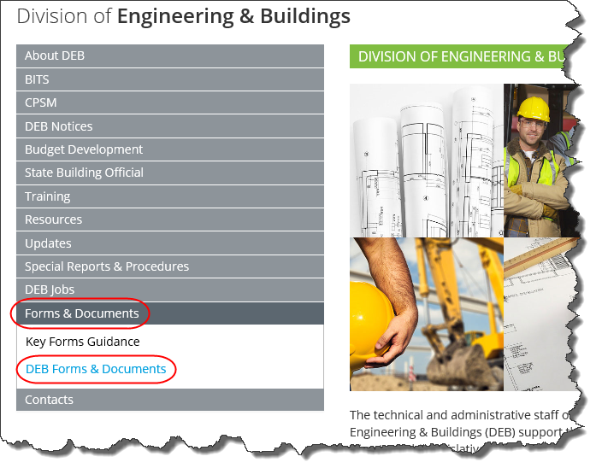

II. Forms Center Layout and Features:

 | The DGS Forms Center has six columns (see 1 thru 6 below) and two special features (see 7 & 8 below):

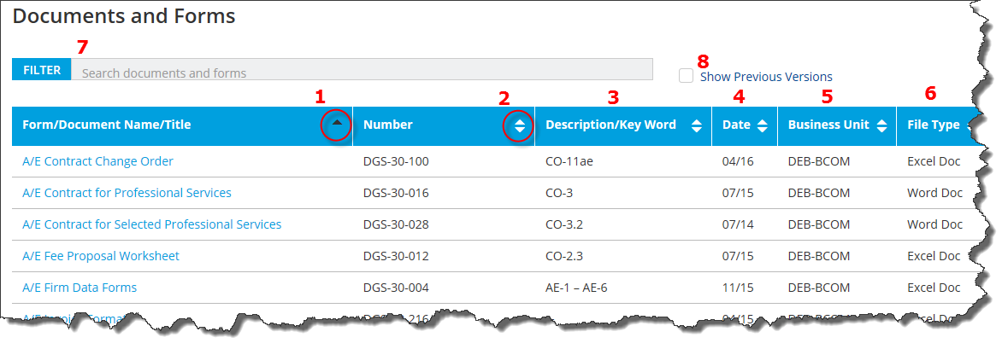

 |  | 1 - this column provides the Form/Document Name/Title.
 |  | 2 - this column provides the formal DGS Form Number.
 |  | 3 - for DEB forms, the Description/Key Word column is used to provide the commonly-used Form ID (e.g., CO-3, CO-3.2, etc.).
 |  | 4 - this column provides the Date of the most current version of each form, in month/year format (e.g., "04/16" = April 2016).
 |  | 5 - this column provides the DGS Business Unit, as the Forms Center is used by all DGS divisions/bureaus. DEB forms are found under Business Unit "DEB".
 |  | 6 - this provides the File Type (e.g., Excel, Word, PDF)

 |  | Note: The forms list is sorted by default by the Form/Document Name (Column 1). This is so indicated by the dark triangle icon. The list, however,
 |  |  | may be easily sorted by any other column by clicking on the white, double triangle icons. Clicking once sorts the list in ascending order;
 |  |  | clicking a second time sorts the list is descending order.

III. Finding Forms using the Filter:

 |  | 7 - a powerful new filter feature was added to the DGS Forms Center which makes it very easy to find any form. The text entered in the
 |  |  | filter box searches simultaneously and immediately in all 6 columns for matching data. For example, typing "term" in the filter boxes
 |  |  | immediately brings up these 5 hits:
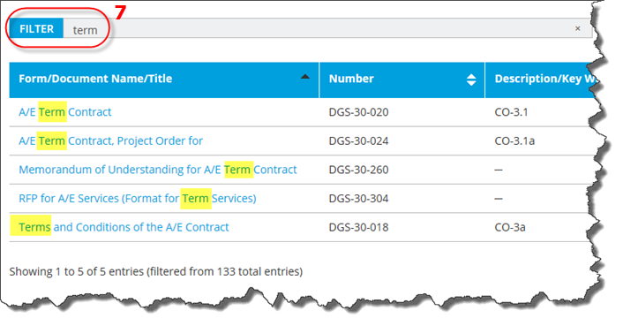

IV. Accessing Previous Versions of Forms:

 |  | 8 - a new feature was added to show the previous versions of selected forms. Just check the "Show Previous Versions" box to enable this feature.
 |  |  | For example, the CO-6a, 6b, and 6c forms have both the current (2012 Code) version and the previous (2009 Code versions) available
 |  |  | on the Forms Center. When you click "Show Previous Versions", the current versions are highlighted in bold blue and the previous
 |  |  | versions are displayed in a normal font immediately below the current versions:

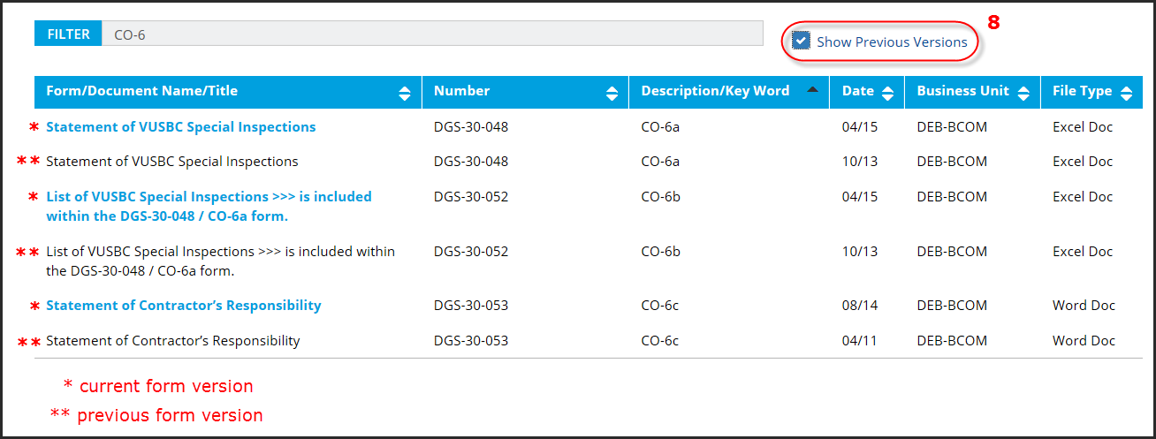

V. Viewing and Downloading Forms:

 |  | To view or download a form/document, first click on its name:

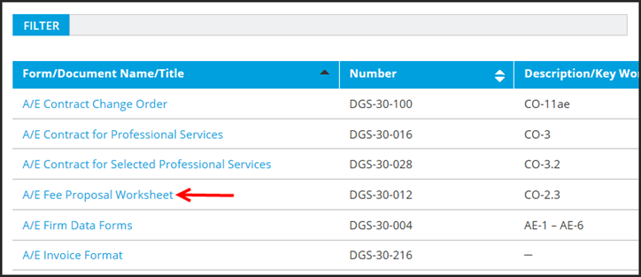

 |  | Internet Explorer users will then see the following dialogue box:
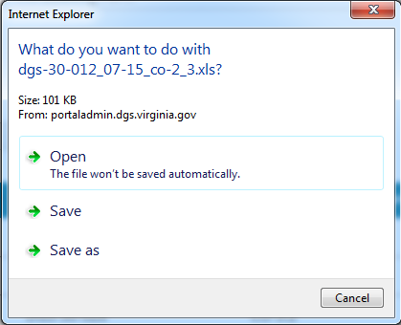

 |  | Save - will save the form/document immediately to your default download location, typically the "Downloads" folder.

 |  | Save As - will allow the user to navigate to another folder location to save the form/document.

 |  | Open - will allow the form to be displayed first. Sometimes the form will open immediately, however, users may occasionally
 |  |  | encounter a "Windows Security" login such as this:

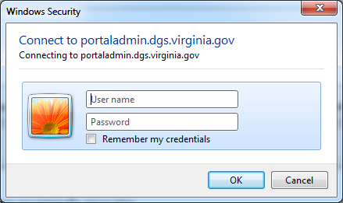

 |  |  | If so, just click on the "Cancel" button and the form should display properly. (i.e., no login is required)

 |  |  | Once the file is opened, the user can then save the file, using the File / Save As command on the menu of
 |  |  | the application that opened the file.

 |  | Opening and saving methods vary on browsers other than Internet Explorer. During testing, Google's Chrome browser
 |  | opened forms/documents consistently without encountering the "Windows Security" login box.

IV. User Assistance:

 |  | If issues are enountered when using the DGS Forms Center, contact the DGS business unit that provides the subject form(s) for assistance.

 |  | Users needing assistance downloading DEB forms should contact:
 |  |  |  | capout@dgs.virginia.gov

 |  | If a previous version of a DEB form is needed, but is not available using the
 |  | "Show Pevious Versions" checkbox discussed earlier, then also contact:
 |  |  |  | capout@dgs.virginia.gov

