Comps
DGS-30-198
(Rev. 07/24) |  | This sheet is for optional use.

Make selection from dropdowns -
in order (2 before 3)
PROPOSED PROJECT
Proposed Project Type (This part)
Standard Building Category from VBCCD
Standard Building Type from VBCCD
Building Category/ Type not in VBCCD
Project location (city): |  |  | Alexandria
HCI for proposed project:

 |  |  |  | Cost From Database / Comparative Project
 |  |  |  | Comp #1 | Comp #2 | Comp #3 | Cost From Database
Make selection
from drop down
COMPARABLE PROJECT |  |  |  | "Proposed Project Type (This part)" must be filled in to display form below.
 | a. | Project title: |  |  |  |  | 0
 | b. | Owner:
 | c. | Project location: |  |  |  |  | Richmond, VA (HCI: 257.4) | ◄Check This HCI Value
 | d. | Construction contract award year:
Median GSF from VBCCD (database) is pre-populated.
COMPARABLE PROJECT SCOPE
 | e1. | Quantity Unit of Measurement |  |  |  |  | 0
 | e2. | Gross quantity of the comp: |  |  |  |  | 0
Enter GSF
for this part of
the current project
 | e3. | Gross quantity for this portion of the project :
 | f. | Key quantity (i.e.; # of beds, cells, spaces, etc.):
 | g. | Comments:

Click for Database Summary with Building Categories and Types
COMPARABLE PROJECT COST (or Database average)
 |  |  |  | Enter total amount | Enter total amount | Enter total amount
 | h. | Total construction contract award amount:
 | i. | Sitework & utilities amount (if not included above):
 | j. | Subtotal per GSF: |  | $0.00 | $0.00 | $0.00

BRING COMP TO NEW LOCATION AND CURRENT DATE
 | k. | HCI for comp (see tab): |  |  |  |  | 257.4 | ◄Check This HCI Value
 | l. | Subtotal per GSF, adjusted for escalation and location to today: |  | $0.00 | $0.00 | $0.00 | $0.00

MODIFICATIONS TO COMPARABLE PROJECT PER GSF
Itemize modifications (plus or minus) to the comparative project's sitework, utilities, or building construction cost to make it comparable in scope, complexity, etc. to the proposed project.
 |  |  | Description: | Enter amount per GSF | Enter amount per GSF | Enter amount per GSF | Enter amount per GSF
 | m1. | Modification #1:
 | m2. | Modification #2:
 | m3. | Modification #3:
 | m4. | Modification #4:

SUB-TOTAL OF COMP WITH MODIFICATIONS, NEW LOCATION AND CURRENT DATE |  |  |  | $0.00 | $0.00 | $0.00 | $0.00

TOTALS
 | n. | Total cost per GSF: |  | $0.00 | $0.00 | $0.00 | $0.00
 | o. | Average Cost Per GSF: |  | #DIV/0!

Instructions
GENERAL

- This form will NOT be processed as a CO-4 or as a CO-5.
It is intended only to communicate the funding and reqeusted budget to
the Cost Review section of DEB.

- Provide information in yellow cells on the following tabs:
 | - Project Data
 | - Funding
 | - Budget

DATA ENTRY INSTRUCTIONS

- Data fields typically entered by Agencies are highlighted in yellow.

- Data fields typically entered by DEB or DPB are highlighted in blue.

- Cells highlighted in pink with "Specify" message require data entry |  |  | Specify
on the appropriate tab. I.E.: Funding info on Funding tab.

- Use the tab key to move forward to the next fillable field. |  |  | |----->

- Use the shift-tab to move backwards to the previous fillable field. |  |  | <-----|

- Some fields have "drop-down" selection arrows on the right side of the field. For these
 | types of fields, click on the arrow, then select an appropriate choice from the list.

- When complete, save the file and e-mail it to: |  | capout@dgs.virginia.gov

If you have any questions regarding completing this form, please contact your agency's Cost Reviewer.

Instructions:
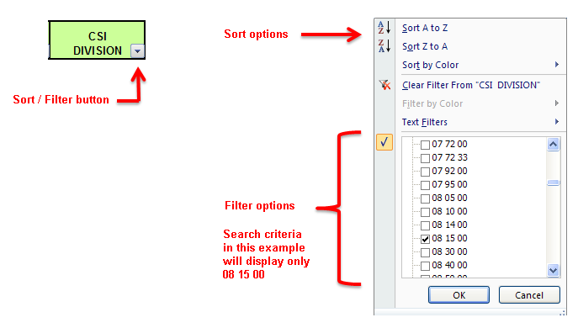

Go to conversion chart >>

Cost guidance - See DEB Newsletter #53 - May 2019 >

Cost Calculation Guidance >

VBCCD BldgTypes
Virginia Building Construction Cost Database
 | 5 | 1 | 3 | 2 | 2 | 7 | 3 | 3 | 2 | 2 | 2 | 3 | 7 | 1 | 1 | 1 | 2 | 6 | 5 | 1
# | CLASSROOM BUILDINGS | COURTS | DORMITORY | FOOD | GYM-PHYS-ED BUILDINGS | DRY LABS Physics Buildings, Engineering Buildings | WET LABS Chemistry Buildings, Biology Buildings | RESEARCH LABS | LIBRARIES | MEDICAL | MULTIPURPOSE BUILDINGS | MUSEUMS | OFFICE BUILDINGS | PARKING | PARKING STRUCTURE | ROOFING | STUDENT CENTERS | THEATERS | Other | UNIVERSITY WELCOME CENTERS | Column1
1 | New Classroom Buildings | Ren Court | New Dormitory | New Dining Hall | New Gymnasium | New Dry Lab - L | New Wet Lab - M | Research Labs | New Library | New Mental Health Facility | New Multipurpose Center | New Museum | New Office Building | New Parking (surface lots) | New Parking Structure | Roof Replacement | New Student Centers | New Theater | Shooting Range | Visitor's Centers
2 | Renovate Classroom Buildings - L |  | Renovate Dormitory | Renovate Dining Hall | Renovate Gymnasium | New Dry Lab - M | New Wet Lab - H | Research Lab Additions | Ren Library | Ren Medical | Recreation Center | Ren. Museum | New Small Office Addition |  |  |  | Ren Student Centers | Ren. Theater - L | Oyster Hatcheries
3 | Renovate Classroom Buildings - M |  | Renovate Dormitory - Historic |  |  | New Dry Lab - H | Renovate Wet Lab - H | Research Lab Renovations - H |  |  |  | Museum - Replicas | New/Ren Office 50-50 |  |  |  |  | Ren. Theater - M | New Police Station
4 | Renovate Classroom Buildings - H |  |  |  |  | New Dry Lab - Automotive |  |  |  |  |  |  | Ren. Office - L |  |  |  |  | Ren. Theater - H | New Vocational Labs
5 | Renovate Classroom Buildings - Historic |  |  |  |  | Ren. Dry Lab - L |  |  |  |  |  |  | Ren. Office - M |  |  |  |  | Fine Arts Center | Maintenance Buildings
6 |  |  |  |  |  | Ren. Dry Lab - M |  |  |  |  |  |  | Ren. Office - H |  |  |  |  | Performing Arts Center
7 |  |  |  |  |  | Ren. Dry Lab - H |  |  |  |  |  |  | Office Tenant Upfit - M

Total | 5 | 1 | 3 | 2 | 2 | 7 | 3 | 3 | 2 | 2 | 2 | 3 | 7 | 1 | 1 | 1 | 2 | 6 | 5 | 1 | 0

Click for Database Summary with Building Categories and Types

