Testing Instructions
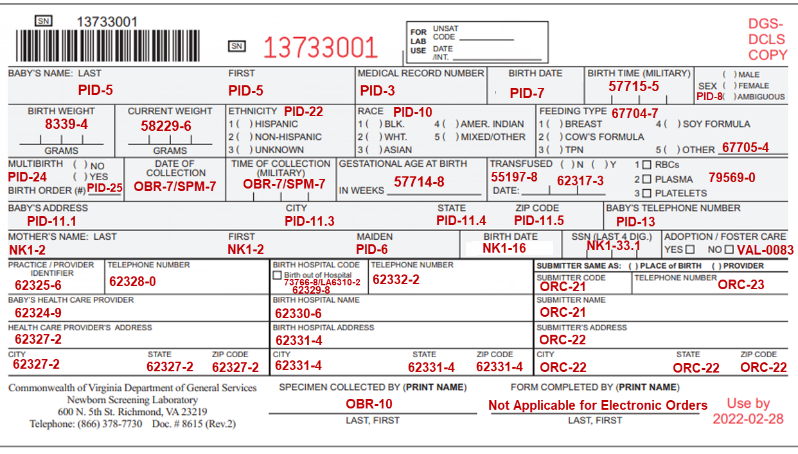
Testing Guidelines
A few days before testing begins, DCLS will provide Device IDs to be used for each test case. Each test case will need a separate device ID, aside from test case 8, which will use the same device ID as test case 7.
A new patient should be used for each test case, aside from Test Case 7 & 8.
There are important testing notes for both the hospital and DCLS in Column C. Please be sure to read carefully prior to beginning each test case.
Hospital will send screenshots of the label print out to DCLS. This is the label that the hospital would attach to the collection device before sending the sample to DCLS.
Hospital should send a variety of meta data in the orders, including coverage of several dropdown options (Race, Ethnicity, Feeding Types, Adoption), conditional fields (Transfusion, Multi-birth, Feeding type Other), and a Homebirth.
It is critical that the actual end users participate in testing so they will understand how to use the new process of sending electronic orders, and printing & attaching the label to the collection card.

Annotated Collection Card
Label size specifications:
3" x 6" OR 2.4" x 6.75"
*Label cannot cover up barcoded Device ID at top of card, or expiration date at bottom of card

Scenario 1
Minimum Required Fields
Submitter will send only the data elements indicated as 'R' (required)

MSH|^~\&|SendingApplicationName^SendingApplicationOID^ISO|SendingFacilityName^SendingFacilityOID^ISO|VA StarLIMSv10 Prod^2.16.840.1.114222.4.3.3.2.2.4^ISO|VA PHL Richmond^2.16.840.1.114222.4.1.9977^ISO|202206022000- 0500||OML^O21^OML_O21|MessageControlID|P|2.5.1
PID|1||987654321^^^HospitalSystem&HospitalSystemOID&ISO^MR||ONE^TESTCASE||202205310152-0500|F|||1776 Main Street^^Richmond^VA^23219||^^^^^804^5693861|||||||||N^Not Hispanic or Latino^HL70189||N
NK1|1|ONE^MOMFIRST|MTH^Mother^HL70063
ORC|NW|PlacerOrderNumber^HospitalSystem^HospitalSystemOID^ISO|||||||||||||||||||Bon Secours St. Mary’s Hospital^^^^^VA PHL Richmond&2.16.840.1.114222.4.1.9977&ISO^XX^^^10614|5801 Bremo Rd^^Richmond^VA^23226|^^^^^804^2852011||||||
OBR|1|PlacerOrderNumber^HospitalSystem^HospitalSystemOID^ISO||54089-8^Newborn screening panel AHIC^LN|||202206021854-0500|||COLLECTOR|
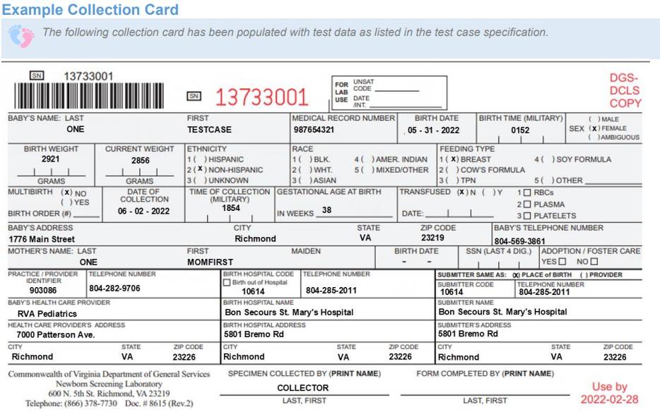
OBX|1|ST|57723-9^Unique bar code number of Current sample^LN||13733001||||||O
OBX|2|TX|62323-1^Post-discharge Provider Identifier^LN||903086||||||O
OBX|3|TX|62324-9^Post-discharge Provider Name^LN||RVA Pediatrics||||||O
OBX|4|XAD|62327-2^Post-discharge provider practice address^LN||7000 Patterson Ave.^^Richmond^VA^23226||||||O
OBX|5|XTN|62328-0^Post-discharge Practice Phone Number^LN||^^^^^804^2829706||||||O
OBX|6|TX|62329-8^Birth hospital facility ID [Identifier] in Facility^LN||10614||||||O
OBX|7|TX|62330-6^Birth hospital facility name^LN||Bon Secours St. Mary’s Hospital||||||O
OBX|8|XAD|62331-4^Birth hospital facility address^LN||5801 Bremo Rd^^Richmond^VA^23226||||||O
OBX|9|XTN|62332-2^Birth hospital facility phone number in Facility^LN||^^^^^804^2852011||||||O
OBX|10|NM|8339-4^Birthweight^LN|1|2921|g^gram^UCUM|||||O
OBX|11|NM|57714-8^Obstetric estimation of gestational age^LN|1|38|wk^weeks^UCUM|||||O
OBX|12|NM|58229-6^Body weight Measured --when specimen taken^LN|1|2856|g^gram^UCUM|||||O
OBX|13|CE|67704-7^Feeding types^LN|1|LA16914-6^Breast milk^LN||||||O
OBX|14|CE| 55197-8^Transfusion status Qualitative^LN||N^No^HL70136||||||O

Scenario 2
Maximally populated message
Submitter will send all possible data points, including 'O' (optional), 'C(R/X)' (conditionally required), and 'RE' (required but can be empty) elements

MSH|^~\&|SendingApplicationName^SendingApplicationOID^ISO|SendingFacilityName^SendingFacilityOID^ISO|VA StarLIMSv10 Prod^2.16.840.1.114222.4.3.3.2.2.4^ISO|VA PHL Richmond^2.16.840.1.114222.4.1.9977^ISO|202206031000- 0500||OML^O21^OML_O21|MessageControlID|P|2.5.1
PID|1||569832^^^HospitalSystem&HospitalSystemOID&ISO^MR||TWO^TESTCASE|MOMMAIDENTWO|202206010645-0500|M||2028-9^Asian^HL70005|751 Home Sweet Home^^Richmond^VA^23219||^^^^^804^5693861|||||||||H^Hispanic^HL70189||Y|2|
NK1|1|TWO^MOMFIRST|MTH^Mother^HL70063|||||||||||||19890722-0400|||||||||||||||||7896^^^SSA&2.16.840.1.113883.4.1&ISO^SS
ORC|NW|PlacerOrderNumber^HospitalSystem^HospitalSystemOID^ISO|||||||||||||||||||Bon Secours St. Mary’s Hospital^^^^^VA PHL Richmond&2.16.840.1.114222.4.1.9977&ISO^XX^^^10614|5801 Bremo Rd^^Richmond^VA^23226|^^^^^804^2852011||||||
OBR|1|PlacerOrderNumber^HospitalSystem^HospitalSystemOID^ISO||54089-8^Newborn screening panel AHIC^LN|||202206030717-0500|||COLLECTOR
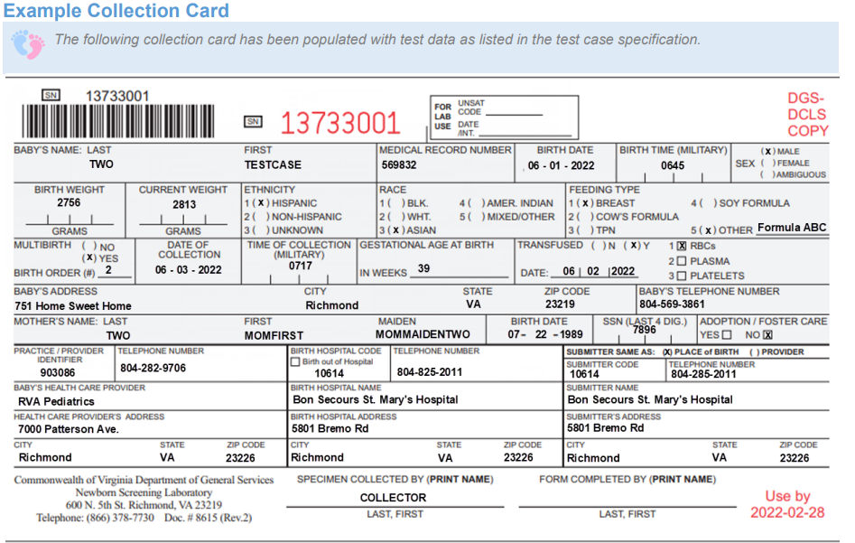
OBX|1|ST|57723-9^Unique bar code number of Current sample^LN||13733001||||||O
OBX|2|TX|62323-1^Post-discharge Provider Identifier^LN||903086||||||O
OBX|3|TX|62324-9^Post-discharge Provider Name^LN||RVA Pediatrics||||||O
OBX|4|XAD|62327-2^Post-discharge provider practice address^LN||7000 Patterson Ave.^^Richmond^VA^23226||||||O
OBX|5|XTN|62328-0^Post-discharge Practice Phone Number^LN||^^^^^804^2829706||||||O
OBX|6|TX|62329-8^Birth hospital facility ID [Identifier] in Facility^LN||10614||||||O
OBX|7|TX|62330-6^Birth hospital facility name^LN||Bon Secours St. Mary’s Hospital||||||O
OBX|8|XAD|62331-4^Birth hospital facility address^LN||5801 Bremo Rd^^Richmond^VA^23226||||||O
OBX|9|XTN|62332-2^Birth hospital facility phone number in Facility^LN||^^^^^804^2852011||||||O
OBX|10|NM|8339-4^Birthweight^LN|1|2756|g^gram^UCUM|||||O
OBX|11|NM|57714-8^Obstetric estimation of gestational age^LN|1|39|wk^weeks^UCUM|||||O
OBX|12|NM|58229-6^Body weight Measured --when specimen taken^LN|1|2813|g^gram^UCUM|||||O
OBX|13|CE|67704-7^Feeding types^LN|1|LA16914-6^Breast milk^LN||||||O
OBX|14|CE|67704-7^Feeding types^LN|2|LA46-8^Other^LN||||||O
OBX|15|ST|67705-4^Other feeding types^LN|1|Formula ABC||||||O
OBX|16|CE|55197-8^Transfusion status Qualitative^LN||Y^Yes^HL70136||||||O
OBX|17|CE|79569-0^Blood product given [Type]^LN||116863004^Transfusion of red blood cells^SCT||||||O
OBX|18|DTM|62317-3^Date of Last Blood Product Transfusion^LN||20220602||||||O
OBX|19|CE|VAL-0083^Adoption/Foster care^LN||N^No^HL70136||||||O

Scenario 3
Birth outside of a hospital
Submitter will indicate that the birth occurred outside of a hospital, and code '10916' will be provided for 'birth hospital facility ID [identifier] in facility'

MSH|^~\&|SendingApplicationName^SendingApplicationOID^ISO|SendingFacilityName^SendingFacilityOID^ISO|VA StarLIMSv10 Prod^2.16.840.1.114222.4.3.3.2.2.4^ISO|VA PHL Richmond^2.16.840.1.114222.4.1.9977^ISO|202206031400- 0500||OML^O21^OML_O21|MessageControlID|P|2.5.1
PID|1||85691^^^HospitalSystem&HospitalSystemOID&ISO^MR||THREE^TESTCASE|MOMMAIDENTHREE|202206011053-0400|M||2106- 3^White^HL70005|1235 Happy Home Way^^Henrico^VA^23219||^^^^^804^4443333|||||||||N^Not Hispanic or Latino^HL70189||Y|1|
NK1|1|THREE^MOMFIRST|MTH^Mother^HL70063|||||||||||||
ORC|NW|PlacerOrderNumber^HospitalSystem^HospitalSystemOID^ISO|||||||||||||||||||Bon Secours St. Mary’s Hospital^^^^^VA PHL Richmond&2.16.840.1.114222.4.1.9977&ISO^XX^^^10614|5801 Bremo Rd^^Richmond^VA^23226|^^^^^804^2852011||||||
OBR|1|PlacerOrderNumber^HospitalSystem^HospitalSystemOID^ISO||54089-8^Newborn screening panel AHIC^LN|||202206031255-0500|||COLLECTOR
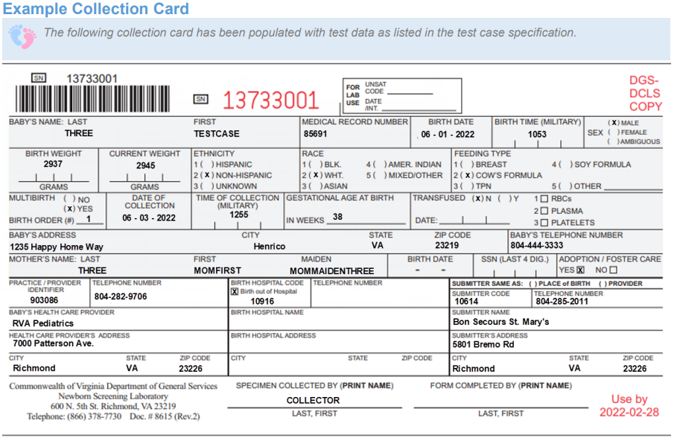
OBX|1|ST|57723-9^Unique bar code number of Current sample^LN||13733001||||||O
OBX|2|TX|62323-1^Post-discharge Provider Identifier^LN||903086||||||O
OBX|3|TX|62324-9^Post-discharge Provider Name^LN||RVA Pediatrics||||||O
OBX|4|XAD|62327-2^Post-discharge provider practice address^LN||7000 Patterson Ave.^^Richmond^VA^23226||||||O
OBX|5|XTN|62328-0^Post-discharge Practice Phone Number^LN||^^^^^804^2829706||||||O
OBX|6|NM|8339-4^Birthweight^LN|1|2937|g^gram^UCUM|||||O
OBX|7|NM|57714-8^Obstetric estimation of gestational age^LN|1|38|wk^weeks^UCUM|||||O
OBX|8|NM|58229-6^Body weight Measured --when specimen taken^LN|1|2945|g^gram^UCUM|||||O
OBX|9|CE|67704-7^Feeding types^LN|1|LA16915-3^Lactose formula^LN||||||O
OBX|10|CE|73766-8^Place where birth occurred^LN|1|LA20033-9^Birth out of Hospital^LN||||||O
OBX|11|TX|62329-8^Birth hospital facility ID [Identifier] in Facility^LN||10916||||||O
OBX|12|CE|55197-8^Transfusion status Qualitative^LN||N^No^HL70136||||||O
OBX|13|CE|VAL-0083^Adoption/Foster care^LN||Y^Yes^HL70136||||||O

Scenario 4
Provider code unknown
Submitter will select '999999' as the post discharge provider identifier, and supply provider's name, address and phone number

MSH|^~\&|SendingApplicationName^SendingApplicationOID^ISO|SendingFacilityName^SendingFacilityOID^ISO|VA StarLIMSv10 Prod^2.16.840.1.114222.4.3.3.2.2.4^ISO|VA PHL Richmond^2.16.840.1.114222.4.1.9977^ISO|202206040000- 0500||OML^O21^OML_O21|MessageControlID|P|2.5.1
PID|1||236589^^^HospitalSystem&HospitalSystemOID&ISO^MR||FOUR^TESTCASE||202206010417-0400|A||2131-1^Other Race^HL70005|2156 Lovely Lane^^Henrico^VA^23219||^^^^^804^2229999|||||||||U^Unknown^HL70189||Y|3|
NK1|1|FOUR^MOMFIRST|MTH^Mother^HL70063||||||||||||||||||||||||||||||
ORC|NW|PlacerOrderNumber^HospitalSystem^HospitalSystemOID^ISO|||||||||||||||||||Bon Secours St. Mary’s Hospital^^^^^VA PHL Richmond&2.16.840.1.114222.4.1.9977&ISO^XX^^^10614|5801 Bremo Rd^^Richmond^VA^23226|^^^^^804^2852011||||||
OBR|1|PlacerOrderNumber^HospitalSystem^HospitalSystemOID^ISO||54089-8^Newborn screening panel AHIC^LN|||202206032315-0500|||COLLECTOR
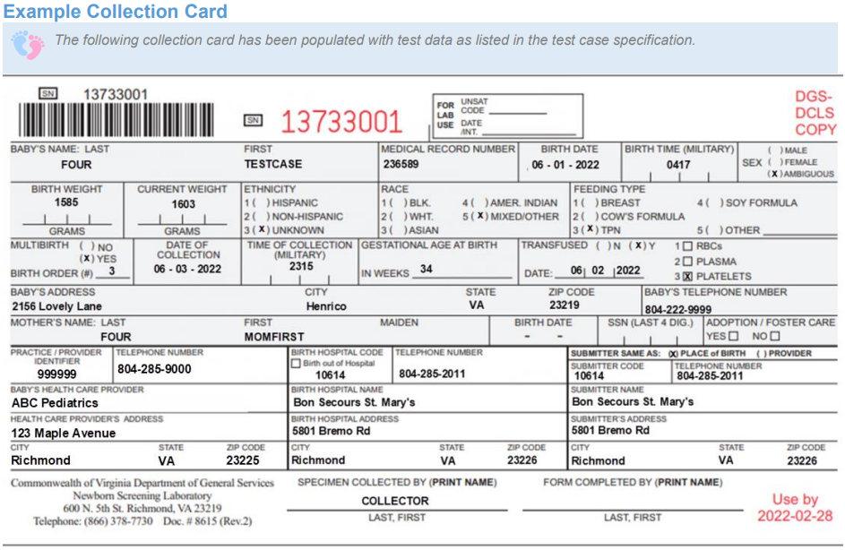
OBX|1|ST|57723-9^Unique bar code number of Current sample^LN||13733001||||||O
OBX|2|TX|62323-1^Post-discharge Provider Identifier^LN||999999||||||O
OBX|3|TX|62324-9^Post-discharge Provider Name^LN||ABC Pediatrics||||||O
OBX|4|XAD|62327-2^Post-discharge provider practice address^LN||123 Maple Street^^Richmond^VA^23225||||||O
OBX|5|XTN|62328-0^Post-discharge Practice Phone Number^LN||^^^^^804^2859000||||||O
OBX|6|TX|62329-8^Birth hospital facility ID [Identifier] in Facility^LN||10614||||||O
OBX|7|TX|62330-6^Birth hospital facility name^LN||Bon Secours St. Mary’s Hospital||||||O
OBX|8|XAD|62331-4^Birth hospital facility address^LN||5801 Bremo Rd^^Richmond^VA^23226||||||O
OBX|9|XTN|62332-2^Birth hospital facility phone number in Facility^LN||^^^^^804^2852011||||||O
OBX|10|NM|8339-4^Birthweight^LN|1|1585|g^gram^UCUM|||||O
OBX|11|NM|57714-8^Obstetric estimation of gestational age^LN|1|34|wk^weeks^UCUM|||||O
OBX|12|NM|58229-6^Body weight Measured --when specimen taken^LN|1|1603|g^gram^UCUM|||||O
OBX|13|CE|67704-7^Feeding types^LN|1|LA12418-2^TPN^LN||||||O
OBX|14|CE|55197-8^Transfusion status Qualitative^LN||Y^Yes^HL70136||||||O
OBX|15|CE|79569-0^Blood product given [Type]^LN||12719002^Platelet^SCT||||||O
OBX|16|DTM|62317-3^Date of Last Blood Product Transfusion^LN||20220602||||||O

Scenario 5
Transfusion indicated
Submitter will select 'Yes' for 'Transfusion status Qualitative', and a transfusion date & transfusion type will be provided

MSH|^~\&|SendingApplicationName^SendingApplicationOID^ISO|SendingFacilityName^SendingFacilityOID^ISO|VA StarLIMSv10 Prod^2.16.840.1.114222.4.3.3.2.2.4^ISO|VA PHL Richmond^2.16.840.1.114222.4.1.9977^ISO|202206030400- 0500||OML^O21^OML_O21|MessageControlID|P|2.5.1
PID|1||154783^^^HospitalSystem&HospitalSystemOID&ISO^MR||FIVE^TESTCASE||202204210856-0400|F||2054-5^Black or African American^HL70005|5698 Beautiful Boulevard^^Henrico^VA^23219||^^^^^804^4446666|||||||||H^Hispanic^HL70189||N|
NK1|1|FIVE^MOMFIRST|MTH^Mother^HL70063|||||||||||||19920506-0500|||||||||||||||||
ORC|NW|PlacerOrderNumber^HospitalSystem^HospitalSystemOID^ISO|||||||||||||||||||Bon Secours St. Mary’s Hospital^^^^^VA PHL Richmond&2.16.840.1.114222.4.1.9977&ISO^XX^^^10614|5801 Bremo Rd.^^Richmond^VA^23226|^^^^^804^2852011||||||
OBR|1|PlacerOrderNumber^HospitalSystem^HospitalSystemOID^ISO||54089-8^Newborn screening panel AHIC^LN|||202206030115-0500|||COLLECTOR
OBX|1|ST|57723-9^Unique bar code number of Current sample^LN||13733001||||||O
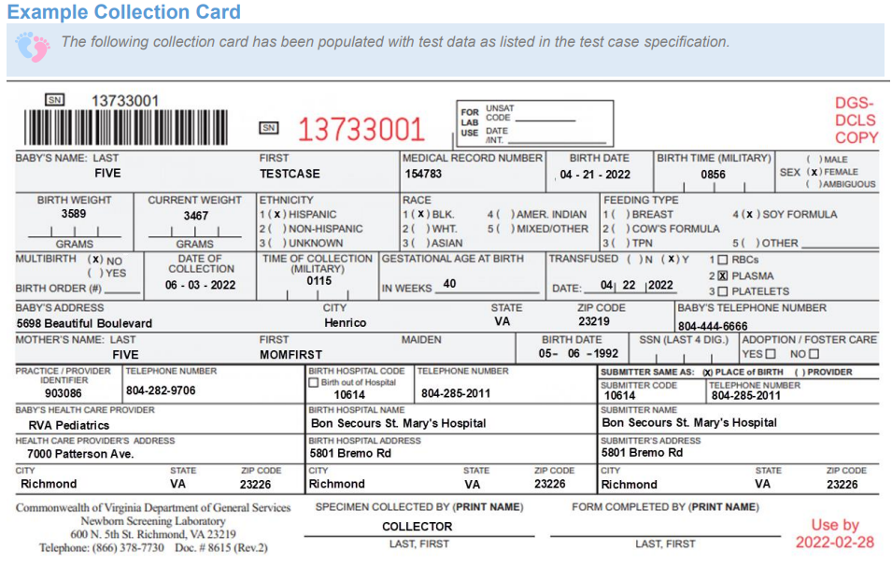
OBX|2|TX|62323-1^Post-discharge Provider Identifier^LN||903086||||||O
OBX|3|TX|62324-9^Post-discharge Provider Name^LN||RVA Pediatrics||||||O
OBX|4|XAD|62327-2^Post-discharge provider practice address^LN||7000 Patterson Ave.^^Richmond^VA^23226||||||O
OBX|5|XTN|62328-0^Post-discharge Practice Phone Number^LN||^^^^^804^2829706||||||O
OBX|6|TX|62329-8^Birth hospital facility ID [Identifier] in Facility^LN||10614||||||O
OBX|7|TX|62330-6^Birth hospital facility name^LN||Bon Secours St. Mary’s Hospital||||||O
OBX|8|XAD|62331-4^Birth hospital facility address^LN||5801 Bremo Rd^^Richmond^VA^23226||||||O
OBX|9|XTN|62332-2^Birth hospital facility phone number in Facility^LN||^^^^^804^2852011||||||O
OBX|10|NM|8339-4^Birthweight^LN|1|3589|g^gram^UCUM|||||O
OBX|11|NM|57714-8^Obstetric estimation of gestational age^LN|1|40|wk^weeks^UCUM|||||O
OBX|12|NM|58229-6^Body weight Measured --when specimen taken^LN|1|3467|g^gram^UCUM|||||O
OBX|13|CE|67704-7^Feeding types^LN|1|LA14041-0^Lactose free formula (including soy or hydrolyzed)^LN||||||O
OBX|14|CE|55197-8^Transfusion status Qualitative^LN||Y^Yes^HL70136||||||O
OBX|15|CE|79569-0^Blood product given [Type]^LN||13569004^Transfusion of plasma^SCT||||||O
OBX|16|DTM|62317-3^Date of Last Blood Product Transfusion^LN||20220422||||||O

Scenario 6
Birth at another hospital
Submitter will provide details of the hospital where baby was born in the 'Birth hospital facility ID [Identifier] in Facility', 'Birth hospital facility name', 'Birth hospital facility address' and 'Birth hospital facility phone number'

MSH|^~\&|SendingApplicationName^SendingApplicationOID^ISO|SendingFacilityName^SendingFacilityOID^ISO|VA StarLIMSv10 Prod^2.16.840.1.114222.4.3.3.2.2.4^ISO|VA PHL Richmond^2.16.840.1.114222.4.1.9977^ISO|202206040200- 0500||OML^O21^OML_O21|MessageControlID|P|2.5.1
PID|1||565932^^^HospitalSystem&HospitalSystemOID&ISO^MR||SIX^TESTCASE|MOMMAIDENSIX|202205251659-0500|M||1002-5^American Indian or Alaska Native^HL70005|569 Pleasant Avenue^^Henrico^VA^23219||^^^^^804^5551111|||||||||N^Not Hispanic or Latino^HL70189||N
NK1|1|SIX^MOMFIRST|MTH^Mother^HL70063|||||||||||||19971125-0500|||||||||||||||||
ORC|NW|PlacerOrderNumber^HospitalSystem^HospitalSystemOID^ISO|||||||||||||||||||Bon Secours St. Mary’s Hospital^^^^^VA PHL Richmond&2.16.840.1.114222.4.1.9977&ISO^XX^^^10614|5801 Bremo Rd^^Richmond^VA^23226|^^^^^804^2852011||||||
OBR|1|PlacerOrderNumber^HospitalSystem^HospitalSystemOID^ISO||54089-8^Newborn screening panel AHIC^LN|||202206032216-0500|||COLLECTOR
OBX|1|ST|57723-9^Unique bar code number of Current sample^LN||13733001||||||O
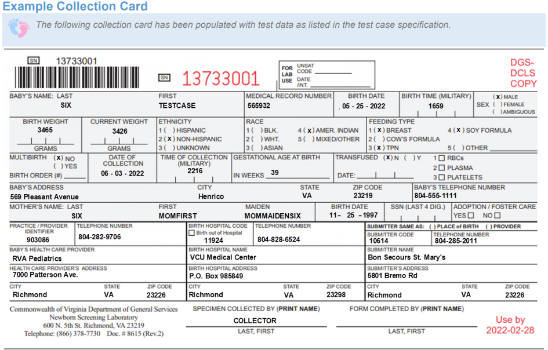
OBX|2|TX|62323-1^Post-discharge Provider Identifier^LN||903086||||||O
OBX|3|TX|62324-9^Post-discharge Provider Name^LN||RVA Pediatrics||||||O
OBX|4|XAD|62327-2^Post-discharge provider practice address^LN||7000 Patterson Ave.^^Richmond^VA^23226||||||O
OBX|5|XTN|62328-0^Post-discharge Practice Phone Number^LN||^^^^^804^2829706||||||O
OBX|6|TX|62329-8^Birth hospital facility ID [Identifier] in Facility^LN||11924||||||O
OBX|7|TX|62330-6^Birth hospital facility name^LN||VCU Medical Center||||||O
OBX|8|XAD|62331-4^Birth hospital facility address^LN||P.O. Box 985849^^Richmond^VA^23298||||||O
OBX|9|XTN|62332-2^Birth hospital facility phone number in Facility^LN||^^^^^804^8286524||||||O
OBX|10|NM|8339-4^Birthweight^LN|1|3465|g^gram^UCUM|||||O
OBX|11|NM|57714-8^Obstetric estimation of gestational age^LN|1|39|wk^weeks^UCUM|||||O
OBX|12|NM|58229-6^Body weight Measured --when specimen taken^LN|1|3426|g^gram^UCUM|||||O
OBX|13|CE|67704-7^Feeding types^LN|1|LA14041-0^Lactose free formula (including soy or hydrolyzed)^LN||||||O
OBX|14|CE|67704-7^Feeding types^LN|2|LA16914-6^Breast milk^LN||||||O
OBX|15|CE|67704-7^Feeding types^LN|3|LA12418-2^TPN^LN||||||O
OBX|16|CE|55197-8^Transfusion status Qualitative^LN||N^No^HL70136||||||O

Scenario 7
Intentional NACK
Submitter will send an order which is missing a required data element. The order will fail to process at DCLS, and DCLS will send a "NACK" message back to the submitter including the reason it failed to process.
There are many possible scenarios, but the below order for scenario 7 is missing the OBX for "Other Feeding Types" (67705-4^Other feeding types^LN). This is required because the Feeding Type of "Other" was selected.

MSH|^~\&|SendingApplicationName^SendingApplicationOID^ISO|SendingFacilityName^SendingFacilityOID^ISO|VA StarLIMSv10 Prod^2.16.840.1.114222.4.3.3.2.2.4^ISO|VA PHL Richmond^2.16.840.1.114222.4.1.9977^ISO|202206031000- 0500||OML^O21^OML_O21|MessageControlID|P|2.5.1
PID|1||569832^^^HospitalSystem&HospitalSystemOID&ISO^MR||SEVEN^TESTCASE|MOMMAIDENTWO|202206010645-0500|M||2028-9^Asian^HL70005|751 Home Sweet Home^^Richmond^VA^23219||^^^^^804^5693861|||||||||H^Hispanic^HL70189||Y|2|
NK1|1|SEVEN^MOMFIRST|MTH^Mother^HL70063|||||||||||||19890722-0400|||||||||||||||||7896^^^SSA&2.16.840.1.113883.4.1&ISO^SS
ORC|NW|PlacerOrderNumber^HospitalSystem^HospitalSystemOID^ISO|||||||||||||||||||Bon Secours St. Mary’s Hospital^^^^^VA PHL Richmond&2.16.840.1.114222.4.1.9977&ISO^XX^^^10614|5801 Bremo Rd^^Richmond^VA^23226|^^^^^804^2852011||||||
OBR|1|PlacerOrderNumber^HospitalSystem^HospitalSystemOID^ISO||54089-8^Newborn screening panel AHIC^LN|||202206030717-0500|||COLLECTOR
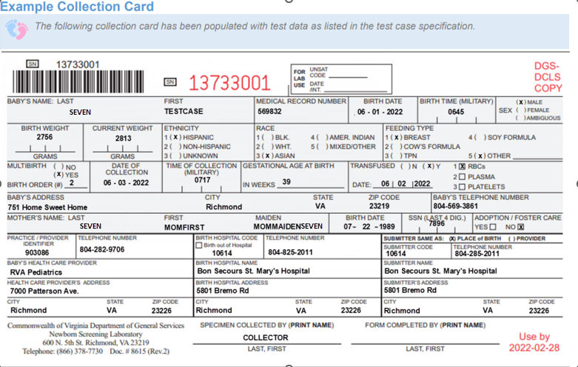
OBX|1|ST|57723-9^Unique bar code number of Current sample^LN||13733001||||||O
OBX|2|TX|62323-1^Post-discharge Provider Identifier^LN||903086||||||O
OBX|3|TX|62324-9^Post-discharge Provider Name^LN||RVA Pediatrics||||||O
OBX|4|XAD|62327-2^Post-discharge provider practice address^LN||7000 Patterson Ave.^^Richmond^VA^23226||||||O
OBX|5|XTN|62328-0^Post-discharge Practice Phone Number^LN||^^^^^804^2829706||||||O
OBX|6|TX|62329-8^Birth hospital facility ID [Identifier] in Facility^LN||10614||||||O
OBX|7|TX|62330-6^Birth hospital facility name^LN||Bon Secours St. Mary’s Hospital||||||O
OBX|8|XAD|62331-4^Birth hospital facility address^LN||5801 Bremo Rd^^Richmond^VA^23226||||||O
OBX|9|XTN|62332-2^Birth hospital facility phone number in Facility^LN||^^^^^804^2852011||||||O
OBX|10|NM|8339-4^Birthweight^LN|1|2756|g^gram^UCUM|||||O
OBX|11|NM|57714-8^Obstetric estimation of gestational age^LN|1|39|wk^weeks^UCUM|||||O
OBX|12|NM|58229-6^Body weight Measured --when specimen taken^LN|1|2813|g^gram^UCUM|||||O
OBX|13|CE|67704-7^Feeding types^LN|1|LA16914-6^Breast milk^LN||||||O
OBX|14|CE|67704-7^Feeding types^LN|2|LA46-8^Other^LN||||||O
OBX|15|CE|55197-8^Transfusion status Qualitative^LN||Y^Yes^HL70136||||||O
OBX|16|CE|79569-0^Blood product given [Type]^LN||116863004^Transfusion of red blood cells^SCT||||||O
OBX|17|DTM|62317-3^Date of Last Blood Product Transfusion^LN||20220602||||||O
OBX|18|CE|VAL-0083^Adoption/Foster care^LN||N^No^HL70136||||||O

Example NACK that DCLS would send back to the Submitter:
MSH|^~\&|VA StarLIMSv10 Prod^2.16.840.1.114222.4.3.3.2.2.4^ISO|VA PHL Richmond^2.16.840.1.114222.4.1.9977^ISO|ReceivingApplicationName^ReceivingApplicationOID^ISO|ReceivingFacilityName^ReceivingFacilityOID^ISO|20230709181550567-0400||ACK|231575|P|2.5.1
MSA|AR|202307091815374559
ERR||OBX^^5^1^1|101^Required field missing^HL70357|E|1006^Required field missing|OTHER**FEEDINGTYPE|

Scenario 8
Corrected Order
Submitter will send a corrected order for the patient/placer order number in Scenario 7. This order will contain all the required data elements.
The corrected order for the sample sent in scenario 7, contains the OBX for "Other Feeding Types" which was missing the first time.

MSH|^~\&|SendingApplicationName^SendingApplicationOID^ISO|SendingFacilityName^SendingFacilityOID^ISO|VA StarLIMSv10 Prod^2.16.840.1.114222.4.3.3.2.2.4^ISO|VA PHL Richmond^2.16.840.1.114222.4.1.9977^ISO|202206031000- 0500||OML^O21^OML_O21|MessageControlID|P|2.5.1
PID|1||569832^^^HospitalSystem&HospitalSystemOID&ISO^MR||TWO^TESTCASE|MOMMAIDENTWO|202206010645-0500|M||2028-9^Asian^HL70005|751 Home Sweet Home^^Richmond^VA^23219||^^^^^804^5693861|||||||||H^Hispanic^HL70189||Y|2|
NK1|1|TWO^MOMFIRST|MTH^Mother^HL70063|||||||||||||19890722-0400|||||||||||||||||7896^^^SSA&2.16.840.1.113883.4.1&ISO^SS
ORC|NW|PlacerOrderNumber^HospitalSystem^HospitalSystemOID^ISO|||||||||||||||||||Bon Secours St. Mary’s Hospital^^^^^VA PHL Richmond&2.16.840.1.114222.4.1.9977&ISO^XX^^^10614|5801 Bremo Rd^^Richmond^VA^23226|^^^^^804^2852011||||||
OBR|1|PlacerOrderNumber^HospitalSystem^HospitalSystemOID^ISO||54089-8^Newborn screening panel AHIC^LN|||202206030717-0500|||COLLECTOR

OBX|1|ST|57723-9^Unique bar code number of Current sample^LN||13733001||||||O
OBX|2|TX|62323-1^Post-discharge Provider Identifier^LN||903086||||||O
OBX|3|TX|62324-9^Post-discharge Provider Name^LN||RVA Pediatrics||||||O
OBX|4|XAD|62327-2^Post-discharge provider practice address^LN||7000 Patterson Ave.^^Richmond^VA^23226||||||O
OBX|5|XTN|62328-0^Post-discharge Practice Phone Number^LN||^^^^^804^2829706||||||O
OBX|6|TX|62329-8^Birth hospital facility ID [Identifier] in Facility^LN||10614||||||O
OBX|7|TX|62330-6^Birth hospital facility name^LN||Bon Secours St. Mary’s Hospital||||||O
OBX|8|XAD|62331-4^Birth hospital facility address^LN||5801 Bremo Rd^^Richmond^VA^23226||||||O
OBX|9|XTN|62332-2^Birth hospital facility phone number in Facility^LN||^^^^^804^2852011||||||O
OBX|10|NM|8339-4^Birthweight^LN|1|2756|g^gram^UCUM|||||O
OBX|11|NM|57714-8^Obstetric estimation of gestational age^LN|1|39|wk^weeks^UCUM|||||O
OBX|12|NM|58229-6^Body weight Measured --when specimen taken^LN|1|2813|g^gram^UCUM|||||O
OBX|13|CE|67704-7^Feeding types^LN|1|LA16914-6^Breast milk^LN||||||O
OBX|14|CE|67704-7^Feeding types^LN|2|LA46-8^Other^LN||||||O
OBX|15|ST|67705-4^Other feeding types^LN|1|Formula ABC||||||O
OBX|16|CE|55197-8^Transfusion status Qualitative^LN||Y^Yes^HL70136||||||O
OBX|17|CE|79569-0^Blood product given [Type]^LN||116863004^Transfusion of red blood cells^SCT||||||O
OBX|18|DTM|62317-3^Date of Last Blood Product Transfusion^LN||20220602||||||O
OBX|19|CE|VAL-0083^Adoption/Foster care^LN||N^No^HL70136||||||O

