Scenario 1
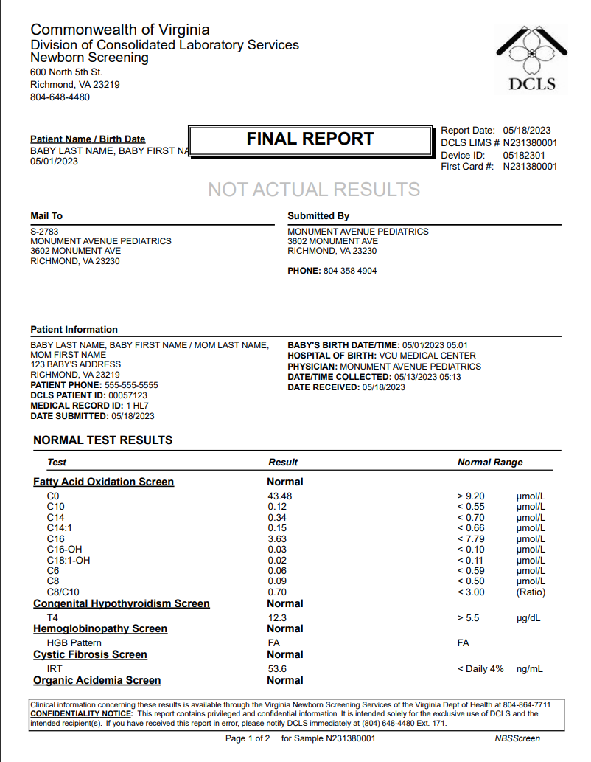
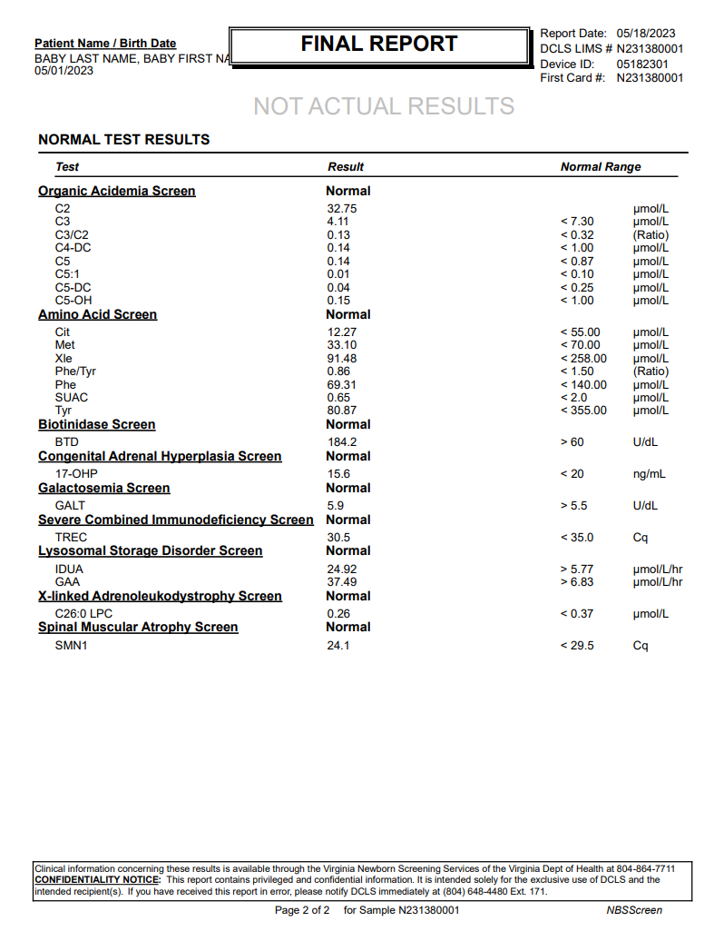
This message covers scenario 1a and 1b.
These scenarios were identified based on hospital practices surrounding patient discharge in relation to when the HL7 order is sent to DCLS.
The information in PID 5 may or may not match the patien't name in the hospital EMR which may cause result message to fail to match the patient record.
Important for uncovering any hospital specific practices which may have an impact on receiving results back.
 | 1a: | All normal results, Baby discharged- baby name changed before eOrder sent
 | 1b: | All normal results, Baby discharged- baby name changed after eOrder sent

MSH|^~\&|VA StarLIMSv10 Prod^2.16.840.1.114222.4.3.3.2.2.4^ISO|VA PHL Richmond^2.16.840.1.114222.4.1.9977^ISO|Receiving Application^Receiving Application OID^ISO|Receiving Facility^Receiving Facility OID^ISO|20230518153725-0400||ORU^R01^ORU_R01|MessageControlID|T|2.5.1|||AL|ER|||||LRI_NG_FRN_Profile^^2.16.840.1.113883.9.195.3.4^ISO~LRI_NDBS_Component^^2.16.840.1.113883.9.195.3.6^ISO
PID|1||1 HL7^^^Receiving Facility&Receiving Facility OID&ISO^MR~00057123^^^VA StarLIMSv10 Prod&2.16.840.1.114222.4.3.3.2.2.4&ISO^PI||BABY LAST NAME^BABY FIRST NAME|MOM MAIDEN|202305010501-0400|F||2028-9^Asian^HL70005|123 BABY'S ADDRESS^^RICHMOND^VA^23219^^^^51999||^^^^^555^5555555|||||||||H^Hispanic or Latino^HL70189||Y|2
NK1|1|MOM LAST NAME^MOM FIRST NAME|MTH^Mother^HL70063||||N^Next-of-Kin^HL70131|||||||||19900501|||||||||||||||||5555^^^SSA&2.16.840.1.113883.4.1&ISO^SS
ORC|RE|10000000^Receiving Facility^Receiving Facility OID^ISO|N231380001^VA PHL Richmond^2.16.840.1.114222.4.1.9977^ISO||||||||||||||||||MONUMENT AVENUE PEDIATRICS^^^^^VA StarLIMSv10 Prod&2.16.840.1.114222.4.3.3.2.2.4&ISO^XX^^^2783|3602 MONUMENT AVE^^RICHMOND^VA^23230^USA|^^^^^804^3584904
OBR|1|10000000^Receiving Facility^Receiving Facility OID^ISO|N231380001^VA PHL Richmond^2.16.840.1.114222.4.1.9977^ISO|57128-1^Newborn Screening Report summary panel^LN|||202305130513-0400|||||||||||||||20230518153313-0400|||F
OBX|1|CWE|57130-7^Newborn screening report - overall interpretation^LN||LA12428-1^All screening is in range for the conditions tested^LN|||N|||F|||202305130513-0400|||||20230518153313-0400||||VA PHL Richmond|600 North 5th Street^^RICHMOND^VA^23219^USA|||||RSLT
OBX|2|CWE|57719-7^Conditions tested for in this newborn screening study [Identifier] in Dried blood spot^LN|Conditions Tested^1^1|65389002^Adrenoleukodystrophy^SCT||||||F|||202305130513-0400|||||20230518153313-0400||||VA PHL Richmond|600 North 5th Street^^RICHMOND^VA^23219^USA|||||RSLT
OBX|3|CWE|57719-7^Conditions tested for in this newborn screening study [Identifier] in Dried blood spot^LN|Conditions Tested^1^2|41013004^Argininosuccinate lyase deficiency^SCT||||||F|||202305130513-0400|||||20230518153313-0400||||VA PHL Richmond|600 North 5th Street^^RICHMOND^VA^23219^USA|||||RSLT
OBX|4|CWE|57719-7^Conditions tested for in this newborn screening study [Identifier] in Dried blood spot^LN|Conditions Tested^1^3|8808004^Biotinidase deficiency^SCT||||||F|||202305130513-0400|||||20230518153313-0400||||VA PHL Richmond|600 North 5th Street^^RICHMOND^VA^23219^USA|||||RSLT
OBX|5|CWE|57719-7^Conditions tested for in this newborn screening study [Identifier] in Dried blood spot^LN|Conditions Tested^1^4|398680004^Citrullinemia^SCT||||||F|||202305130513-0400|||||20230518153313-0400||||VA PHL Richmond|600 North 5th Street^^RICHMOND^VA^23219^USA|||||RSLT
OBX|6|CWE|57719-7^Conditions tested for in this newborn screening study [Identifier] in Dried blood spot^LN|Conditions Tested^1^5|7573000^Classical phenylketonuria^SCT||||||F|||202305130513-0400|||||20230518153313-0400||||VA PHL Richmond|600 North 5th Street^^RICHMOND^VA^23219^USA|||||RSLT
OBX|7|CWE|57719-7^Conditions tested for in this newborn screening study [Identifier] in Dried blood spot^LN|Conditions Tested^1^6|73843004^Cobalamin A disease^SCT||||||F|||202305130513-0400|||||20230518153313-0400||||VA PHL Richmond|600 North 5th Street^^RICHMOND^VA^23219^USA|||||RSLT
OBX|8|CWE|57719-7^Conditions tested for in this newborn screening study [Identifier] in Dried blood spot^LN|Conditions Tested^1^7|82245003^Cobalamin B disease^SCT||||||F|||202305130513-0400|||||20230518153313-0400||||VA PHL Richmond|600 North 5th Street^^RICHMOND^VA^23219^USA|||||RSLT
OBX|9|CWE|57719-7^Conditions tested for in this newborn screening study [Identifier] in Dried blood spot^LN|Conditions Tested^1^8|237751000^Congenital Adrenal Hyperplasia^SCT||||||F|||202305130513-0400|||||20230518153313-0400||||VA PHL Richmond|600 North 5th Street^^RICHMOND^VA^23219^USA|||||RSLT
OBX|10|CWE|57719-7^Conditions tested for in this newborn screening study [Identifier] in Dried blood spot^LN|Conditions Tested^1^9|190268003^Congenital Hypothyroidism^SCT||||||F|||202305130513-0400|||||20230518153313-0400||||VA PHL Richmond|600 North 5th Street^^RICHMOND^VA^23219^USA|||||RSLT
OBX|11|CWE|57719-7^Conditions tested for in this newborn screening study [Identifier] in Dried blood spot^LN|Conditions Tested^1^10|190905008^Cystic Fibrosis^SCT||||||F|||202305130513-0400|||||20230518153313-0400||||VA PHL Richmond|600 North 5th Street^^RICHMOND^VA^23219^USA|||||RSLT
OBX|12|CWE|57719-7^Conditions tested for in this newborn screening study [Identifier] in Dried blood spot^LN|Conditions Tested^1^11|124680001^Deficiency of methylmalonyl-coenzyme A mutase^SCT||||||F|||202305130513-0400|||||20230518153313-0400||||VA PHL Richmond|600 North 5th Street^^RICHMOND^VA^23219^USA|||||RSLT
OBX|13|CWE|57719-7^Conditions tested for in this newborn screening study [Identifier] in Dried blood spot^LN|Conditions Tested^1^12|398664009^Deficiency of uridine triphosphate-hexose-1-phosphate uridylyltransferase^SCT||||||F|||202305130513-0400|||||20230518153313-0400||||VA PHL Richmond|600 North 5th Street^^RICHMOND^VA^23219^USA|||||RSLT
OBX|14|CWE|57719-7^Conditions tested for in this newborn screening study [Identifier] in Dried blood spot^LN|Conditions Tested^1^13|76175005^Glutaric aciduria, type 1^SCT||||||F|||202305130513-0400|||||20230518153313-0400||||VA PHL Richmond|600 North 5th Street^^RICHMOND^VA^23219^USA|||||RSLT
OBX|15|CWE|57719-7^Conditions tested for in this newborn screening study [Identifier] in Dried blood spot^LN|Conditions Tested^1^14|274864009^Glycogen storage disease, type II^SCT||||||F|||202305130513-0400|||||20230518153313-0400||||VA PHL Richmond|600 North 5th Street^^RICHMOND^VA^23219^USA|||||RSLT
OBX|16|CWE|57719-7^Conditions tested for in this newborn screening study [Identifier] in Dried blood spot^LN|Conditions Tested^1^15|127040003^Hereditary hemoglobinopathy disorder homozygous for hemoglobin S^SCT||||||F|||202305130513-0400|||||20230518153313-0400||||VA PHL Richmond|600 North 5th Street^^RICHMOND^VA^23219^USA|||||RSLT
OBX|17|CWE|57719-7^Conditions tested for in this newborn screening study [Identifier] in Dried blood spot^LN|Conditions Tested^1^16|360369003^Holocarboxylase synthase deficiency^SCT||||||F|||202305130513-0400|||||20230518153313-0400||||VA PHL Richmond|600 North 5th Street^^RICHMOND^VA^23219^USA|||||RSLT
OBX|18|CWE|57719-7^Conditions tested for in this newborn screening study [Identifier] in Dried blood spot^LN|Conditions Tested^1^17|11282001^Homocystinuria^SCT||||||F|||202305130513-0400|||||20230518153313-0400||||VA PHL Richmond|600 North 5th Street^^RICHMOND^VA^23219^USA|||||RSLT
OBX|19|CWE|57719-7^Conditions tested for in this newborn screening study [Identifier] in Dried blood spot^LN|Conditions Tested^1^18|410059004^Hydroxymethylglutaric aciduria^SCT||||||F|||202305130513-0400|||||20230518153313-0400||||VA PHL Richmond|600 North 5th Street^^RICHMOND^VA^23219^USA|||||RSLT
OBX|20|CWE|57719-7^Conditions tested for in this newborn screening study [Identifier] in Dried blood spot^LN|Conditions Tested^1^19|307127004^Isolated long chain hydroxyacyl-CoA dehydrogenase deficiency^SCT||||||F|||202305130513-0400|||||20230518153313-0400||||VA PHL Richmond|600 North 5th Street^^RICHMOND^VA^23219^USA|||||RSLT
OBX|21|CWE|57719-7^Conditions tested for in this newborn screening study [Identifier] in Dried blood spot^LN|Conditions Tested^1^20|87827003^Isovaleryl-coenzyme A dehydrogenase deficiency^SCT||||||F|||202305130513-0400|||||20230518153313-0400||||VA PHL Richmond|600 North 5th Street^^RICHMOND^VA^23219^USA|||||RSLT
OBX|22|CWE|57719-7^Conditions tested for in this newborn screening study [Identifier] in Dried blood spot^LN|Conditions Tested^1^21|27718001^Maple Syrup Urine Disease^SCT||||||F|||202305130513-0400|||||20230518153313-0400||||VA PHL Richmond|600 North 5th Street^^RICHMOND^VA^23219^USA|||||RSLT
OBX|23|CWE|57719-7^Conditions tested for in this newborn screening study [Identifier] in Dried blood spot^LN|Conditions Tested^1^22|128596003^Medium-chain acyl-coenzyme A dehydrogenase deficiency^SCT||||||F|||202305130513-0400|||||20230518153313-0400||||VA PHL Richmond|600 North 5th Street^^RICHMOND^VA^23219^USA|||||RSLT
OBX|24|CWE|57719-7^Conditions tested for in this newborn screening study [Identifier] in Dried blood spot^LN|Conditions Tested^1^23|13144005^Methylcrotonyl-coenzyme A carboxylase deficiency^SCT||||||F|||202305130513-0400|||||20230518153313-0400||||VA PHL Richmond|600 North 5th Street^^RICHMOND^VA^23219^USA|||||RSLT
OBX|25|CWE|57719-7^Conditions tested for in this newborn screening study [Identifier] in Dried blood spot^LN|Conditions Tested^1^24|237953006^Mitochondrial 2-methylacetoacetyl-CoA thiolase deficiency - potassium stimulated^SCT||||||F|||202305130513-0400|||||20230518153313-0400||||VA PHL Richmond|600 North 5th Street^^RICHMOND^VA^23219^USA|||||RSLT
OBX|26|CWE|57719-7^Conditions tested for in this newborn screening study [Identifier] in Dried blood spot^LN|Conditions Tested^1^25|237999008^Mitochondrial trifunctional protein deficiency^SCT||||||F|||202305130513-0400|||||20230518153313-0400||||VA PHL Richmond|600 North 5th Street^^RICHMOND^VA^23219^USA|||||RSLT
OBX|27|CWE|57719-7^Conditions tested for in this newborn screening study [Identifier] in Dried blood spot^LN|Conditions Tested^1^26|75610003^Mucopolysaccharidosis type I^SCT||||||F|||202305130513-0400|||||20230518153313-0400||||VA PHL Richmond|600 North 5th Street^^RICHMOND^VA^23219^USA|||||RSLT
OBX|28|CWE|57719-7^Conditions tested for in this newborn screening study [Identifier] in Dried blood spot^LN|Conditions Tested^1^27|69080001^Propionic Acidemia^SCT||||||F|||202305130513-0400|||||20230518153313-0400||||VA PHL Richmond|600 North 5th Street^^RICHMOND^VA^23219^USA|||||RSLT
OBX|29|CWE|57719-7^Conditions tested for in this newborn screening study [Identifier] in Dried blood spot^LN|Conditions Tested^1^28|21764004^Renal carnitine transport defect^SCT||||||F|||202305130513-0400|||||20230518153313-0400||||VA PHL Richmond|600 North 5th Street^^RICHMOND^VA^23219^USA|||||RSLT
OBX|30|CWE|57719-7^Conditions tested for in this newborn screening study [Identifier] in Dried blood spot^LN|Conditions Tested^1^29|31323000^Severe combined immunodeficiency disease^SCT||||||F|||202305130513-0400|||||20230518153313-0400||||VA PHL Richmond|600 North 5th Street^^RICHMOND^VA^23219^USA|||||RSLT
OBX|31|CWE|57719-7^Conditions tested for in this newborn screening study [Identifier] in Dried blood spot^LN|Conditions Tested^1^30|127041004^Sickle cell-beta-thalassemia^SCT||||||F|||202305130513-0400|||||20230518153313-0400||||VA PHL Richmond|600 North 5th Street^^RICHMOND^VA^23219^USA|||||RSLT
OBX|32|CWE|57719-7^Conditions tested for in this newborn screening study [Identifier] in Dried blood spot^LN|Conditions Tested^1^31|35434009^Sickle cell-hemoglobin C disease^SCT||||||F|||202305130513-0400|||||20230518153313-0400||||VA PHL Richmond|600 North 5th Street^^RICHMOND^VA^23219^USA|||||RSLT
OBX|33|CWE|57719-7^Conditions tested for in this newborn screening study [Identifier] in Dried blood spot^LN|Conditions Tested^1^32|5262007^Spinal muscular atrophy^SCT||||||F|||202305130513-0400|||||20230518153313-0400||||VA PHL Richmond|600 North 5th Street^^RICHMOND^VA^23219^USA|||||RSLT
OBX|34|CWE|57719-7^Conditions tested for in this newborn screening study [Identifier] in Dried blood spot^LN|Conditions Tested^1^33|190694001^Tyrosinemia^SCT||||||F|||202305130513-0400|||||20230518153313-0400||||VA PHL Richmond|600 North 5th Street^^RICHMOND^VA^23219^USA|||||RSLT
OBX|35|CWE|57719-7^Conditions tested for in this newborn screening study [Identifier] in Dried blood spot^LN|Conditions Tested^1^34|410056006^Tyrosinemia Type I^SCT||||||F|||202305130513-0400|||||20230518153313-0400||||VA PHL Richmond|600 North 5th Street^^RICHMOND^VA^23219^USA|||||RSLT
OBX|36|CWE|57719-7^Conditions tested for in this newborn screening study [Identifier] in Dried blood spot^LN|Conditions Tested^1^35|237997005^Very long chain acyl-coenzyme A dehydrogenase deficiency^SCT||||||F|||202305130513-0400|||||20230518153313-0400||||VA PHL Richmond|600 North 5th Street^^RICHMOND^VA^23219^USA|||||RSLT
SPM|1|10000000&Receiving Facility&Receiving Facility OID&ISO^N231380001&VA PHL Richmond&2.16.840.1.114222.4.1.9977&ISO||440500007^Blood spot specimen^SCT|||||||||||||202305130513-0400|20230518||||||LA12432-3^Acceptable^LN
ORC|RE|10000000^Receiving Facility^Receiving Facility OID^ISO|N231380001^VA PHL Richmond^2.16.840.1.114222.4.1.9977^ISO||||||||||||||||||MONUMENT AVENUE PEDIATRICS^^^^^VA StarLIMSv10 Prod&2.16.840.1.114222.4.3.3.2.2.4&ISO^XX^^^2783|3602 MONUMENT AVE^^RICHMOND^VA^23230^USA|^^^^^804^3584904
OBR|2|10000000^Receiving Facility^Receiving Facility OID^ISO|N231380001^VA PHL Richmond^2.16.840.1.114222.4.1.9977^ISO|57717-1^Newborn screen card data panel^LN|||202305130513-0400|||||||||||||||20230518153313-0400|||F
OBX|1|NM|57714-8^Obstetric estimation of gestational age^LN||38|wk^week^UCUM|||||O|||202305130513-0400|||||202305181435-0400||||VA PHL Richmond|600 North 5th Street^^RICHMOND^VA^23219^USA|||||QST|AOE
OBX|2|TX|57723-9^Unique bar code number of current sample^LN||05182301||||||O|||202305130513-0400|||||202305181435-0400||||VA PHL Richmond|600 North 5th Street^^RICHMOND^VA^23219^USA|||||QST|AOE
OBX|3|TX|89873-4^Unique identifier [Identifier] of Initial sample^LN||N231380001||||||O|||202305130513-0400|||||202305181435-0400||||VA PHL Richmond|600 North 5th Street^^RICHMOND^VA^23219^USA|||||QST|AOE
OBX|4|NM|58229-6^Body weight measured when specimen taken^LN||3625|g^gram^UCUM|||||O|||202305130513-0400|||||202305181435-0400||||VA PHL Richmond|600 North 5th Street^^RICHMOND^VA^23219^USA|||||QST|AOE
OBX|5|CX|62323-1^Post-discharge provider practice ID^LN||2783^^^^PRN||||||O|||202305130513-0400|||||202305181435-0400||||VA PHL Richmond|600 North 5th Street^^RICHMOND^VA^23219^USA|||||QST|AOE
OBX|6|TX|62324-9^Post-discharge provider practice name^LN||MONUMENT AVENUE PEDIATRICS||||||O|||202305130513-0400|||||202305181435-0400||||VA PHL Richmond|600 North 5th Street^^RICHMOND^VA^23219^USA|||||QST|AOE
OBX|7|XAD|62327-2^Post-discharge provider practice address^LN||3602 MONUMENT AVE^^RICHMOND^VA^23230||||||O|||202305130513-0400|||||202305181435-0400||||VA PHL Richmond|600 North 5th Street^^RICHMOND^VA^23219^USA|||||QST|AOE
OBX|8|XTN|62328-0^Post-discharge provider practice telephone number^LN||^^^^^804^3584904||||||O|||202305130513-0400|||||202305181435-0400||||VA PHL Richmond|600 North 5th Street^^RICHMOND^VA^23219^USA|||||QST|AOE
OBX|9|CX|62329-8^Birth hospital facility ID^LN||11924^^^^FI||||||O|||202305130513-0400|||||202305181435-0400||||VA PHL Richmond|600 North 5th Street^^RICHMOND^VA^23219^USA|||||QST|AOE
OBX|10|NM|8339-4^Birth weight Measured^LN||3333|g^gram^UCUM|||||O|||202305130513-0400|||||202305181435-0400||||VA PHL Richmond|600 North 5th Street^^RICHMOND^VA^23219^USA|||||QST|AOE
OBX|11|NM|VAL-0083^Adoption/Foster care^L||N||||||O|||202305130513-0400|||||202305181435-0400||||VA PHL Richmond|600 North 5th Street^^RICHMOND^VA^23219^USA|||||QST|AOE
OBX|12|TX|62330-6^Birth hospital facility name^LN||VCU MEDICAL CENTER||||||O|||202305130513-0400|||||202305181435-0400||||VA PHL Richmond|600 North 5th Street^^RICHMOND^VA^23219^USA|||||QST|AOE
OBX|13|XAD|62331-4^Birth hospital facility address^LN||P.O. BOX 985849^ATTN: CAROL MCCLURE^RICHMOND^VA^23298||||||O|||202305130513-0400|||||202305181435-0400||||VA PHL Richmond|600 North 5th Street^^RICHMOND^VA^23219^USA|||||QST|AOE
OBX|14|XTN|62332-2^Birth hospital facility phone number^LN||^^^^^804^8286524||||||O|||202305130513-0400|||||202305181435-0400||||VA PHL Richmond|600 North 5th Street^^RICHMOND^VA^23219^USA|||||QST|AOE
OBX|15|CWE|67704-7^Feeding Types^LN|Feeding Types^2^1|LA16914-6^Breast Milk^LN||||||O|||202305130513-0400|||||202305181435-0400||||VA PHL Richmond|600 North 5th Street^^RICHMOND^VA^23219^USA|||||QST|AOE
OBX|16|CWE|67704-7^Feeding Types^LN|Feeding Types^2^2|LA46-8^Other^LN||||||O|||202305130513-0400|||||202305181435-0400||||VA PHL Richmond|600 North 5th Street^^RICHMOND^VA^23219^USA|||||QST|AOE
OBX|17|TX|67705-4^Other feeding types^LN||OTHER FEED TYPE||||||O|||202305130513-0400|||||202305181435-0400||||VA PHL Richmond|600 North 5th Street^^RICHMOND^VA^23219^USA|||||QST|AOE
OBX|18|CE|55197-8^Transfusion status Qualitative^LN||N^No^HL70136||||||O|||202305130513-0400|||||202305181435-0400||||VA PHL Richmond|600 North 5th Street^^RICHMOND^VA^23219^USA|||||QST|AOE
SPM|1|10000000&Receiving Facility&Receiving Facility OID&ISO^N231380001&VA PHL Richmond&2.16.840.1.114222.4.1.9977&ISO||440500007^Blood spot specimen^SCT|||||||||||||202305130513-0400|20230518||||||LA12432-3^Acceptable^LN
ORC|RE|10000000^Receiving Facility^Receiving Facility OID^ISO|N231380001^VA PHL Richmond^2.16.840.1.114222.4.1.9977^ISO||||||||||||||||||MONUMENT AVENUE PEDIATRICS^^^^^VA StarLIMSv10 Prod&2.16.840.1.114222.4.3.3.2.2.4&ISO^XX^^^2783|3602 MONUMENT AVE^^RICHMOND^VA^23230^USA|^^^^^804^3584904
OBR|3|10000000^Receiving Facility^Receiving Facility OID^ISO|N231380001^VA PHL Richmond^2.16.840.1.114222.4.1.9977^ISO|57084-6^Fatty acid oxidation newborn screening panel^LN|||202305130513-0400|||||||||||||||20230518153313-0400|||F
OBX|1|CWE|46736-5^Fatty acid oxidation defects newborn screen interpretation^LN|Fatty Acid Oxidation Screen^3^1|LA18592-8^In range^LN|||N|||F|||202305130513-0400|||||202305181435-0400||||VA PHL Richmond|600 North 5th Street^^RICHMOND^VA^23219^USA|||||RSLT
OBX|2|CWE|57792-4^Fatty acid oxidation conditions suspected [Identifier] in Dried blood spot^LN|Fatty Acid Oxidation Screen^3^2|260413007^None^SCT|||N|||F|||202305130513-0400|||||202305181435-0400||||VA PHL Richmond|600 North 5th Street^^RICHMOND^VA^23219^USA|||||RSLT
OBX|3|NM|38481-8^Carnitine free (C0) [Moles/volume] in Dried blood spot^LN^^^^^^C0|Fatty Acid Oxidation Screen^3^3|43.48|umol/L^micromole per liter^UCUM|> 9.20|N|||F|||202305130513-0400|||||202305181435-0400||||VA PHL Richmond|600 North 5th Street^^RICHMOND^VA^23219^USA|||||RSLT
OBX|4|NM|45197-1^Decanoylcarnitine (C10) [Moles/volume] in Dried blood spot^LN^^^^^^C10|Fatty Acid Oxidation Screen^3^4|0.12|umol/L^micromole per liter^UCUM|< 0.55|N|||F|||202305130513-0400|||||202305181435-0400||||VA PHL Richmond|600 North 5th Street^^RICHMOND^VA^23219^USA|||||RSLT
OBX|5|NM|53192-1^Tetradecanoylcarnitine (C14) [Moles/volume] in Dried blood spot^LN^^^^^^C14|Fatty Acid Oxidation Screen^3^5|0.34|umol/L^micromole per liter^UCUM|< 0.70|N|||F|||202305130513-0400|||||202305181435-0400||||VA PHL Richmond|600 North 5th Street^^RICHMOND^VA^23219^USA|||||RSLT
OBX|6|NM|53191-3^Tetradecenoylcarnitine (C14:1) [Moles/volume] in Dried blood spot^LN^^^^^^C14:1|Fatty Acid Oxidation Screen^3^6|0.15|umol/L^micromole per liter^UCUM|< 0.66|N|||F|||202305130513-0400|||||202305181435-0400||||VA PHL Richmond|600 North 5th Street^^RICHMOND^VA^23219^USA|||||RSLT
OBX|7|NM|53199-6^Palmitoylcarnitine (C16) [Moles/volume] in Dried blood spot^LN^^^^^^C16|Fatty Acid Oxidation Screen^3^7|3.63|umol/L^micromole per liter^UCUM|< 7.79|N|||F|||202305130513-0400|||||202305181435-0400||||VA PHL Richmond|600 North 5th Street^^RICHMOND^VA^23219^USA|||||RSLT
OBX|8|NM|50125-4^3-Hydroxypalmitoylcarnitine (C16-OH) [Moles/volume] in Dried blood spot^LN^^^^^^C16-OH|Fatty Acid Oxidation Screen^3^8|0.03|umol/L^micromole per liter^UCUM|< 0.10|N|||F|||202305130513-0400|||||202305181435-0400||||VA PHL Richmond|600 North 5th Street^^RICHMOND^VA^23219^USA|||||RSLT
OBX|9|NM|50113-0^3-Hydroxyoleoylcarnitine (C18:1-OH) [Moles/volume] in Dried blood spot^LN^^^^^^C18:1-OH|Fatty Acid Oxidation Screen^3^9|0.02|umol/L^micromole per liter^UCUM|< 0.11|N|||F|||202305130513-0400|||||202305181435-0400||||VA PHL Richmond|600 North 5th Street^^RICHMOND^VA^23219^USA|||||RSLT
OBX|10|NM|45211-0^Hexanoylcarnitine (C6) [Moles/volume] in Dried blood spot^LN^^^^^^C6|Fatty Acid Oxidation Screen^3^10|0.06|umol/L^micromole per liter^UCUM|< 0.59|N|||F|||202305130513-0400|||||202305181435-0400||||VA PHL Richmond|600 North 5th Street^^RICHMOND^VA^23219^USA|||||RSLT
OBX|11|NM|53175-6^Octanoylcarnitine (C8) [Moles/volume] in Dried blood spot^LN^^^^^^C8|Fatty Acid Oxidation Screen^3^11|0.09|umol/L^micromole per liter^UCUM|< 0.50|N|||F|||202305130513-0400|||||202305181435-0400||||VA PHL Richmond|600 North 5th Street^^RICHMOND^VA^23219^USA|||||RSLT
OBX|12|NM|53177-2^Octanoylcarnitine (C8)/Decanoylcarnitine (C10) [Molar ratio] in Dried blood spot^LN^^^^^^C8/C10|Fatty Acid Oxidation Screen^3^12|0.70|{ratio}^ratio^UCUM|< 3.00|N|||F|||202305130513-0400|||||202305181435-0400||||VA PHL Richmond|600 North 5th Street^^RICHMOND^VA^23219^USA|||||RSLT
SPM|1|10000000&Receiving Facility&Receiving Facility OID&ISO^N231380001&VA PHL Richmond&2.16.840.1.114222.4.1.9977&ISO||440500007^Blood spot specimen^SCT|||||||||||||202305130513-0400|20230518||||||LA12432-3^Acceptable^LN
ORC|RE|10000000^Receiving Facility^Receiving Facility OID^ISO|N231380001^VA PHL Richmond^2.16.840.1.114222.4.1.9977^ISO||||||||||||||||||MONUMENT AVENUE PEDIATRICS^^^^^VA StarLIMSv10 Prod&2.16.840.1.114222.4.3.3.2.2.4&ISO^XX^^^2783|3602 MONUMENT AVE^^RICHMOND^VA^23230^USA|^^^^^804^3584904
OBR|4|10000000^Receiving Facility^Receiving Facility OID^ISO|N231380001^VA PHL Richmond^2.16.840.1.114222.4.1.9977^ISO|54090-6^Thyroid newborn screening panel^LN|||202305130513-0400|||||||||||||||20230518153313-0400|||F
OBX|1|CWE|46762-1^Congenital hypothyroidism newborn screen interpretation^LN|Congenital Hypothyroidism Screen^4^1|LA18592-8^In range^LN|||N|||F|||202305130513-0400|||||202305181435-0400||||VA PHL Richmond|600 North 5th Street^^RICHMOND^VA^23219^USA|||||RSLT
OBX|2|CWE|VAL-0075^T4 condition suspected^L|Congenital Hypothyroidism Screen^4^2|260413007^None^SCT|||N|||F|||202305130513-0400|||||202305181435-0400||||VA PHL Richmond|600 North 5th Street^^RICHMOND^VA^23219^USA|||||RSLT
OBX|3|NM|31144-9^Thyroxine (T4) [Mass/volume] in Dried blood spot^LN^^^^^^T4|Congenital Hypothyroidism Screen^4^3|12.3|ug/dL^microgram per deciliter^UCUM|> 5.5|N|||F|||202305130513-0400|||||202305181435-0400||||VA PHL Richmond|600 North 5th Street^^RICHMOND^VA^23219^USA|||||RSLT
SPM|1|10000000&Receiving Facility&Receiving Facility OID&ISO^N231380001&VA PHL Richmond&2.16.840.1.114222.4.1.9977&ISO||440500007^Blood spot specimen^SCT|||||||||||||202305130513-0400|20230518||||||LA12432-3^Acceptable^LN
ORC|RE|10000000^Receiving Facility^Receiving Facility OID^ISO|N231380001^VA PHL Richmond^2.16.840.1.114222.4.1.9977^ISO||||||||||||||||||MONUMENT AVENUE PEDIATRICS^^^^^VA StarLIMSv10 Prod&2.16.840.1.114222.4.3.3.2.2.4&ISO^XX^^^2783|3602 MONUMENT AVE^^RICHMOND^VA^23230^USA|^^^^^804^3584904
OBR|5|10000000^Receiving Facility^Receiving Facility OID^ISO|N231380001^VA PHL Richmond^2.16.840.1.114222.4.1.9977^ISO|54081-5^Hemoglobinopathies newborn screening panel^LN|||202305130513-0400|||||||||||||||20230518153313-0400|||F
OBX|1|CWE|46740-7^Hemoglobin disorders newborn screen interpretation^LN|Hemoglobinopathy Screen^5^1|LA18592-8^In range^LN|||N|||F|||202305130513-0400|||||202305181435-0400||||VA PHL Richmond|600 North 5th Street^^RICHMOND^VA^23219^USA|||||RSLT
OBX|2|CWE|71592-0^Hemoglobinopathies conditions suspected [Identifier] in Dried blood spot^LN|Hemoglobinopathy Screen^5^2|260413007^None^SCT|||N|||F|||202305130513-0400|||||202305181435-0400||||VA PHL Richmond|600 North 5th Street^^RICHMOND^VA^23219^USA|||||RSLT
SPM|1|10000000&Receiving Facility&Receiving Facility OID&ISO^N231380001&VA PHL Richmond&2.16.840.1.114222.4.1.9977&ISO||440500007^Blood spot specimen^SCT|||||||||||||202305130513-0400|20230518||||||LA12432-3^Acceptable^LN
ORC|RE|10000000^Receiving Facility^Receiving Facility OID^ISO|N231380001^VA PHL Richmond^2.16.840.1.114222.4.1.9977^ISO||||||||||||||||||MONUMENT AVENUE PEDIATRICS^^^^^VA StarLIMSv10 Prod&2.16.840.1.114222.4.3.3.2.2.4&ISO^XX^^^2783|3602 MONUMENT AVE^^RICHMOND^VA^23230^USA|^^^^^804^3584904
OBR|6|10000000^Receiving Facility^Receiving Facility OID^ISO|N231380001^VA PHL Richmond^2.16.840.1.114222.4.1.9977^ISO|64116-7^Hemoglobin observations newborn screening panel^LN|||202305130513-0400|||||||||||||||20230518153313-0400|||F
OBX|1|CWE|64122-5^Hemoglobins that can be presumptively identified based on available controls in Dried blood spot^LN|Hemoglobinopathy Screen^6^1|LA16214-1^Hb Bart's - highly elevated^LN||||||F|||202305130513-0400|||||202305181435-0400||||VA PHL Richmond|600 North 5th Street^^RICHMOND^VA^23219^USA|||||RSLT
OBX|2|CWE|64122-5^Hemoglobins that can be presumptively identified based on available controls in Dried blood spot^LN|Hemoglobinopathy Screen^6^2|LA16209-1^Hb A^LN||||||F|||202305130513-0400|||||202305181435-0400||||VA PHL Richmond|600 North 5th Street^^RICHMOND^VA^23219^USA|||||RSLT
OBX|3|CWE|64122-5^Hemoglobins that can be presumptively identified based on available controls in Dried blood spot^LN|Hemoglobinopathy Screen^6^3|LA16213-3^Hb Bart's - low level^LN||||||F|||202305130513-0400|||||202305181435-0400||||VA PHL Richmond|600 North 5th Street^^RICHMOND^VA^23219^USA|||||RSLT
OBX|4|CWE|64122-5^Hemoglobins that can be presumptively identified based on available controls in Dried blood spot^LN|Hemoglobinopathy Screen^6^4|LA13002-3^Hb C^LN||||||F|||202305130513-0400|||||202305181435-0400||||VA PHL Richmond|600 North 5th Street^^RICHMOND^VA^23219^USA|||||RSLT
OBX|5|CWE|64122-5^Hemoglobins that can be presumptively identified based on available controls in Dried blood spot^LN|Hemoglobinopathy Screen^6^5|LA13003-1^Hb D^LN||||||F|||202305130513-0400|||||202305181435-0400||||VA PHL Richmond|600 North 5th Street^^RICHMOND^VA^23219^USA|||||RSLT
OBX|6|CWE|64122-5^Hemoglobins that can be presumptively identified based on available controls in Dried blood spot^LN|Hemoglobinopathy Screen^6^6|LA13005-6^Hb E^LN||||||F|||202305130513-0400|||||202305181435-0400||||VA PHL Richmond|600 North 5th Street^^RICHMOND^VA^23219^USA|||||RSLT
OBX|7|CWE|64122-5^Hemoglobins that can be presumptively identified based on available controls in Dried blood spot^LN|Hemoglobinopathy Screen^6^7|LA16208-3^Hb F^LN||||||F|||202305130513-0400|||||202305181435-0400||||VA PHL Richmond|600 North 5th Street^^RICHMOND^VA^23219^USA|||||RSLT
OBX|8|CWE|64122-5^Hemoglobins that can be presumptively identified based on available controls in Dried blood spot^LN|Hemoglobinopathy Screen^6^8|LA13007-2^Hb S^LN||||||F|||202305130513-0400|||||202305181435-0400||||VA PHL Richmond|600 North 5th Street^^RICHMOND^VA^23219^USA|||||RSLT
OBX|9|CWE|64117-5^Most predominant hemoglobin in Dried blood spot^LN^^^^^^HGB-1|Hemoglobinopathy Screen^6^9|LA16208-3^Hb F^LN||FA|N|||F|||202305130513-0400|||||202305181435-0400||||VA PHL Richmond|600 North 5th Street^^RICHMOND^VA^23219^USA|||||RSLT
OBX|10|CWE|64118-3^Second most predominant hemoglobin in Dried blood spot^LN^^^^^^HGB-2|Hemoglobinopathy Screen^6^10|LA16209-1^Hb A^LN||FA|N|||F|||202305130513-0400|||||202305181435-0400||||VA PHL Richmond|600 North 5th Street^^RICHMOND^VA^23219^USA|||||RSLT
SPM|1|10000000&Receiving Facility&Receiving Facility OID&ISO^N231380001&VA PHL Richmond&2.16.840.1.114222.4.1.9977&ISO||440500007^Blood spot specimen^SCT|||||||||||||202305130513-0400|20230518||||||LA12432-3^Acceptable^LN
ORC|RE|10000000^Receiving Facility^Receiving Facility OID^ISO|N231380001^VA PHL Richmond^2.16.840.1.114222.4.1.9977^ISO||||||||||||||||||MONUMENT AVENUE PEDIATRICS^^^^^VA StarLIMSv10 Prod&2.16.840.1.114222.4.3.3.2.2.4&ISO^XX^^^2783|3602 MONUMENT AVE^^RICHMOND^VA^23230^USA|^^^^^804^3584904
OBR|7|10000000^Receiving Facility^Receiving Facility OID^ISO|N231380001^VA PHL Richmond^2.16.840.1.114222.4.1.9977^ISO|54078-1^Cystic fibrosis newborn screening panel^LN|||202305130513-0400|||||||||||||||20230518153313-0400|||F
OBX|1|CWE|46769-6^Cystic fibrosis newborn screen interpretation^LN|Cystic Fibrosis Screen^7^1|LA18592-8^In range^LN|||N|||F|||202305130513-0400|||||202305181435-0400||||VA PHL Richmond|600 North 5th Street^^RICHMOND^VA^23219^USA|||||RSLT
OBX|2|CWE|VAL-0072^CF condition suspected^L|Cystic Fibrosis Screen^7^2|260413007^None^SCT|||N|||F|||202305130513-0400|||||202305181435-0400||||VA PHL Richmond|600 North 5th Street^^RICHMOND^VA^23219^USA|||||RSLT
OBX|3|NM|48633-2^Trypsinogen I Free [Mass/volume] in Dried blood spot^LN^^^^^^IRT|Cystic Fibrosis Screen^7^3|53.6|ng/mL^nanogram per milliliter^UCUM|< Daily 4%|N|||F|||202305130513-0400|||||202305181435-0400||||VA PHL Richmond|600 North 5th Street^^RICHMOND^VA^23219^USA|||||RSLT
SPM|1|10000000&Receiving Facility&Receiving Facility OID&ISO^N231380001&VA PHL Richmond&2.16.840.1.114222.4.1.9977&ISO||440500007^Blood spot specimen^SCT|||||||||||||202305130513-0400|20230518||||||LA12432-3^Acceptable^LN
ORC|RE|10000000^Receiving Facility^Receiving Facility OID^ISO|N231380001^VA PHL Richmond^2.16.840.1.114222.4.1.9977^ISO||||||||||||||||||MONUMENT AVENUE PEDIATRICS^^^^^VA StarLIMSv10 Prod&2.16.840.1.114222.4.3.3.2.2.4&ISO^XX^^^2783|3602 MONUMENT AVE^^RICHMOND^VA^23230^USA|^^^^^804^3584904
OBR|8|10000000^Receiving Facility^Receiving Facility OID^ISO|N231380001^VA PHL Richmond^2.16.840.1.114222.4.1.9977^ISO|57085-3^Organic acid newborn screening panel^LN|||202305130513-0400|||||||||||||||20230518153313-0400|||F
OBX|1|CWE|46744-9^Organic acidemias newborn screen interpretation^LN|Organic Acidemia Screen^8^1|LA18592-8^In range^LN|||N|||F|||202305130513-0400|||||202305181435-0400||||VA PHL Richmond|600 North 5th Street^^RICHMOND^VA^23219^USA|||||RSLT
OBX|2|CWE|57791-6^Organic acidemia conditions suspected [Identifier] in Dried blood spot^LN|Organic Acidemia Screen^8^2|260413007^None^SCT|||N|||F|||202305130513-0400|||||202305181435-0400||||VA PHL Richmond|600 North 5th Street^^RICHMOND^VA^23219^USA|||||RSLT
OBX|3|NM|50157-7^Acetylcarnitine (C2) [Moles/volume] in Dried blood spot^LN^^^^^^C2|Organic Acidemia Screen^8^3|32.75|umol/L^micromole per liter^UCUM||N|||F|||202305130513-0400|||||202305181435-0400||||VA PHL Richmond|600 North 5th Street^^RICHMOND^VA^23219^USA|||||RSLT
OBX|4|NM|53160-8^Propionylcarnitine (C3) [Moles/volume] in Dried blood spot^LN^^^^^^C3|Organic Acidemia Screen^8^4|4.11|umol/L^micromole per liter^UCUM|< 7.30|N|||F|||202305130513-0400|||||202305181435-0400||||VA PHL Richmond|600 North 5th Street^^RICHMOND^VA^23219^USA|||||RSLT
OBX|5|NM|53163-2^Propionylcarnitine (C3)/Acetylcarnitine (C2) [Molar ratio] in Dried blood spot^LN^^^^^^C3/C2|Organic Acidemia Screen^8^5|0.13|{ratio}^ratio^UCUM|< 0.32|N|||F|||202305130513-0400|||||202305181435-0400||||VA PHL Richmond|600 North 5th Street^^RICHMOND^VA^23219^USA|||||RSLT
OBX|6|NM|45222-7^Methylmalonylcarnitine (C4-DC) [Moles/volume] in Dried blood spot^LN^^^^^^C4-DC|Organic Acidemia Screen^8^6|0.14|umol/L^micromole per liter^UCUM|< 1.00|N|||F|||202305130513-0400|||||202305181435-0400||||VA PHL Richmond|600 North 5th Street^^RICHMOND^VA^23219^USA|||||RSLT
OBX|7|NM|45216-9^Isovalerylcarnitine+Methylbutyrylcarnitine (C5) [Moles/volume] in Dried blood spot^LN^^^^^^C5|Organic Acidemia Screen^8^7|0.14|umol/L^micromole per liter^UCUM|< 0.87|N|||F|||202305130513-0400|||||202305181435-0400||||VA PHL Richmond|600 North 5th Street^^RICHMOND^VA^23219^USA|||||RSLT
OBX|8|NM|53170-7^Tiglylcarnitine (C5:1) [Moles/volume] in Dried blood spot^LN^^^^^^C5:1|Organic Acidemia Screen^8^8|0.01|umol/L^micromole per liter^UCUM|< 0.10|N|||F|||202305130513-0400|||||202305181435-0400||||VA PHL Richmond|600 North 5th Street^^RICHMOND^VA^23219^USA|||||RSLT
OBX|9|NM|45207-8^Glutarylcarnitine (C5-DC) [Moles/volume] in Dried blood spot^LN^^^^^^C5-DC|Organic Acidemia Screen^8^9|0.04|umol/L^micromole per liter^UCUM|< 0.25|N|||F|||202305130513-0400|||||202305181435-0400||||VA PHL Richmond|600 North 5th Street^^RICHMOND^VA^23219^USA|||||RSLT
OBX|10|NM|50106-4^3-Hydroxyisovalerylcarnitine (C5-OH) [Moles/volume] in Dried blood spot^LN^^^^^^C5-OH|Organic Acidemia Screen^8^10|0.15|umol/L^micromole per liter^UCUM|< 1.00|N|||F|||202305130513-0400|||||202305181435-0400||||VA PHL Richmond|600 North 5th Street^^RICHMOND^VA^23219^USA|||||RSLT
SPM|1|10000000&Receiving Facility&Receiving Facility OID&ISO^N231380001&VA PHL Richmond&2.16.840.1.114222.4.1.9977&ISO||440500007^Blood spot specimen^SCT|||||||||||||202305130513-0400|20230518||||||LA12432-3^Acceptable^LN
ORC|RE|10000000^Receiving Facility^Receiving Facility OID^ISO|N231380001^VA PHL Richmond^2.16.840.1.114222.4.1.9977^ISO||||||||||||||||||MONUMENT AVENUE PEDIATRICS^^^^^VA StarLIMSv10 Prod&2.16.840.1.114222.4.3.3.2.2.4&ISO^XX^^^2783|3602 MONUMENT AVE^^RICHMOND^VA^23230^USA|^^^^^804^3584904
OBR|9|10000000^Receiving Facility^Receiving Facility OID^ISO|N231380001^VA PHL Richmond^2.16.840.1.114222.4.1.9977^ISO|53261-4^Amino acid newborn screening panel^LN|||202305130513-0400|||||||||||||||20230518153313-0400|||F
OBX|1|CWE|46733-2^Amino acidemias newborn screen interpretation^LN|Amino Acid Screen^9^1|LA18592-8^In range^LN|||N|||F|||202305130513-0400|||||202305181435-0400||||VA PHL Richmond|600 North 5th Street^^RICHMOND^VA^23219^USA|||||RSLT
OBX|2|CWE|57793-2^Amino acidemia disorder suspected [Identifier] in Dried blood spot^LN|Amino Acid Screen^9^2|260413007^None^SCT|||N|||F|||202305130513-0400|||||202305181435-0400||||VA PHL Richmond|600 North 5th Street^^RICHMOND^VA^23219^USA|||||RSLT
OBX|3|NM|42892-0^Citrulline [Moles/volume] in Dried blood spot^LN^^^^^^Cit|Amino Acid Screen^9^3|12.27|umol/L^micromole per liter^UCUM|< 55.00|N|||F|||202305130513-0400|||||202305181435-0400||||VA PHL Richmond|600 North 5th Street^^RICHMOND^VA^23219^USA|||||RSLT
OBX|4|NM|47700-0^Methionine [Moles/volume] in Dried blood spot^LN^^^^^^Met|Amino Acid Screen^9^4|33.10|umol/L^micromole per liter^UCUM|< 70.00|N|||F|||202305130513-0400|||||202305181435-0400||||VA PHL Richmond|600 North 5th Street^^RICHMOND^VA^23219^USA|||||RSLT
OBX|5|NM|53152-5^Alloisoleucine+Isoleucine+Leucine+Hydroxyproline [Moles/volume] in Dried blood spot^LN^^^^^^Xle|Amino Acid Screen^9^5|91.48|umol/L^micromole per liter^UCUM|< 258.00|N|||F|||202305130513-0400|||||202305181435-0400||||VA PHL Richmond|600 North 5th Street^^RICHMOND^VA^23219^USA|||||RSLT
OBX|6|NM|35572-7^Phenylalanine/Tyrosine [Molar ratio] in Dried blood spot^LN^^^^^^Phe/Tyr|Amino Acid Screen^9^6|0.86|{ratio}^ratio^UCUM|< 1.50|N|||F|||202305130513-0400|||||202305181435-0400||||VA PHL Richmond|600 North 5th Street^^RICHMOND^VA^23219^USA|||||RSLT
OBX|7|NM|29573-3^Phenylalanine [Moles/volume] in Dried blood spot^LN^^^^^^Phe|Amino Acid Screen^9^7|69.31|umol/L^micromole per liter^UCUM|< 140.00|N|||F|||202305130513-0400|||||202305181435-0400||||VA PHL Richmond|600 North 5th Street^^RICHMOND^VA^23219^USA|||||RSLT
OBX|8|NM|53231-7^Succinylacetone [Moles/volume] in Dried blood spot^LN^^^^^^SUAC|Amino Acid Screen^9^8|0.65|umol/L^micromole per liter^UCUM|< 2.0|N|||F|||202305130513-0400|||||202305181435-0400||||VA PHL Richmond|600 North 5th Street^^RICHMOND^VA^23219^USA|||||RSLT
OBX|9|NM|35571-9^Tyrosine [Moles/volume] in Dried blood spot^LN^^^^^^Tyr|Amino Acid Screen^9^9|80.87|umol/L^micromole per liter^UCUM|< 355.00|N|||F|||202305130513-0400|||||202305181435-0400||||VA PHL Richmond|600 North 5th Street^^RICHMOND^VA^23219^USA|||||RSLT
SPM|1|10000000&Receiving Facility&Receiving Facility OID&ISO^N231380001&VA PHL Richmond&2.16.840.1.114222.4.1.9977&ISO||440500007^Blood spot specimen^SCT|||||||||||||202305130513-0400|20230518||||||LA12432-3^Acceptable^LN
ORC|RE|10000000^Receiving Facility^Receiving Facility OID^ISO|N231380001^VA PHL Richmond^2.16.840.1.114222.4.1.9977^ISO||||||||||||||||||MONUMENT AVENUE PEDIATRICS^^^^^VA StarLIMSv10 Prod&2.16.840.1.114222.4.3.3.2.2.4&ISO^XX^^^2783|3602 MONUMENT AVE^^RICHMOND^VA^23230^USA|^^^^^804^3584904
OBR|10|10000000^Receiving Facility^Receiving Facility OID^ISO|N231380001^VA PHL Richmond^2.16.840.1.114222.4.1.9977^ISO|57087-9^Biotinidase newborn screening panel^LN|||202305130513-0400|||||||||||||||20230518153313-0400|||F
OBX|1|CWE|46761-3^Biotinidase deficiency newborn screen interpretation^LN|Biotinidase Screen^10^1|LA18592-8^In range^LN|||N|||F|||202305130513-0400|||||202305181435-0400||||VA PHL Richmond|600 North 5th Street^^RICHMOND^VA^23219^USA|||||RSLT
OBX|2|CWE|VAL-0076^Biotinidase condition suspected^L|Biotinidase Screen^10^2|260413007^None^SCT|||N|||F|||202305130513-0400|||||202305181435-0400||||VA PHL Richmond|600 North 5th Street^^RICHMOND^VA^23219^USA|||||RSLT
OBX|3|NM|75217-0^Biotinidase [Enzymatic activity/volume] in DBS^LN^^^^^^BTD|Biotinidase Screen^10^3|184.2|U/dL^enzyme unit per deciliter ^UCUM|> 60|N|||F|||202305130513-0400|||||202305181435-0400||||VA PHL Richmond|600 North 5th Street^^RICHMOND^VA^23219^USA|||||RSLT
SPM|1|10000000&Receiving Facility&Receiving Facility OID&ISO^N231380001&VA PHL Richmond&2.16.840.1.114222.4.1.9977&ISO||440500007^Blood spot specimen^SCT|||||||||||||202305130513-0400|20230518||||||LA12432-3^Acceptable^LN
ORC|RE|10000000^Receiving Facility^Receiving Facility OID^ISO|N231380001^VA PHL Richmond^2.16.840.1.114222.4.1.9977^ISO||||||||||||||||||MONUMENT AVENUE PEDIATRICS^^^^^VA StarLIMSv10 Prod&2.16.840.1.114222.4.3.3.2.2.4&ISO^XX^^^2783|3602 MONUMENT AVE^^RICHMOND^VA^23230^USA|^^^^^804^3584904
OBR|11|10000000^Receiving Facility^Receiving Facility OID^ISO|N231380001^VA PHL Richmond^2.16.840.1.114222.4.1.9977^ISO|57086-1^Congenital adrenal hyperplasia newborn screening panel^LN|||202305130513-0400|||||||||||||||20230518153313-0400|||F
OBX|1|CWE|46758-9^Congenital Adrenal Hyperplasia newborn screen interpretation^LN|Congenital Adrenal Hyperplasia Screen^11^1|LA18592-8^In range^LN|||N|||F|||202305130513-0400|||||202305181435-0400||||VA PHL Richmond|600 North 5th Street^^RICHMOND^VA^23219^USA|||||RSLT
OBX|2|CWE|VAL-0074^CAH condition suspected^L|Congenital Adrenal Hyperplasia Screen^11^2|260413007^None^SCT|||N|||F|||202305130513-0400|||||202305181435-0400||||VA PHL Richmond|600 North 5th Street^^RICHMOND^VA^23219^USA|||||RSLT
OBX|3|NM|38473-5^17-Hydroxyprogesterone [Mass/volume] in Dried blood spot^LN^^^^^^17-OHP|Congenital Adrenal Hyperplasia Screen^11^3|15.6|ng/mL^nanogram per milliliter^UCUM|< 20|N|||F|||202305130513-0400|||||202305181435-0400||||VA PHL Richmond|600 North 5th Street^^RICHMOND^VA^23219^USA|||||RSLT
SPM|1|10000000&Receiving Facility&Receiving Facility OID&ISO^N231380001&VA PHL Richmond&2.16.840.1.114222.4.1.9977&ISO||440500007^Blood spot specimen^SCT|||||||||||||202305130513-0400|20230518||||||LA12432-3^Acceptable^LN
ORC|RE|10000000^Receiving Facility^Receiving Facility OID^ISO|N231380001^VA PHL Richmond^2.16.840.1.114222.4.1.9977^ISO||||||||||||||||||MONUMENT AVENUE PEDIATRICS^^^^^VA StarLIMSv10 Prod&2.16.840.1.114222.4.3.3.2.2.4&ISO^XX^^^2783|3602 MONUMENT AVE^^RICHMOND^VA^23230^USA|^^^^^804^3584904
OBR|12|10000000^Receiving Facility^Receiving Facility OID^ISO|N231380001^VA PHL Richmond^2.16.840.1.114222.4.1.9977^ISO|54079-9^Galactosemia newborn screening panel^LN|||202305130513-0400|||||||||||||||20230518153313-0400|||F
OBX|1|CWE|46737-3^Galactosemias newborn screen interpretation^LN|Galactosemia Screen^12^1|LA18592-8^In range^LN|||N|||F|||202305130513-0400|||||202305181435-0400||||VA PHL Richmond|600 North 5th Street^^RICHMOND^VA^23219^USA|||||RSLT
OBX|2|CWE|VAL-0077^GALT condition suspected^L|Galactosemia Screen^12^2|260413007^None^SCT|||N|||F|||202305130513-0400|||||202305181435-0400||||VA PHL Richmond|600 North 5th Street^^RICHMOND^VA^23219^USA|||||RSLT
OBX|3|NM|42906-8^Galactose 1 phosphate uridyl transferase [Enzymatic activity/volume] in Dried blood spot^LN^^^^^^GALT|Galactosemia Screen^12^3|5.9|U/dL^enzyme unit per deciliter ^UCUM|> 5.5|N|||F|||202305130513-0400|||||202305181435-0400||||VA PHL Richmond|600 North 5th Street^^RICHMOND^VA^23219^USA|||||RSLT
SPM|1|10000000&Receiving Facility&Receiving Facility OID&ISO^N231380001&VA PHL Richmond&2.16.840.1.114222.4.1.9977&ISO||440500007^Blood spot specimen^SCT|||||||||||||202305130513-0400|20230518||||||LA12432-3^Acceptable^LN
ORC|RE|10000000^Receiving Facility^Receiving Facility OID^ISO|N231380001^VA PHL Richmond^2.16.840.1.114222.4.1.9977^ISO||||||||||||||||||MONUMENT AVENUE PEDIATRICS^^^^^VA StarLIMSv10 Prod&2.16.840.1.114222.4.3.3.2.2.4&ISO^XX^^^2783|3602 MONUMENT AVE^^RICHMOND^VA^23230^USA|^^^^^804^3584904
OBR|13|10000000^Receiving Facility^Receiving Facility OID^ISO|N231380001^VA PHL Richmond^2.16.840.1.114222.4.1.9977^ISO|62333-0^Severe combined immunodeficiency (SCID) newborn screening panel^LN|||202305130513-0400|||||||||||||||20230518153313-0400|||F
OBX|1|CWE|62321-5^Severe combined immunodeficiency newborn screen interpretation^LN|Severe Combined Immunodeficiency Screen^13^1|LA18592-8^In range^LN|||N|||F|||202305130513-0400|||||202305181435-0400||||VA PHL Richmond|600 North 5th Street^^RICHMOND^VA^23219^USA|||||RSLT
OBX|2|CWE|VAL-0073^SCID condition suspected^L|Severe Combined Immunodeficiency Screen^13^2|260413007^None^SCT|||N|||F|||202305130513-0400|||||202305181435-0400||||VA PHL Richmond|600 North 5th Street^^RICHMOND^VA^23219^USA|||||RSLT
OBX|3|NM|62320-7^T-cell receptor excision circle [#/volume] in Dried blood spot by Probe and target amplification method^LN^^^^^^TREC|Severe Combined Immunodeficiency Screen^13^3|30.5|Cq^Cq^UCUM|< 35.0|N|||F|||202305130513-0400|||||202305181435-0400||||VA PHL Richmond|600 North 5th Street^^RICHMOND^VA^23219^USA|||||RSLT
SPM|1|10000000&Receiving Facility&Receiving Facility OID&ISO^N231380001&VA PHL Richmond&2.16.840.1.114222.4.1.9977&ISO||440500007^Blood spot specimen^SCT|||||||||||||202305130513-0400|20230518||||||LA12432-3^Acceptable^LN
ORC|RE|10000000^Receiving Facility^Receiving Facility OID^ISO|N231380001^VA PHL Richmond^2.16.840.1.114222.4.1.9977^ISO||||||||||||||||||MONUMENT AVENUE PEDIATRICS^^^^^VA StarLIMSv10 Prod&2.16.840.1.114222.4.3.3.2.2.4&ISO^XX^^^2783|3602 MONUMENT AVE^^RICHMOND^VA^23230^USA|^^^^^804^3584904
OBR|14|10000000^Receiving Facility^Receiving Facility OID^ISO|N231380001^VA PHL Richmond^2.16.840.1.114222.4.1.9977^ISO|62300-9^Lysosomal storage disorders newborn screening panel^LN|||202305130513-0400|||||||||||||||20230518153313-0400|||F
OBX|1|CWE|62301-7^Lysosomal storage disorders newborn screen interpretation^LN|Lysosomal Storage Disorder Screen^14^1|LA18592-8^In range^LN|||N|||F|||202305130513-0400|||||202305181435-0400||||VA PHL Richmond|600 North 5th Street^^RICHMOND^VA^23219^USA|||||RSLT
OBX|2|CWE|62302-5^Lysosomal storage disorders suspected [Identifier] in Dried blood spot^LN|Lysosomal Storage Disorder Screen^14^2|260413007^None^SCT|||N|||F|||202305130513-0400|||||202305181435-0400||||VA PHL Richmond|600 North 5th Street^^RICHMOND^VA^23219^USA|||||RSLT
OBX|3|NM|55909-6^Alpha-L-iduronidase [Enzymatic activity/volume] in Dried blood spot^LN^^^^^^IDUA|Lysosomal Storage Disorder Screen^14^3|24.92|umol/L/hr^micromole per liter per hour^UCUM|> 5.77|N|||F|||202305130513-0400|||||202305181435-0400||||VA PHL Richmond|600 North 5th Street^^RICHMOND^VA^23219^USA|||||RSLT
OBX|4|NM|55827-0^Acid alpha glucosidase [Enzymatic activity/volume] in DBS^LN^^^^^^GAA|Lysosomal Storage Disorder Screen^14^4|37.49|umol/L/hr^micromole per liter per hour^UCUM|> 6.83|N|||F|||202305130513-0400|||||202305181435-0400||||VA PHL Richmond|600 North 5th Street^^RICHMOND^VA^23219^USA|||||RSLT
SPM|1|10000000&Receiving Facility&Receiving Facility OID&ISO^N231380001&VA PHL Richmond&2.16.840.1.114222.4.1.9977&ISO||440500007^Blood spot specimen^SCT|||||||||||||202305130513-0400|20230518||||||LA12432-3^Acceptable^LN
ORC|RE|10000000^Receiving Facility^Receiving Facility OID^ISO|N231380001^VA PHL Richmond^2.16.840.1.114222.4.1.9977^ISO||||||||||||||||||MONUMENT AVENUE PEDIATRICS^^^^^VA StarLIMSv10 Prod&2.16.840.1.114222.4.3.3.2.2.4&ISO^XX^^^2783|3602 MONUMENT AVE^^RICHMOND^VA^23230^USA|^^^^^804^3584904
OBR|15|10000000^Receiving Facility^Receiving Facility OID^ISO|N231380001^VA PHL Richmond^2.16.840.1.114222.4.1.9977^ISO|85267-3^X-linked adrenoleukodystrophy (X-ALD) newborn screening panel^LN|||202305130513-0400|||||||||||||||20230518153313-0400|||F
OBX|1|CWE|85269-9^X-linked adrenoleukodystrophy newborn screen interpretation^LN|X-linked Adrenoleukodystrophy Screen^15^1|LA18592-8^In range^LN|||N|||F|||202305130513-0400|||||202305181435-0400||||VA PHL Richmond|600 North 5th Street^^RICHMOND^VA^23219^USA|||||RSLT
OBX|2|CWE|VAL-0084^X-ALD condition suspected^L|X-linked Adrenoleukodystrophy Screen^15^2|260413007^None^SCT|||N|||F|||202305130513-0400|||||202305181435-0400||||VA PHL Richmond|600 North 5th Street^^RICHMOND^VA^23219^USA|||||RSLT
OBX|3|NM|79321-6^Lysophosphatidylcholine (26:0) [Moles/volume] in DBS^LN^^^^^^C26:0 LPC|X-linked Adrenoleukodystrophy Screen^15^3|0.26|umol/L^micromole per liter^UCUM|< 0.37|N|||F|||202305130513-0400|||||202305181435-0400||||VA PHL Richmond|600 North 5th Street^^RICHMOND^VA^23219^USA|||||RSLT
SPM|1|10000000&Receiving Facility&Receiving Facility OID&ISO^N231380001&VA PHL Richmond&2.16.840.1.114222.4.1.9977&ISO||440500007^Blood spot specimen^SCT|||||||||||||202305130513-0400|20230518||||||LA12432-3^Acceptable^LN
ORC|RE|10000000^Receiving Facility^Receiving Facility OID^ISO|N231380001^VA PHL Richmond^2.16.840.1.114222.4.1.9977^ISO||||||||||||||||||MONUMENT AVENUE PEDIATRICS^^^^^VA StarLIMSv10 Prod&2.16.840.1.114222.4.3.3.2.2.4&ISO^XX^^^2783|3602 MONUMENT AVE^^RICHMOND^VA^23230^USA|^^^^^804^3584904
OBR|16|10000000^Receiving Facility^Receiving Facility OID^ISO|N231380001^VA PHL Richmond^2.16.840.1.114222.4.1.9977^ISO|92005-8^Spinal muscular atrophy newborn screening panel^LN|||202305130513-0400|||||||||||||||20230518153313-0400|||F
OBX|1|CWE|92004-1^Spinal muscular atrophy newborn screen interpretation^LN|Spinal Muscular Atrophy Screen^16^1|LA18592-8^In range^LN|||N|||F|||202305130513-0400|||||202305181435-0400||||VA PHL Richmond|600 North 5th Street^^RICHMOND^VA^23219^USA|||||RSLT
OBX|2|CWE|VAL-0085^SMA condition suspected^L|Spinal Muscular Atrophy Screen^16^2|260413007^None^SCT|||N|||F|||202305130513-0400|||||202305181435-0400||||VA PHL Richmond|600 North 5th Street^^RICHMOND^VA^23219^USA|||||RSLT
OBX|3|NM|92002-5^SMN1 gene [Cycle Threshold #] in DBS by NAA with probe detection^LN^^^^^^SMN1|Spinal Muscular Atrophy Screen^16^3|24.1|Cq^Cq^UCUM|< 29.5|N|||F|||202305130513-0400|||||202305181435-0400||||VA PHL Richmond|600 North 5th Street^^RICHMOND^VA^23219^USA|||||RSLT
SPM|1|10000000&Receiving Facility&Receiving Facility OID&ISO^N231380001&VA PHL Richmond&2.16.840.1.114222.4.1.9977&ISO||440500007^Blood spot specimen^SCT|||||||||||||202305130513-0400|20230518||||||LA12432-3^Acceptable^LN

DCLS PDF Report, p.1 |  |  | DCLS PDF Report, p.2

Scenario 2
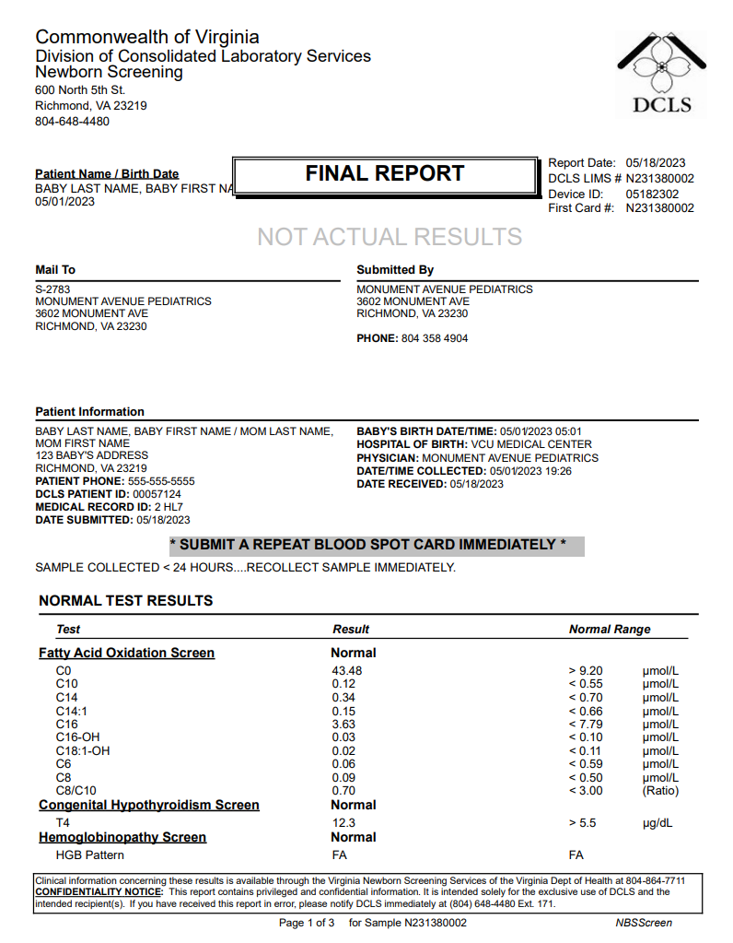
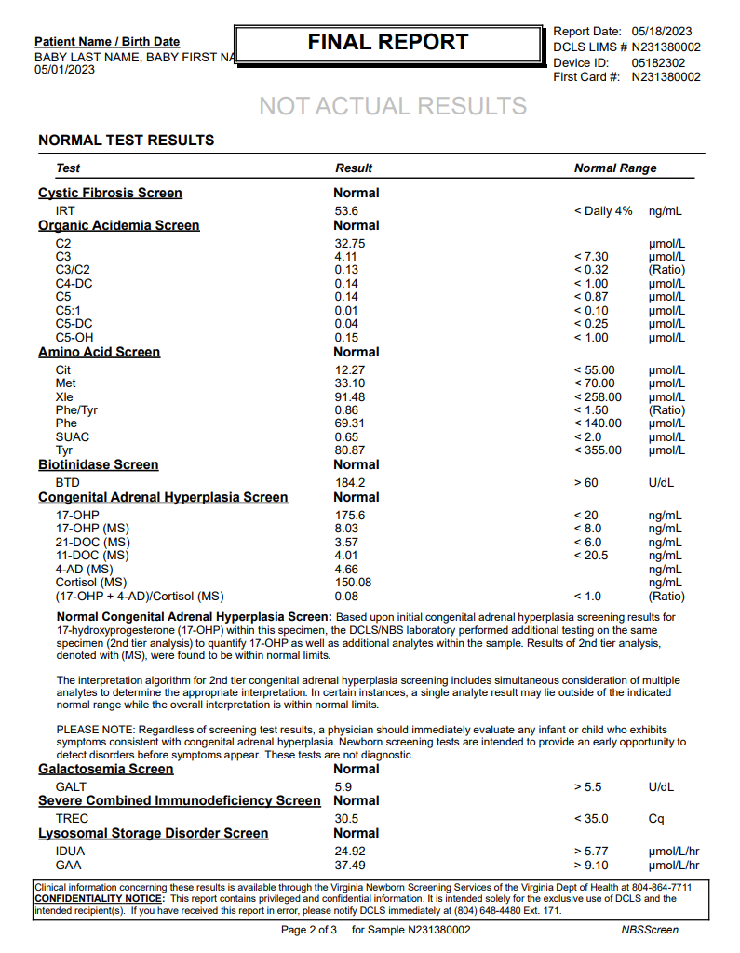
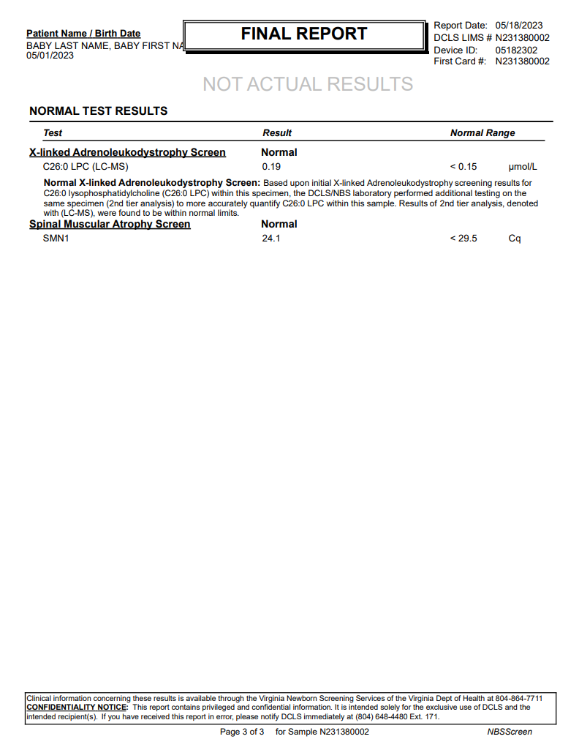
All normal results , CAH & X-ALD 2nd tier included , DOC < 24 hours

MSH|^~\&|VA StarLIMSv10 Prod^2.16.840.1.114222.4.3.3.2.2.4^ISO|VA PHL Richmond^2.16.840.1.114222.4.1.9977^ISO|Receiving Application^Receiving Application OID^ISO|Receiving Facility^Receiving Facility OID^ISO|20230518153825-0400||ORU^R01^ORU_R01|MessageControlID|T|2.5.1|||AL|ER|||||LRI_NG_FRN_Profile^^2.16.840.1.113883.9.195.3.4^ISO~LRI_NDBS_Component^^2.16.840.1.113883.9.195.3.6^ISO
PID|1||2 HL7^^^Receiving Facility&Receiving Facility OID&ISO^MR~00057124^^^VA StarLIMSv10 Prod&2.16.840.1.114222.4.3.3.2.2.4&ISO^PI||BABY LAST NAME^BABY FIRST NAME|MOM MAIDEN|202305010501-0400|F||2028-9^Asian^HL70005|123 BABY'S ADDRESS^^RICHMOND^VA^23219^^^^51999||^^^^^555^5555555|||||||||H^Hispanic or Latino^HL70189||Y|2
NK1|1|MOM LAST NAME^MOM FIRST NAME|MTH^Mother^HL70063||||N^Next-of-Kin^HL70131|||||||||19900501|||||||||||||||||5555^^^SSA&2.16.840.1.113883.4.1&ISO^SS
ORC|RE|10000000^Receiving Facility^Receiving Facility OID^ISO|N231380002^VA PHL Richmond^2.16.840.1.114222.4.1.9977^ISO||||||||||||||||||MONUMENT AVENUE PEDIATRICS^^^^^VA StarLIMSv10 Prod&2.16.840.1.114222.4.3.3.2.2.4&ISO^XX^^^2783|3602 MONUMENT AVE^^RICHMOND^VA^23230^USA|^^^^^804^3584904
OBR|1|10000000^Receiving Facility^Receiving Facility OID^ISO|N231380002^VA PHL Richmond^2.16.840.1.114222.4.1.9977^ISO|57128-1^Newborn Screening Report summary panel^LN|||202305011926-0400|||||||||||||||20230518153313-0400|||F
OBX|1|CWE|57130-7^Newborn screening report - overall interpretation^LN||LA12428-1^All screening is in range for the conditions tested^LN|||N|||F|||202305011926-0400|||||20230518153313-0400||||VA PHL Richmond|600 North 5th Street^^RICHMOND^VA^23219^USA|||||RSLT
NTE|1||* SUBMIT A REPEAT BLOOD SPOT CARD IMMEDIATELY *|RE^Remark^HL70364
NTE|2||SAMPLE COLLECTED < 24 HOURS....RECOLLECT SAMPLE IMMEDIATELY.|RE^Remark^HL70364
OBX|2|CWE|57719-7^Conditions tested for in this newborn screening study [Identifier] in Dried blood spot^LN|Conditions Tested^1^1|65389002^Adrenoleukodystrophy^SCT||||||F|||202305011926-0400|||||20230518153313-0400||||VA PHL Richmond|600 North 5th Street^^RICHMOND^VA^23219^USA|||||RSLT
OBX|3|CWE|57719-7^Conditions tested for in this newborn screening study [Identifier] in Dried blood spot^LN|Conditions Tested^1^2|41013004^Argininosuccinate lyase deficiency^SCT||||||F|||202305011926-0400|||||20230518153313-0400||||VA PHL Richmond|600 North 5th Street^^RICHMOND^VA^23219^USA|||||RSLT
OBX|4|CWE|57719-7^Conditions tested for in this newborn screening study [Identifier] in Dried blood spot^LN|Conditions Tested^1^3|8808004^Biotinidase deficiency^SCT||||||F|||202305011926-0400|||||20230518153313-0400||||VA PHL Richmond|600 North 5th Street^^RICHMOND^VA^23219^USA|||||RSLT
OBX|5|CWE|57719-7^Conditions tested for in this newborn screening study [Identifier] in Dried blood spot^LN|Conditions Tested^1^4|398680004^Citrullinemia^SCT||||||F|||202305011926-0400|||||20230518153313-0400||||VA PHL Richmond|600 North 5th Street^^RICHMOND^VA^23219^USA|||||RSLT
OBX|6|CWE|57719-7^Conditions tested for in this newborn screening study [Identifier] in Dried blood spot^LN|Conditions Tested^1^5|7573000^Classical phenylketonuria^SCT||||||F|||202305011926-0400|||||20230518153313-0400||||VA PHL Richmond|600 North 5th Street^^RICHMOND^VA^23219^USA|||||RSLT
OBX|7|CWE|57719-7^Conditions tested for in this newborn screening study [Identifier] in Dried blood spot^LN|Conditions Tested^1^6|73843004^Cobalamin A disease^SCT||||||F|||202305011926-0400|||||20230518153313-0400||||VA PHL Richmond|600 North 5th Street^^RICHMOND^VA^23219^USA|||||RSLT
OBX|8|CWE|57719-7^Conditions tested for in this newborn screening study [Identifier] in Dried blood spot^LN|Conditions Tested^1^7|82245003^Cobalamin B disease^SCT||||||F|||202305011926-0400|||||20230518153313-0400||||VA PHL Richmond|600 North 5th Street^^RICHMOND^VA^23219^USA|||||RSLT
OBX|9|CWE|57719-7^Conditions tested for in this newborn screening study [Identifier] in Dried blood spot^LN|Conditions Tested^1^8|237751000^Congenital Adrenal Hyperplasia^SCT||||||F|||202305011926-0400|||||20230518153313-0400||||VA PHL Richmond|600 North 5th Street^^RICHMOND^VA^23219^USA|||||RSLT
OBX|10|CWE|57719-7^Conditions tested for in this newborn screening study [Identifier] in Dried blood spot^LN|Conditions Tested^1^9|190268003^Congenital Hypothyroidism^SCT||||||F|||202305011926-0400|||||20230518153313-0400||||VA PHL Richmond|600 North 5th Street^^RICHMOND^VA^23219^USA|||||RSLT
OBX|11|CWE|57719-7^Conditions tested for in this newborn screening study [Identifier] in Dried blood spot^LN|Conditions Tested^1^10|190905008^Cystic Fibrosis^SCT||||||F|||202305011926-0400|||||20230518153313-0400||||VA PHL Richmond|600 North 5th Street^^RICHMOND^VA^23219^USA|||||RSLT
OBX|12|CWE|57719-7^Conditions tested for in this newborn screening study [Identifier] in Dried blood spot^LN|Conditions Tested^1^11|124680001^Deficiency of methylmalonyl-coenzyme A mutase^SCT||||||F|||202305011926-0400|||||20230518153313-0400||||VA PHL Richmond|600 North 5th Street^^RICHMOND^VA^23219^USA|||||RSLT
OBX|13|CWE|57719-7^Conditions tested for in this newborn screening study [Identifier] in Dried blood spot^LN|Conditions Tested^1^12|398664009^Deficiency of uridine triphosphate-hexose-1-phosphate uridylyltransferase^SCT||||||F|||202305011926-0400|||||20230518153313-0400||||VA PHL Richmond|600 North 5th Street^^RICHMOND^VA^23219^USA|||||RSLT
OBX|14|CWE|57719-7^Conditions tested for in this newborn screening study [Identifier] in Dried blood spot^LN|Conditions Tested^1^13|76175005^Glutaric aciduria, type 1^SCT||||||F|||202305011926-0400|||||20230518153313-0400||||VA PHL Richmond|600 North 5th Street^^RICHMOND^VA^23219^USA|||||RSLT
OBX|15|CWE|57719-7^Conditions tested for in this newborn screening study [Identifier] in Dried blood spot^LN|Conditions Tested^1^14|274864009^Glycogen storage disease, type II^SCT||||||F|||202305011926-0400|||||20230518153313-0400||||VA PHL Richmond|600 North 5th Street^^RICHMOND^VA^23219^USA|||||RSLT
OBX|16|CWE|57719-7^Conditions tested for in this newborn screening study [Identifier] in Dried blood spot^LN|Conditions Tested^1^15|127040003^Hereditary hemoglobinopathy disorder homozygous for hemoglobin S^SCT||||||F|||202305011926-0400|||||20230518153313-0400||||VA PHL Richmond|600 North 5th Street^^RICHMOND^VA^23219^USA|||||RSLT
OBX|17|CWE|57719-7^Conditions tested for in this newborn screening study [Identifier] in Dried blood spot^LN|Conditions Tested^1^16|360369003^Holocarboxylase synthase deficiency^SCT||||||F|||202305011926-0400|||||20230518153313-0400||||VA PHL Richmond|600 North 5th Street^^RICHMOND^VA^23219^USA|||||RSLT
OBX|18|CWE|57719-7^Conditions tested for in this newborn screening study [Identifier] in Dried blood spot^LN|Conditions Tested^1^17|11282001^Homocystinuria^SCT||||||F|||202305011926-0400|||||20230518153313-0400||||VA PHL Richmond|600 North 5th Street^^RICHMOND^VA^23219^USA|||||RSLT
OBX|19|CWE|57719-7^Conditions tested for in this newborn screening study [Identifier] in Dried blood spot^LN|Conditions Tested^1^18|410059004^Hydroxymethylglutaric aciduria^SCT||||||F|||202305011926-0400|||||20230518153313-0400||||VA PHL Richmond|600 North 5th Street^^RICHMOND^VA^23219^USA|||||RSLT
OBX|20|CWE|57719-7^Conditions tested for in this newborn screening study [Identifier] in Dried blood spot^LN|Conditions Tested^1^19|307127004^Isolated long chain hydroxyacyl-CoA dehydrogenase deficiency^SCT||||||F|||202305011926-0400|||||20230518153313-0400||||VA PHL Richmond|600 North 5th Street^^RICHMOND^VA^23219^USA|||||RSLT
OBX|21|CWE|57719-7^Conditions tested for in this newborn screening study [Identifier] in Dried blood spot^LN|Conditions Tested^1^20|87827003^Isovaleryl-coenzyme A dehydrogenase deficiency^SCT||||||F|||202305011926-0400|||||20230518153313-0400||||VA PHL Richmond|600 North 5th Street^^RICHMOND^VA^23219^USA|||||RSLT
OBX|22|CWE|57719-7^Conditions tested for in this newborn screening study [Identifier] in Dried blood spot^LN|Conditions Tested^1^21|27718001^Maple Syrup Urine Disease^SCT||||||F|||202305011926-0400|||||20230518153313-0400||||VA PHL Richmond|600 North 5th Street^^RICHMOND^VA^23219^USA|||||RSLT
OBX|23|CWE|57719-7^Conditions tested for in this newborn screening study [Identifier] in Dried blood spot^LN|Conditions Tested^1^22|128596003^Medium-chain acyl-coenzyme A dehydrogenase deficiency^SCT||||||F|||202305011926-0400|||||20230518153313-0400||||VA PHL Richmond|600 North 5th Street^^RICHMOND^VA^23219^USA|||||RSLT
OBX|24|CWE|57719-7^Conditions tested for in this newborn screening study [Identifier] in Dried blood spot^LN|Conditions Tested^1^23|13144005^Methylcrotonyl-coenzyme A carboxylase deficiency^SCT||||||F|||202305011926-0400|||||20230518153313-0400||||VA PHL Richmond|600 North 5th Street^^RICHMOND^VA^23219^USA|||||RSLT
OBX|25|CWE|57719-7^Conditions tested for in this newborn screening study [Identifier] in Dried blood spot^LN|Conditions Tested^1^24|237953006^Mitochondrial 2-methylacetoacetyl-CoA thiolase deficiency - potassium stimulated^SCT||||||F|||202305011926-0400|||||20230518153313-0400||||VA PHL Richmond|600 North 5th Street^^RICHMOND^VA^23219^USA|||||RSLT
OBX|26|CWE|57719-7^Conditions tested for in this newborn screening study [Identifier] in Dried blood spot^LN|Conditions Tested^1^25|237999008^Mitochondrial trifunctional protein deficiency^SCT||||||F|||202305011926-0400|||||20230518153313-0400||||VA PHL Richmond|600 North 5th Street^^RICHMOND^VA^23219^USA|||||RSLT
OBX|27|CWE|57719-7^Conditions tested for in this newborn screening study [Identifier] in Dried blood spot^LN|Conditions Tested^1^26|75610003^Mucopolysaccharidosis type I^SCT||||||F|||202305011926-0400|||||20230518153313-0400||||VA PHL Richmond|600 North 5th Street^^RICHMOND^VA^23219^USA|||||RSLT
OBX|28|CWE|57719-7^Conditions tested for in this newborn screening study [Identifier] in Dried blood spot^LN|Conditions Tested^1^27|69080001^Propionic Acidemia^SCT||||||F|||202305011926-0400|||||20230518153313-0400||||VA PHL Richmond|600 North 5th Street^^RICHMOND^VA^23219^USA|||||RSLT
OBX|29|CWE|57719-7^Conditions tested for in this newborn screening study [Identifier] in Dried blood spot^LN|Conditions Tested^1^28|21764004^Renal carnitine transport defect^SCT||||||F|||202305011926-0400|||||20230518153313-0400||||VA PHL Richmond|600 North 5th Street^^RICHMOND^VA^23219^USA|||||RSLT
OBX|30|CWE|57719-7^Conditions tested for in this newborn screening study [Identifier] in Dried blood spot^LN|Conditions Tested^1^29|31323000^Severe combined immunodeficiency disease^SCT||||||F|||202305011926-0400|||||20230518153313-0400||||VA PHL Richmond|600 North 5th Street^^RICHMOND^VA^23219^USA|||||RSLT
OBX|31|CWE|57719-7^Conditions tested for in this newborn screening study [Identifier] in Dried blood spot^LN|Conditions Tested^1^30|127041004^Sickle cell-beta-thalassemia^SCT||||||F|||202305011926-0400|||||20230518153313-0400||||VA PHL Richmond|600 North 5th Street^^RICHMOND^VA^23219^USA|||||RSLT
OBX|32|CWE|57719-7^Conditions tested for in this newborn screening study [Identifier] in Dried blood spot^LN|Conditions Tested^1^31|35434009^Sickle cell-hemoglobin C disease^SCT||||||F|||202305011926-0400|||||20230518153313-0400||||VA PHL Richmond|600 North 5th Street^^RICHMOND^VA^23219^USA|||||RSLT
OBX|33|CWE|57719-7^Conditions tested for in this newborn screening study [Identifier] in Dried blood spot^LN|Conditions Tested^1^32|5262007^Spinal muscular atrophy^SCT||||||F|||202305011926-0400|||||20230518153313-0400||||VA PHL Richmond|600 North 5th Street^^RICHMOND^VA^23219^USA|||||RSLT
OBX|34|CWE|57719-7^Conditions tested for in this newborn screening study [Identifier] in Dried blood spot^LN|Conditions Tested^1^33|190694001^Tyrosinemia^SCT||||||F|||202305011926-0400|||||20230518153313-0400||||VA PHL Richmond|600 North 5th Street^^RICHMOND^VA^23219^USA|||||RSLT
OBX|35|CWE|57719-7^Conditions tested for in this newborn screening study [Identifier] in Dried blood spot^LN|Conditions Tested^1^34|410056006^Tyrosinemia Type I^SCT||||||F|||202305011926-0400|||||20230518153313-0400||||VA PHL Richmond|600 North 5th Street^^RICHMOND^VA^23219^USA|||||RSLT
OBX|36|CWE|57719-7^Conditions tested for in this newborn screening study [Identifier] in Dried blood spot^LN|Conditions Tested^1^35|237997005^Very long chain acyl-coenzyme A dehydrogenase deficiency^SCT||||||F|||202305011926-0400|||||20230518153313-0400||||VA PHL Richmond|600 North 5th Street^^RICHMOND^VA^23219^USA|||||RSLT
SPM|1|10000000&Receiving Facility&Receiving Facility OID&ISO^N231380002&VA PHL Richmond&2.16.840.1.114222.4.1.9977&ISO||440500007^Blood spot specimen^SCT|||||||||||||202305011926-0400|20230518||||||LA12432-3^Acceptable^LN
ORC|RE|10000000^Receiving Facility^Receiving Facility OID^ISO|N231380002^VA PHL Richmond^2.16.840.1.114222.4.1.9977^ISO||||||||||||||||||MONUMENT AVENUE PEDIATRICS^^^^^VA StarLIMSv10 Prod&2.16.840.1.114222.4.3.3.2.2.4&ISO^XX^^^2783|3602 MONUMENT AVE^^RICHMOND^VA^23230^USA|^^^^^804^3584904
OBR|2|10000000^Receiving Facility^Receiving Facility OID^ISO|N231380002^VA PHL Richmond^2.16.840.1.114222.4.1.9977^ISO|57717-1^Newborn screen card data panel^LN|||202305011926-0400|||||||||||||||20230518153313-0400|||F
OBX|1|NM|57714-8^Obstetric estimation of gestational age^LN||38|wk^week^UCUM|||||O|||202305011926-0400|||||202305181439-0400||||VA PHL Richmond|600 North 5th Street^^RICHMOND^VA^23219^USA|||||QST|AOE
OBX|2|TX|57723-9^Unique bar code number of current sample^LN||05182302||||||O|||202305011926-0400|||||202305181439-0400||||VA PHL Richmond|600 North 5th Street^^RICHMOND^VA^23219^USA|||||QST|AOE
OBX|3|TX|89873-4^Unique identifier [Identifier] of Initial sample^LN||N231380002||||||O|||202305011926-0400|||||202305181439-0400||||VA PHL Richmond|600 North 5th Street^^RICHMOND^VA^23219^USA|||||QST|AOE
OBX|4|NM|58229-6^Body weight measured when specimen taken^LN||3625|g^gram^UCUM|||||O|||202305011926-0400|||||202305181439-0400||||VA PHL Richmond|600 North 5th Street^^RICHMOND^VA^23219^USA|||||QST|AOE
OBX|5|CX|62323-1^Post-discharge provider practice ID^LN||2783^^^^PRN||||||O|||202305011926-0400|||||202305181439-0400||||VA PHL Richmond|600 North 5th Street^^RICHMOND^VA^23219^USA|||||QST|AOE
OBX|6|TX|62324-9^Post-discharge provider practice name^LN||MONUMENT AVENUE PEDIATRICS||||||O|||202305011926-0400|||||202305181439-0400||||VA PHL Richmond|600 North 5th Street^^RICHMOND^VA^23219^USA|||||QST|AOE
OBX|7|XAD|62327-2^Post-discharge provider practice address^LN||3602 MONUMENT AVE^^RICHMOND^VA^23230||||||O|||202305011926-0400|||||202305181439-0400||||VA PHL Richmond|600 North 5th Street^^RICHMOND^VA^23219^USA|||||QST|AOE
...
All normal results , CAH & X-ALD 2nd tier included , DOC < 24 hours
OBX|4|NM|79567-4^Lysophosphatidylcholine (26:0) [Moles/volume] in DBS by LC/MS/MS^LN^^^^^^C26:0 LPC (LC-MS)|X-linked Adrenoleukodystrophy Screen^15^4|0.19|umol/L^micromole per liter^UCUM|< 0.15|N|||F|||202305011926-0400|||||202305181441-0400||||VA PHL Richmond|600 North 5th Street^^RICHMOND^VA^23219^USA|||||RSLT
SPM|1|10000000&Receiving Facility&Receiving Facility OID&ISO^N231380002&VA PHL Richmond&2.16.840.1.114222.4.1.9977&ISO||440500007^Blood spot specimen^SCT|||||||||||||202305011926-0400|20230518||||||LA12432-3^Acceptable^LN
ORC|RE|10000000^Receiving Facility^Receiving Facility OID^ISO|N231380002^VA PHL Richmond^2.16.840.1.114222.4.1.9977^ISO||||||||||||||||||MONUMENT AVENUE PEDIATRICS^^^^^VA StarLIMSv10 Prod&2.16.840.1.114222.4.3.3.2.2.4&ISO^XX^^^2783|3602 MONUMENT AVE^^RICHMOND^VA^23230^USA|^^^^^804^3584904
OBR|16|10000000^Receiving Facility^Receiving Facility OID^ISO|N231380002^VA PHL Richmond^2.16.840.1.114222.4.1.9977^ISO|92005-8^Spinal muscular atrophy newborn screening panel^LN|||202305011926-0400|||||||||||||||20230518153313-0400|||F
OBX|1|CWE|92004-1^Spinal muscular atrophy newborn screen interpretation^LN|Spinal Muscular Atrophy Screen^16^1|LA18592-8^In range^LN|||N|||F|||202305011926-0400|||||202305181439-0400||||VA PHL Richmond|600 North 5th Street^^RICHMOND^VA^23219^USA|||||RSLT
OBX|2|CWE|VAL-0085^SMA condition suspected^L|Spinal Muscular Atrophy Screen^16^2|260413007^None^SCT|||N|||F|||202305011926-0400|||||202305181439-0400||||VA PHL Richmond|600 North 5th Street^^RICHMOND^VA^23219^USA|||||RSLT
OBX|3|NM|92002-5^SMN1 gene [Cycle Threshold #] in DBS by NAA with probe detection^LN^^^^^^SMN1|Spinal Muscular Atrophy Screen^16^3|24.1|Cq^Cq^UCUM|< 29.5|N|||F|||202305011926-0400|||||202305181439-0400||||VA PHL Richmond|600 North 5th Street^^RICHMOND^VA^23219^USA|||||RSLT
SPM|1|10000000&Receiving Facility&Receiving Facility OID&ISO^N231380002&VA PHL Richmond&2.16.840.1.114222.4.1.9977&ISO||440500007^Blood spot specimen^SCT|||||||||||||202305011926-0400|20230518||||||LA12432-3^Acceptable^LN

DCLS PDF Report, p.1 | DCLS PDF Report, p.2 | DCLS PDF Report, p.3

Scenario 3
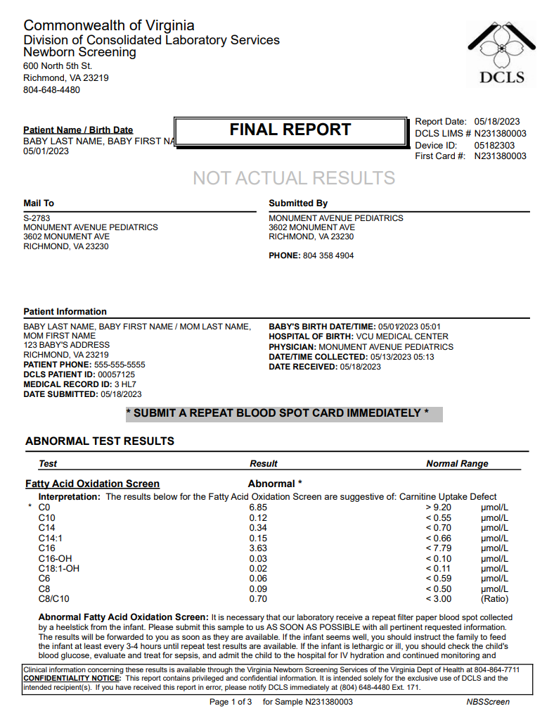
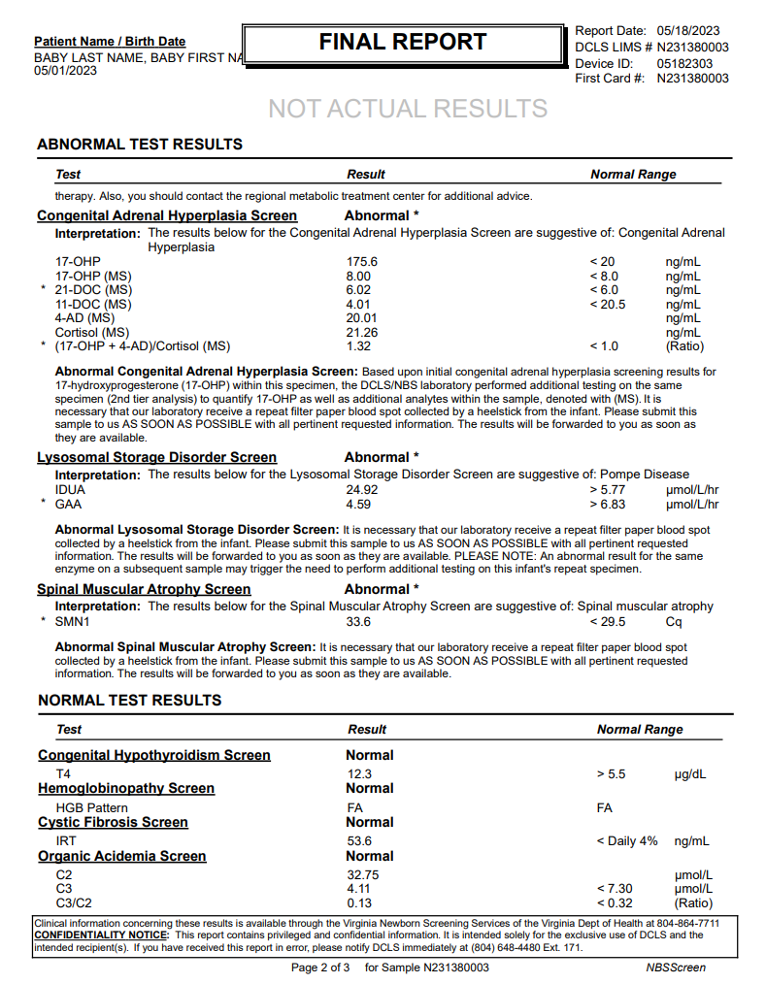
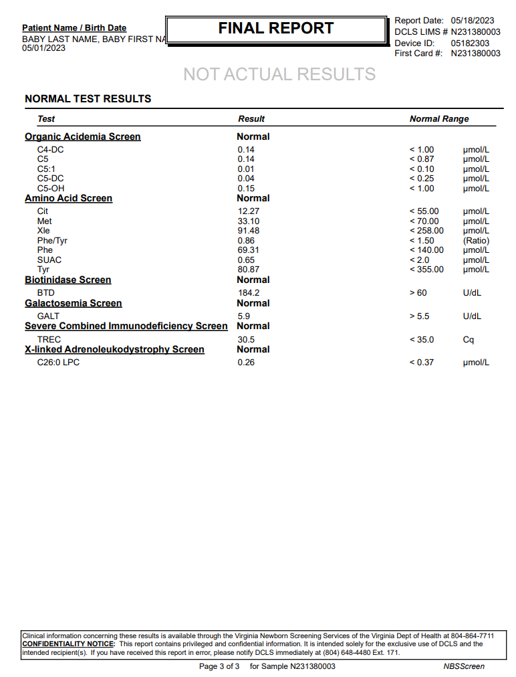
...
Abnormal results
OBX|3|NM|62320-7^T-cell receptor excision circle [#/volume] in Dried blood spot by Probe and target amplification method^LN^^^^^^TREC|Severe Combined Immunodeficiency Screen^16^3|30.5|Cq^Cq^UCUM|< 35.0|N|||F|||202305130513-0400|||||202305181502-0400||||VA PHL Richmond|600 North 5th Street^^RICHMOND^VA^23219^USA|||||RSLT
SPM|1|10000000&Receiving Facility&Receiving Facility OID&ISO^N231380003&VA PHL Richmond&2.16.840.1.114222.4.1.9977&ISO||440500007^Blood spot specimen^SCT|||||||||||||202305130513-0400|20230518||||||LA12432-3^Acceptable^LN
ORC|RE|10000000^Receiving Facility^Receiving Facility OID^ISO|N231380003^VA PHL Richmond^2.16.840.1.114222.4.1.9977^ISO||||||||||||||||||MONUMENT AVENUE PEDIATRICS^^^^^VA StarLIMSv10 Prod&2.16.840.1.114222.4.3.3.2.2.4&ISO^XX^^^2783|3602 MONUMENT AVE^^RICHMOND^VA^23230^USA|^^^^^804^3584904
OBR|16|10000000^Receiving Facility^Receiving Facility OID^ISO|N231380003^VA PHL Richmond^2.16.840.1.114222.4.1.9977^ISO|85267-3^X-linked adrenoleukodystrophy (X-ALD) newborn screening panel^LN|||202305130513-0400|||||||||||||||20230518153110-0400|||F
OBX|1|CWE|85269-9^X-linked adrenoleukodystrophy newborn screen interpretation^LN|X-linked Adrenoleukodystrophy Screen^17^1|LA18592-8^In range^LN|||N|||F|||202305130513-0400|||||202305181502-0400||||VA PHL Richmond|600 North 5th Street^^RICHMOND^VA^23219^USA|||||RSLT
OBX|2|CWE|VAL-0084^X-ALD condition suspected^L|X-linked Adrenoleukodystrophy Screen^17^2|260413007^None^SCT|||N|||F|||202305130513-0400|||||202305181502-0400||||VA PHL Richmond|600 North 5th Street^^RICHMOND^VA^23219^USA|||||RSLT
OBX|3|NM|79321-6^Lysophosphatidylcholine (26:0) [Moles/volume] in DBS^LN^^^^^^C26:0 LPC|X-linked Adrenoleukodystrophy Screen^17^3|0.26|umol/L^micromole per liter^UCUM|< 0.37|N|||F|||202305130513-0400|||||202305181502-0400||||VA PHL Richmond|600 North 5th Street^^RICHMOND^VA^23219^USA|||||RSLT
SPM|1|10000000&Receiving Facility&Receiving Facility OID&ISO^N231380003&VA PHL Richmond&2.16.840.1.114222.4.1.9977&ISO||440500007^Blood spot specimen^SCT|||||||||||||202305130513-0400|20230518||||||LA12432-3^Acceptable^LN

DCLS PDF Report, p.1 | DCLS PDF Report, p.2 | DCLS PDF Report, p.3

Scenario 4
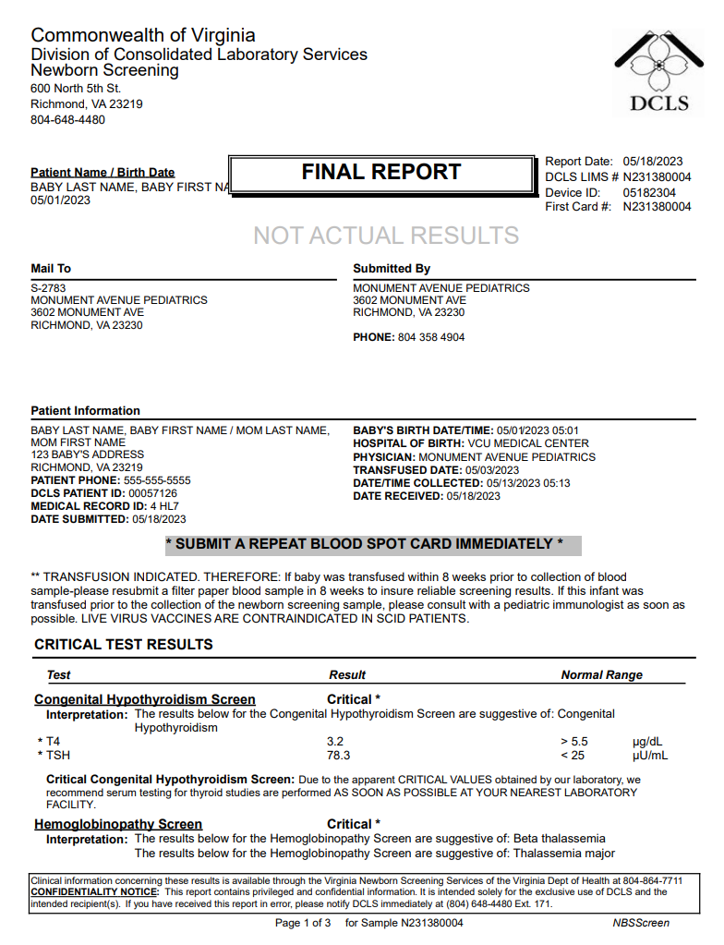
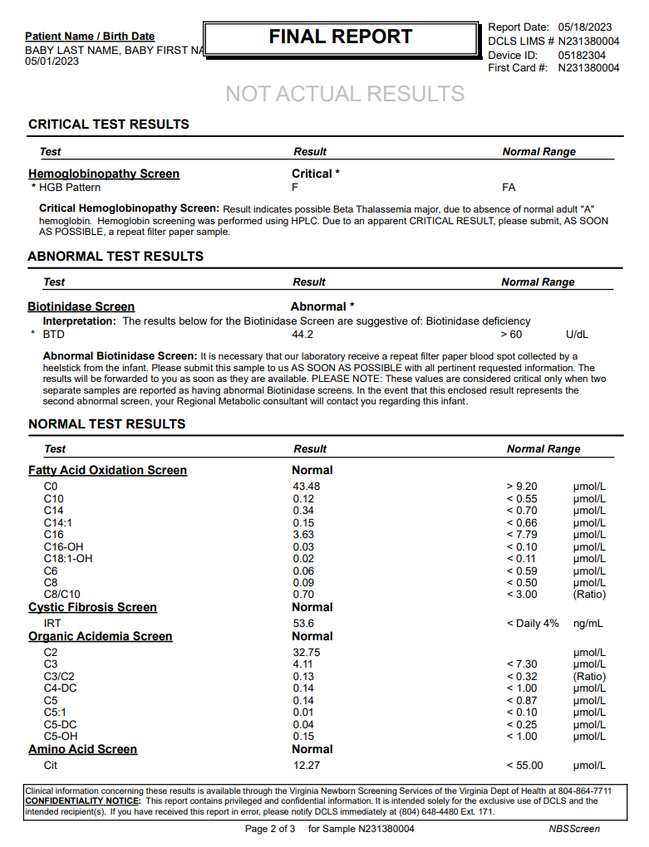
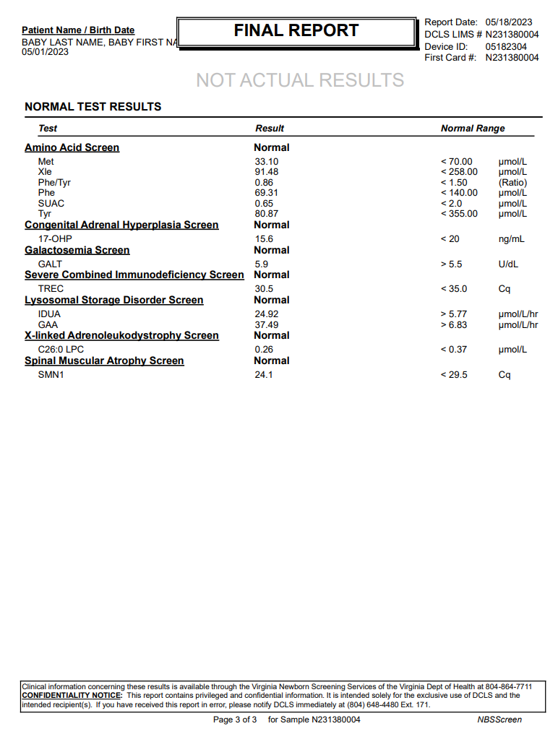
...
Critical results & Transfusion Indicated
OBX|3|NM|79321-6^Lysophosphatidylcholine (26:0) [Moles/volume] in DBS^LN^^^^^^C26:0 LPC|X-linked Adrenoleukodystrophy Screen^16^3|0.26|umol/L^micromole per liter^UCUM|< 0.37|N|||F|||202305130513-0400|||||202305181517-0400||||VA PHL Richmond|600 North 5th Street^^RICHMOND^VA^23219^USA|||||RSLT
SPM|1|10000000&Receiving Facility&Receiving Facility OID&ISO^N231380004&VA PHL Richmond&2.16.840.1.114222.4.1.9977&ISO||440500007^Blood spot specimen^SCT|||||||||||||202305130513-0400|20230518||||||LA12432-3^Acceptable^LN
ORC|RE|10000000^Receiving Facility^Receiving Facility OID^ISO|N231380004^VA PHL Richmond^2.16.840.1.114222.4.1.9977^ISO||||||||||||||||||MONUMENT AVENUE PEDIATRICS^^^^^VA StarLIMSv10 Prod&2.16.840.1.114222.4.3.3.2.2.4&ISO^XX^^^2783|3602 MONUMENT AVE^^RICHMOND^VA^23230^USA|^^^^^804^3584904
OBR|16|10000000^Receiving Facility^Receiving Facility OID^ISO|N231380004^VA PHL Richmond^2.16.840.1.114222.4.1.9977^ISO|92005-8^Spinal muscular atrophy newborn screening panel^LN|||202305130513-0400|||||||||||||||20230518153110-0400|||F
OBX|1|CWE|92004-1^Spinal muscular atrophy newborn screen interpretation^LN|Spinal Muscular Atrophy Screen^17^1|LA18592-8^In range^LN|||N|||F|||202305130513-0400|||||202305181517-0400||||VA PHL Richmond|600 North 5th Street^^RICHMOND^VA^23219^USA|||||RSLT
OBX|2|CWE|VAL-0085^SMA condition suspected^L|Spinal Muscular Atrophy Screen^17^2|260413007^None^SCT|||N|||F|||202305130513-0400|||||202305181517-0400||||VA PHL Richmond|600 North 5th Street^^RICHMOND^VA^23219^USA|||||RSLT
OBX|3|NM|92002-5^SMN1 gene [Cycle Threshold #] in DBS by NAA with probe detection^LN^^^^^^SMN1|Spinal Muscular Atrophy Screen^17^3|24.1|Cq^Cq^UCUM|< 29.5|N|||F|||202305130513-0400|||||202305181517-0400||||VA PHL Richmond|600 North 5th Street^^RICHMOND^VA^23219^USA|||||RSLT
SPM|1|10000000&Receiving Facility&Receiving Facility OID&ISO^N231380004&VA PHL Richmond&2.16.840.1.114222.4.1.9977&ISO||440500007^Blood spot specimen^SCT|||||||||||||202305130513-0400|20230518||||||LA12432-3^Acceptable^LN

DCLS PDF Report, p.1 | DCLS PDF Report, p.2 | DCLS PDF Report, p.3

Scenario 5
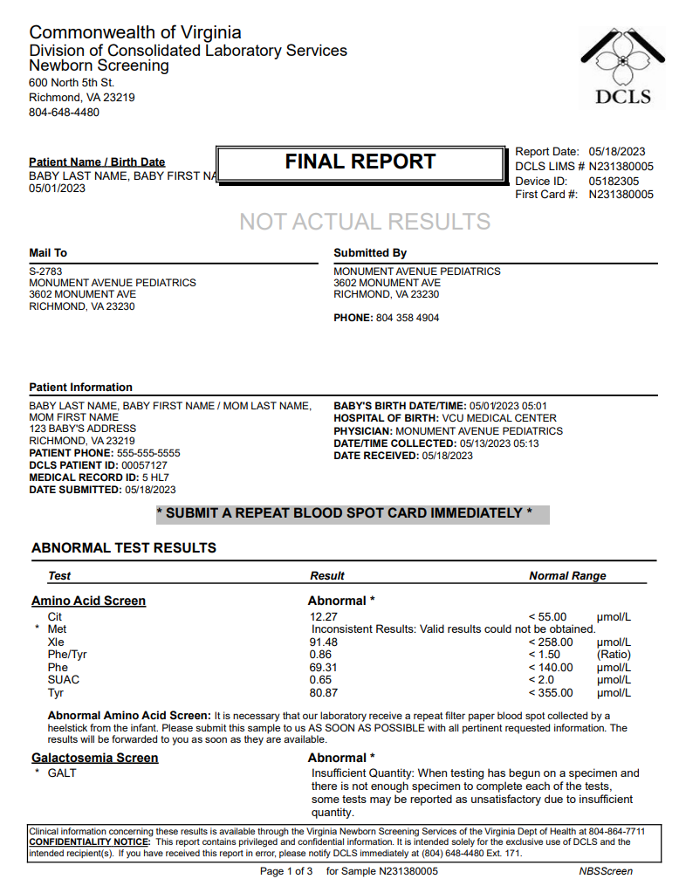
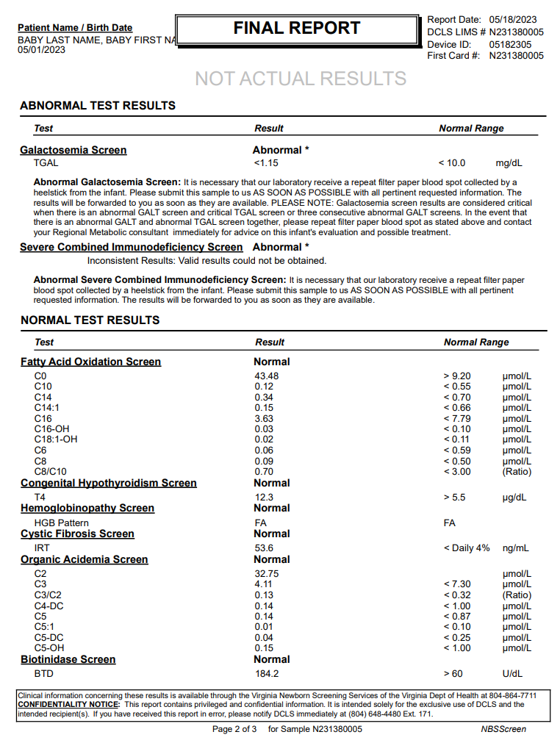
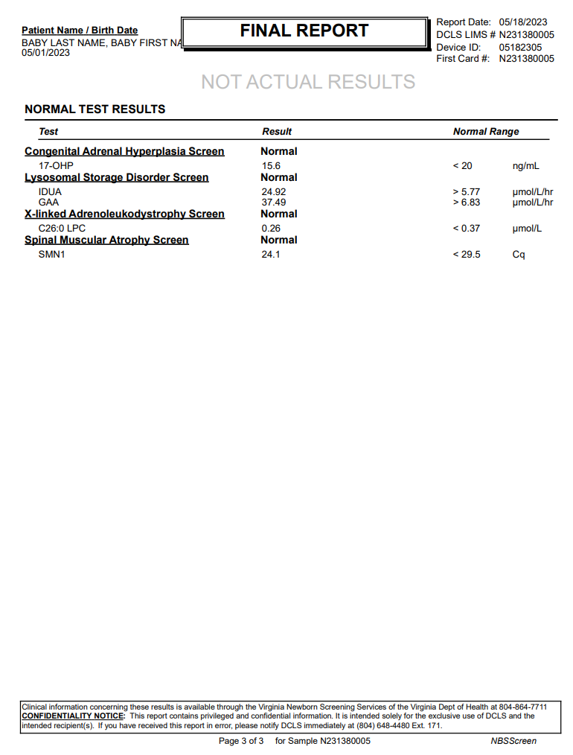
...
Test-level rejections
OBX|3|NM|79321-6^Lysophosphatidylcholine (26:0) [Moles/volume] in DBS^LN^^^^^^C26:0 LPC|X-linked Adrenoleukodystrophy Screen^15^3|0.26|umol/L^micromole per liter^UCUM|< 0.37|N|||F|||202305130513-0400|||||202305181521-0400||||VA PHL Richmond|600 North 5th Street^^RICHMOND^VA^23219^USA|||||RSLT
SPM|1|10000000&Receiving Facility&Receiving Facility OID&ISO^N231380005&VA PHL Richmond&2.16.840.1.114222.4.1.9977&ISO||440500007^Blood spot specimen^SCT|||||||||||||202305130513-0400|20230518||||||LA12432-3^Acceptable^LN
ORC|RE|10000000^Receiving Facility^Receiving Facility OID^ISO|N231380005^VA PHL Richmond^2.16.840.1.114222.4.1.9977^ISO||||||||||||||||||MONUMENT AVENUE PEDIATRICS^^^^^VA StarLIMSv10 Prod&2.16.840.1.114222.4.3.3.2.2.4&ISO^XX^^^2783|3602 MONUMENT AVE^^RICHMOND^VA^23230^USA|^^^^^804^3584904
OBR|16|10000000^Receiving Facility^Receiving Facility OID^ISO|N231380005^VA PHL Richmond^2.16.840.1.114222.4.1.9977^ISO|92005-8^Spinal muscular atrophy newborn screening panel^LN|||202305130513-0400|||||||||||||||20230518153110-0400|||F
OBX|1|CWE|92004-1^Spinal muscular atrophy newborn screen interpretation^LN|Spinal Muscular Atrophy Screen^16^1|LA18592-8^In range^LN|||N|||F|||202305130513-0400|||||202305181521-0400||||VA PHL Richmond|600 North 5th Street^^RICHMOND^VA^23219^USA|||||RSLT
OBX|2|CWE|VAL-0085^SMA condition suspected^L|Spinal Muscular Atrophy Screen^16^2|260413007^None^SCT|||N|||F|||202305130513-0400|||||202305181521-0400||||VA PHL Richmond|600 North 5th Street^^RICHMOND^VA^23219^USA|||||RSLT
OBX|3|NM|92002-5^SMN1 gene [Cycle Threshold #] in DBS by NAA with probe detection^LN^^^^^^SMN1|Spinal Muscular Atrophy Screen^16^3|24.1|Cq^Cq^UCUM|< 29.5|N|||F|||202305130513-0400|||||202305181521-0400||||VA PHL Richmond|600 North 5th Street^^RICHMOND^VA^23219^USA|||||RSLT
SPM|1|10000000&Receiving Facility&Receiving Facility OID&ISO^N231380005&VA PHL Richmond&2.16.840.1.114222.4.1.9977&ISO||440500007^Blood spot specimen^SCT|||||||||||||202305130513-0400|20230518||||||LA12432-3^Acceptable^LN

DCLS PDF Report, p.1 | DCLS PDF Report, p.2 | DCLS PDF Report, p.3

Scenario 6
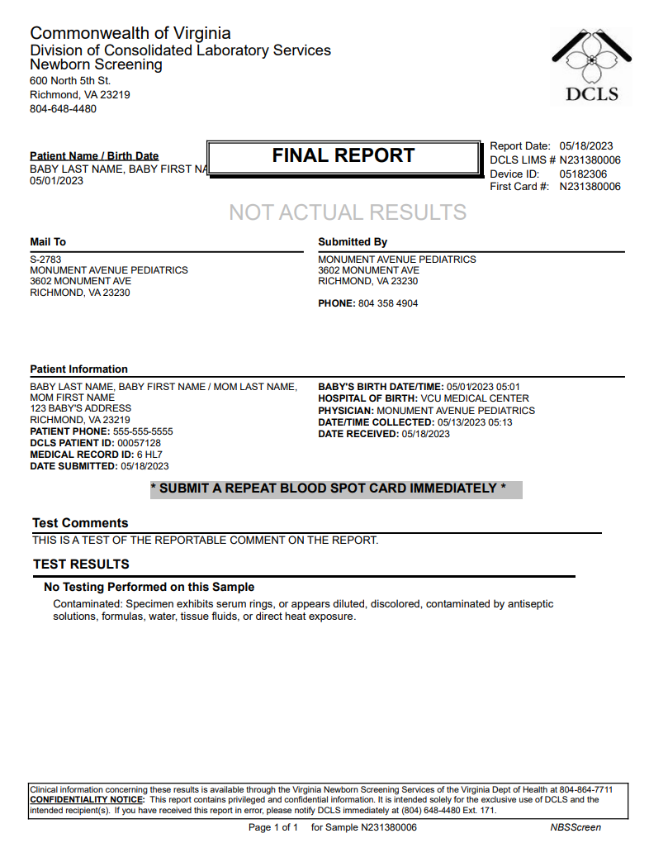
...
Sample rejection
OBX|12|TX|62330-6^Birth hospital facility name^LN||VCU MEDICAL CENTER||||||O|||202305130513-0400|||||20230518-0400||||VA PHL Richmond|600 North 5th Street^^RICHMOND^VA^23219^USA|||||QST|AOE
OBX|13|XAD|62331-4^Birth hospital facility address^LN||P.O. BOX 985849^ATTN: CAROL MCCLURE^RICHMOND^VA^23298||||||O|||202305130513-0400|||||20230518-0400||||VA PHL Richmond|600 North 5th Street^^RICHMOND^VA^23219^USA|||||QST|AOE
OBX|14|XTN|62332-2^Birth hospital facility phone number^LN||^^^^^804^8286524||||||O|||202305130513-0400|||||20230518-0400||||VA PHL Richmond|600 North 5th Street^^RICHMOND^VA^23219^USA|||||QST|AOE
OBX|15|CWE|67704-7^Feeding Types^LN|Feeding Types^1^1|LA16914-6^Breast Milk^LN||||||O|||202305130513-0400|||||20230518-0400||||VA PHL Richmond|600 North 5th Street^^RICHMOND^VA^23219^USA|||||QST|AOE
OBX|16|CWE|67704-7^Feeding Types^LN|Feeding Types^1^2|LA46-8^Other^LN||||||O|||202305130513-0400|||||20230518-0400||||VA PHL Richmond|600 North 5th Street^^RICHMOND^VA^23219^USA|||||QST|AOE
OBX|17|TX|67705-4^Other feeding types^LN||OTHER FEED TYPE||||||O|||202305130513-0400|||||20230518-0400||||VA PHL Richmond|600 North 5th Street^^RICHMOND^VA^23219^USA|||||QST|AOE
OBX|18|CE|55197-8^Transfusion status Qualitative^LN||N^No^HL70136||||||O|||202305130513-0400|||||20230518-0400||||VA PHL Richmond|600 North 5th Street^^RICHMOND^VA^23219^USA|||||QST|AOE
SPM|1|10000000&Receiving Facility&Receiving Facility OID&ISO^N231380006&VA PHL Richmond&2.16.840.1.114222.4.1.9977&ISO||440500007^Blood spot specimen^SCT|||||||||||||202305130513-0400|20230518|||VA-00906^Contaminated^L|||125154007^Specimen unsatisfactory for evaluation^SCT

DCLS PDF Report, p.1

Scenario 7a
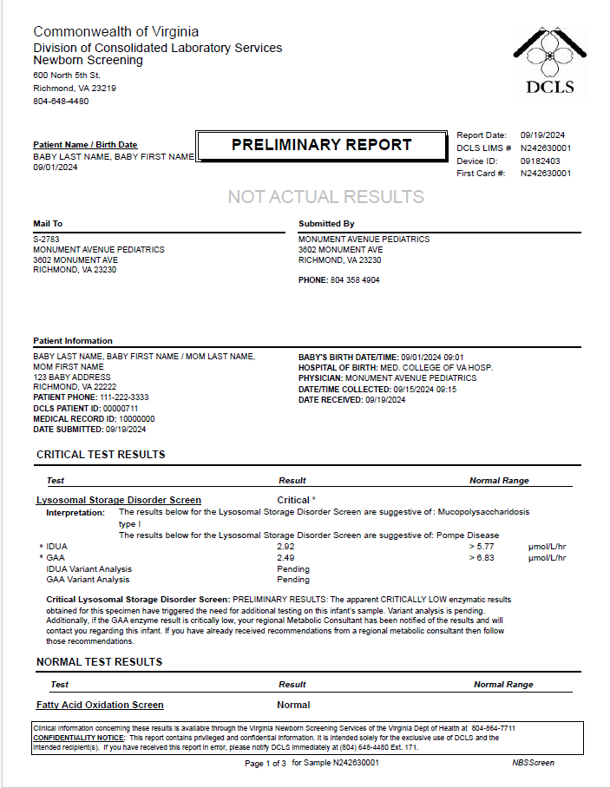
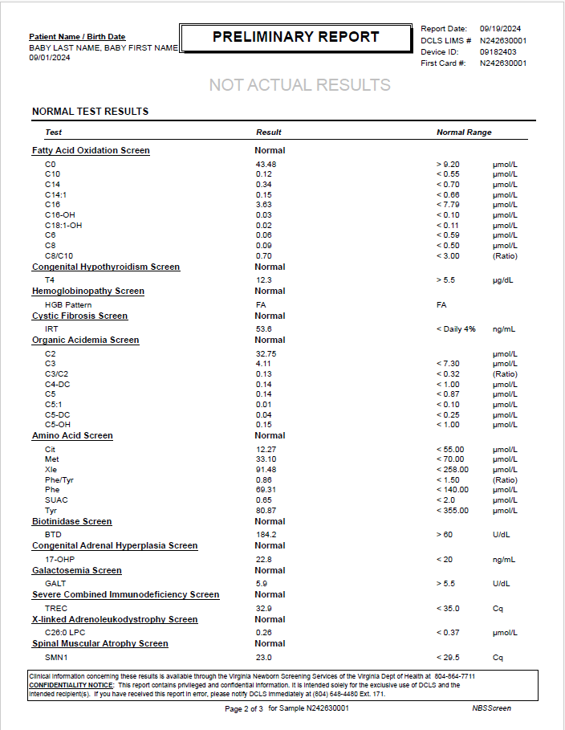

...
LSD sequencing pending - GAA & IDUA
SPM|1|10000000&Receiving Facility&Receiving Facility OID&ISO^N242630001&VA PHL Richmond&2.16.840.1.114222.4.1.9977&ISO||440500007^Blood spot specimen^SCT|||||||||||||202409150915-0500|20240919||||||LA12432-3^Acceptable^LN
ORC|RE|10000000^Receiving Facility^Receiving Facility OID^ISO|N242630001^VA PHL Richmond^2.16.840.1.114222.4.1.9977^ISO||||||||||||||||||MONUMENT AVENUE PEDIATRICS^^^^^VA StarLIMSv10 Prod&2.16.840.1.114222.4.3.3.2.2.4&ISO^XX^^^2783|3602 MONUMENT AVE^^RICHMOND^VA^23230^USA|^^^^^804^3584904
OBR|16|10000000^Receiving Facility^Receiving Facility OID^ISO|N242630001^VA PHL Richmond^2.16.840.1.114222.4.1.9977^ISO|92005-8^Spinal muscular atrophy newborn screening panel^LN|||202409150915-0500|||||||||||||||20240919162623-0500|||F
OBX|1|CWE|92004-1^Spinal muscular atrophy newborn screen interpretation^LN|Spinal Muscular Atrophy Screen^18^1|LA18592-8^In range^LN|||N|||F|||202409150915-0500|||||202409191625-0500||||VA PHL Richmond|600 North 5th Street^^RICHMOND^VA^23219^USA|||||RSLT
OBX|2|CWE|VAL-0085^SMA condition suspected^L|Spinal Muscular Atrophy Screen^18^2|260413007^None^SCT|||N|||F|||202409150915-0500|||||202409191625-0500||||VA PHL Richmond|600 North 5th Street^^RICHMOND^VA^23219^USA|||||RSLT
OBX|3|NM|92002-5^SMN1 gene [Cycle Threshold #] in DBS by NAA with probe detection^LN^^^^^^SMN1|Spinal Muscular Atrophy Screen^18^3|23.0|Cq^Cq^UCUM|< 29.5|N|||F|||202409150915-0500|||||202409191625-0500||||VA PHL Richmond|600 North 5th Street^^RICHMOND^VA^23219^USA|||||RSLT
SPM|1|10000000&Receiving Facility&Receiving Facility OID&ISO^N242630001&VA PHL Richmond&2.16.840.1.114222.4.1.9977&ISO||440500007^Blood spot specimen^SCT|||||||||||||202409150915-0500|20240919||||||LA12432-3^Acceptable^LN

DCLS PDF Report, p.1 | DCLS PDF Report, p.2 | DCLS PDF Report, p.3

Scenario 7b
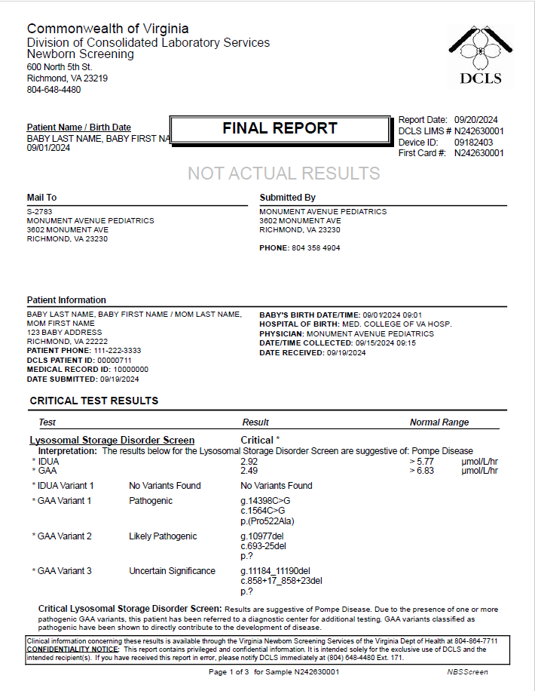
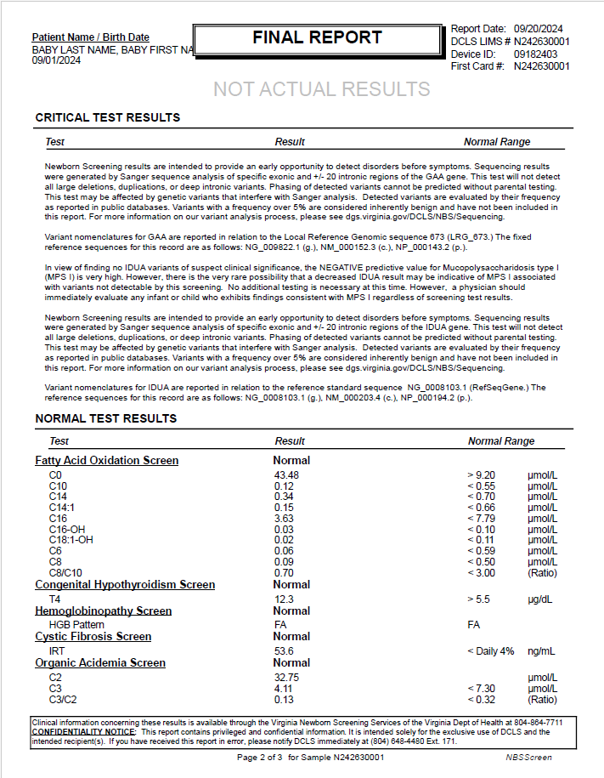
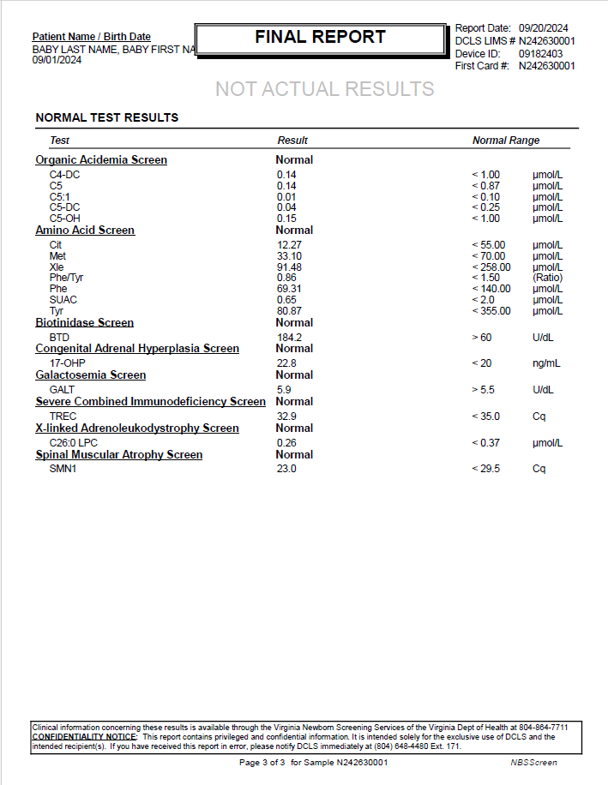
...
LSD sequencing complete
SPM|1|10000000&Receiving Facility&Receiving Facility OID&ISO^N242630001&VA PHL Richmond&2.16.840.1.114222.4.1.9977&ISO||440500007^Blood spot specimen^SCT|||||||||||||202409150915-0500|20240919||||||LA12432-3^Acceptable^LN
ORC|RE|10000000^Receiving Facility^Receiving Facility OID^ISO|N242630001^VA PHL Richmond^2.16.840.1.114222.4.1.9977^ISO||||||||||||||||||MONUMENT AVENUE PEDIATRICS^^^^^VA StarLIMSv10 Prod&2.16.840.1.114222.4.3.3.2.2.4&ISO^XX^^^2783|3602 MONUMENT AVE^^RICHMOND^VA^23230^USA|^^^^^804^3584904
OBR|16|10000000^Receiving Facility^Receiving Facility OID^ISO|N242630001^VA PHL Richmond^2.16.840.1.114222.4.1.9977^ISO|92005-8^Spinal muscular atrophy newborn screening panel^LN|||202409150915-0500|||||||||||||||20240920072534-0500|||F
OBX|1|CWE|92004-1^Spinal muscular atrophy newborn screen interpretation^LN|Spinal Muscular Atrophy Screen^18^1|LA18592-8^In range^LN|||N|||F|||202409150915-0500|||||202409191625-0500||||VA PHL Richmond|600 North 5th Street^^RICHMOND^VA^23219^USA|||||RSLT
OBX|2|CWE|VAL-0085^SMA condition suspected^L|Spinal Muscular Atrophy Screen^18^2|260413007^None^SCT|||N|||F|||202409150915-0500|||||202409191625-0500||||VA PHL Richmond|600 North 5th Street^^RICHMOND^VA^23219^USA|||||RSLT
OBX|3|NM|92002-5^SMN1 gene [Cycle Threshold #] in DBS by NAA with probe detection^LN^^^^^^SMN1|Spinal Muscular Atrophy Screen^18^3|23.0|Cq^Cq^UCUM|< 29.5|N|||F|||202409150915-0500|||||202409191625-0500||||VA PHL Richmond|600 North 5th Street^^RICHMOND^VA^23219^USA|||||RSLT
SPM|1|10000000&Receiving Facility&Receiving Facility OID&ISO^N242630001&VA PHL Richmond&2.16.840.1.114222.4.1.9977&ISO||440500007^Blood spot specimen^SCT|||||||||||||202409150915-0500|20240919||||||LA12432-3^Acceptable^LN

DCLS PDF Report, p.1 | DCLS PDF Report, p.2 | DCLS PDF Report, p.3

Scenario 8a
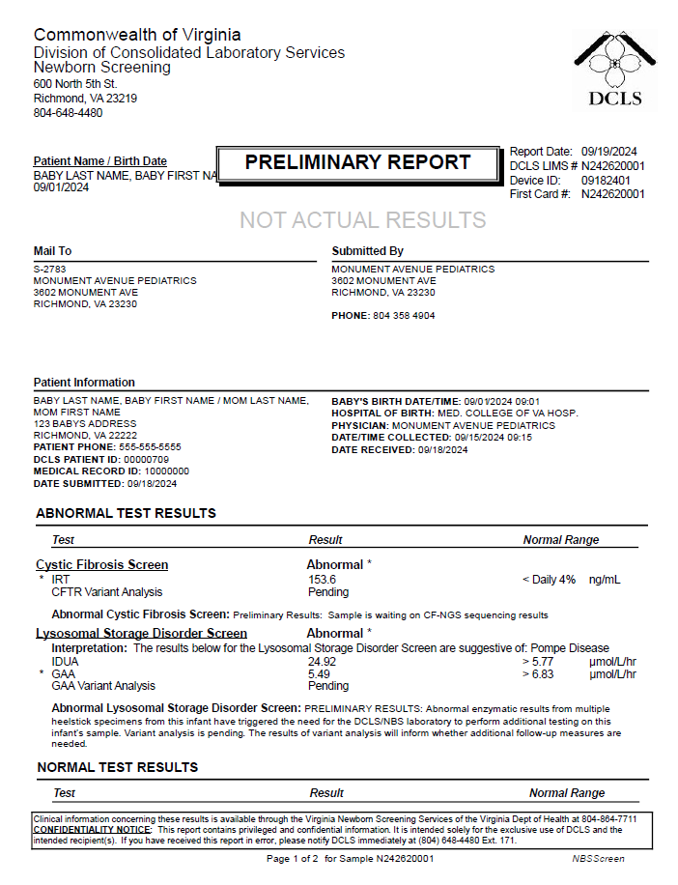
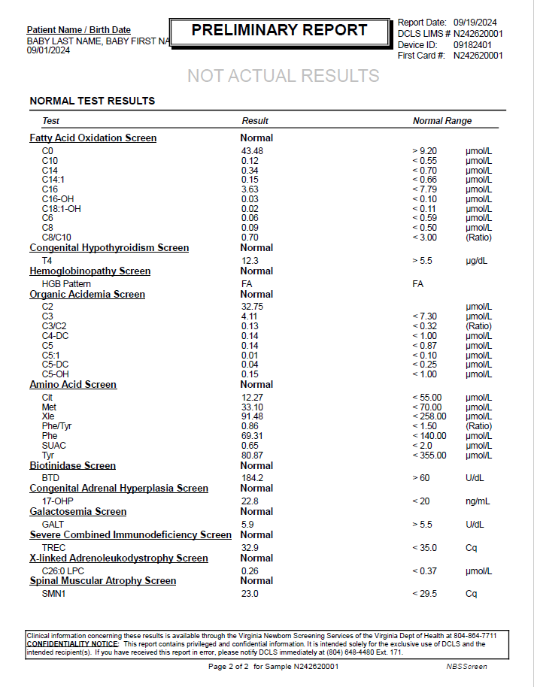
...
CFTR variant analysis pending & LSD sequencing (GAA) pending
SPM|1|10000000&Receiving Facility&Receiving Facility OID&ISO^N242620001&VA PHL Richmond&2.16.840.1.114222.4.1.9977&ISO||440500007^Blood spot specimen^SCT|||||||||||||202409150915-0500|20240918||||||LA12432-3^Acceptable^LN
ORC|RE|10000000^Receiving Facility^Receiving Facility OID^ISO|N242620001^VA PHL Richmond^2.16.840.1.114222.4.1.9977^ISO||||||||||||||||||MONUMENT AVENUE PEDIATRICS^^^^^VA StarLIMSv10 Prod&2.16.840.1.114222.4.3.3.2.2.4&ISO^XX^^^2783|3602 MONUMENT AVE^^RICHMOND^VA^23230^USA|^^^^^804^3584904
OBR|16|10000000^Receiving Facility^Receiving Facility OID^ISO|N242620001^VA PHL Richmond^2.16.840.1.114222.4.1.9977^ISO|92005-8^Spinal muscular atrophy newborn screening panel^LN|||202409150915-0500|||||||||||||||20240919115559-0500|||F
OBX|1|CWE|92004-1^Spinal muscular atrophy newborn screen interpretation^LN|Spinal Muscular Atrophy Screen^19^1|LA18592-8^In range^LN|||N|||F|||202409150915-0500|||||202409191153-0500||||VA PHL Richmond|600 North 5th Street^^RICHMOND^VA^23219^USA|||||RSLT
OBX|2|CWE|VAL-0085^SMA condition suspected^L|Spinal Muscular Atrophy Screen^19^2|260413007^None^SCT|||N|||F|||202409150915-0500|||||202409191153-0500||||VA PHL Richmond|600 North 5th Street^^RICHMOND^VA^23219^USA|||||RSLT
OBX|3|NM|92002-5^SMN1 gene [Cycle Threshold #] in DBS by NAA with probe detection^LN^^^^^^SMN1|Spinal Muscular Atrophy Screen^19^3|23.0|Cq^Cq^UCUM|< 29.5|N|||F|||202409150915-0500|||||202409191153-0500||||VA PHL Richmond|600 North 5th Street^^RICHMOND^VA^23219^USA|||||RSLT
SPM|1|10000000&Receiving Facility&Receiving Facility OID&ISO^N242620001&VA PHL Richmond&2.16.840.1.114222.4.1.9977&ISO||440500007^Blood spot specimen^SCT|||||||||||||202409150915-0500|20240918||||||LA12432-3^Acceptable^LN

DCLS PDF Report, p.1 | DCLS PDF Report, p.2

Scenario 8b
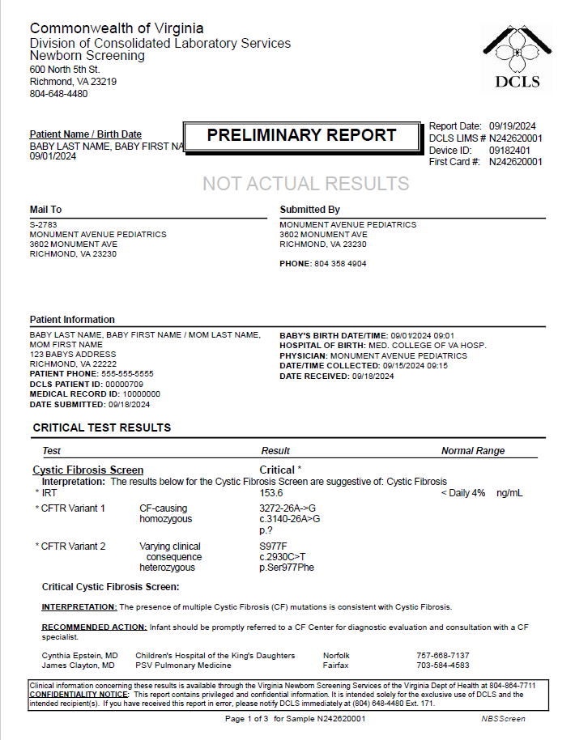
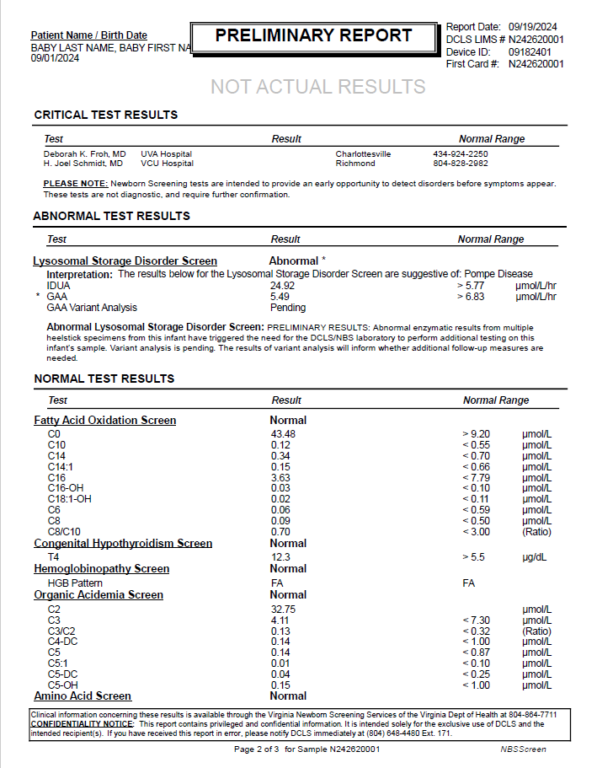
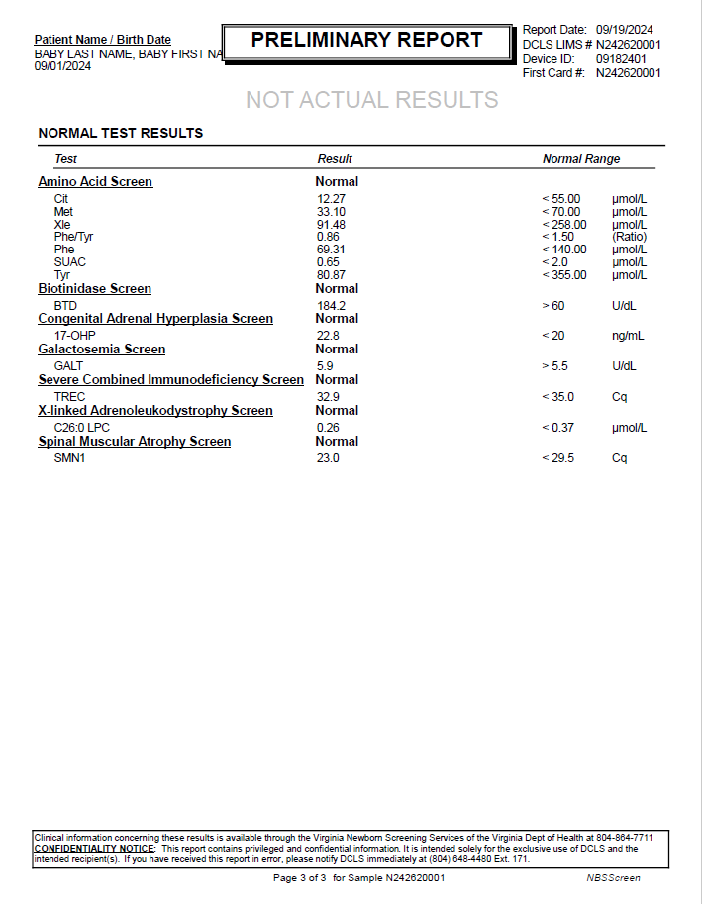
...
CFTR variant analysis complete, LSD sequencing pending
SPM|1|10000000&Receiving Facility&Receiving Facility OID&ISO^N242620001&VA PHL Richmond&2.16.840.1.114222.4.1.9977&ISO||440500007^Blood spot specimen^SCT|||||||||||||202409150915-0500|20240918||||||LA12432-3^Acceptable^LN
ORC|RE|10000000^Receiving Facility^Receiving Facility OID^ISO|N242620001^VA PHL Richmond^2.16.840.1.114222.4.1.9977^ISO||||||||||||||||||MONUMENT AVENUE PEDIATRICS^^^^^VA StarLIMSv10 Prod&2.16.840.1.114222.4.3.3.2.2.4&ISO^XX^^^2783|3602 MONUMENT AVE^^RICHMOND^VA^23230^USA|^^^^^804^3584904
OBR|16|10000000^Receiving Facility^Receiving Facility OID^ISO|N242620001^VA PHL Richmond^2.16.840.1.114222.4.1.9977^ISO|92005-8^Spinal muscular atrophy newborn screening panel^LN|||202409150915-0500|||||||||||||||20240919122719-0500|||F
OBX|1|CWE|92004-1^Spinal muscular atrophy newborn screen interpretation^LN|Spinal Muscular Atrophy Screen^19^1|LA18592-8^In range^LN|||N|||F|||202409150915-0500|||||202409191153-0500||||VA PHL Richmond|600 North 5th Street^^RICHMOND^VA^23219^USA|||||RSLT
OBX|2|CWE|VAL-0085^SMA condition suspected^L|Spinal Muscular Atrophy Screen^19^2|260413007^None^SCT|||N|||F|||202409150915-0500|||||202409191153-0500||||VA PHL Richmond|600 North 5th Street^^RICHMOND^VA^23219^USA|||||RSLT
OBX|3|NM|92002-5^SMN1 gene [Cycle Threshold #] in DBS by NAA with probe detection^LN^^^^^^SMN1|Spinal Muscular Atrophy Screen^19^3|23.0|Cq^Cq^UCUM|< 29.5|N|||F|||202409150915-0500|||||202409191153-0500||||VA PHL Richmond|600 North 5th Street^^RICHMOND^VA^23219^USA|||||RSLT
SPM|1|10000000&Receiving Facility&Receiving Facility OID&ISO^N242620001&VA PHL Richmond&2.16.840.1.114222.4.1.9977&ISO||440500007^Blood spot specimen^SCT|||||||||||||202409150915-0500|20240918||||||LA12432-3^Acceptable^LN

DCLS PDF Report, p.1 | DCLS PDF Report, p.2 | DCLS PDF Report, p.3

Scenario 8c
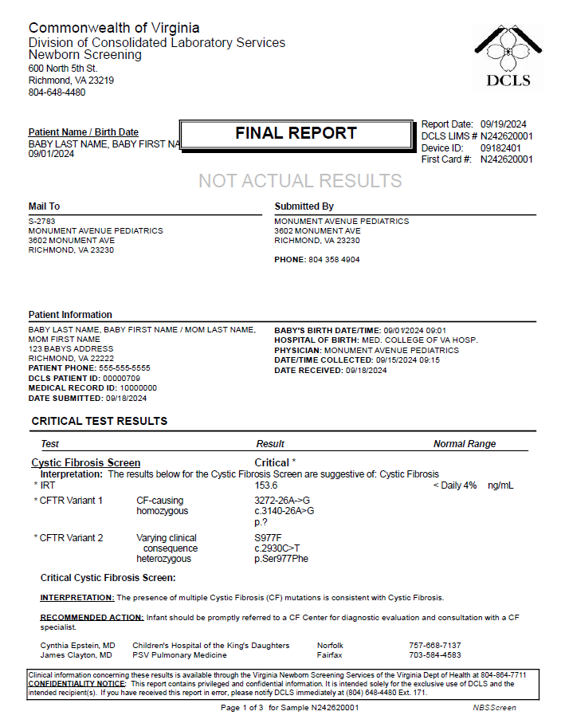
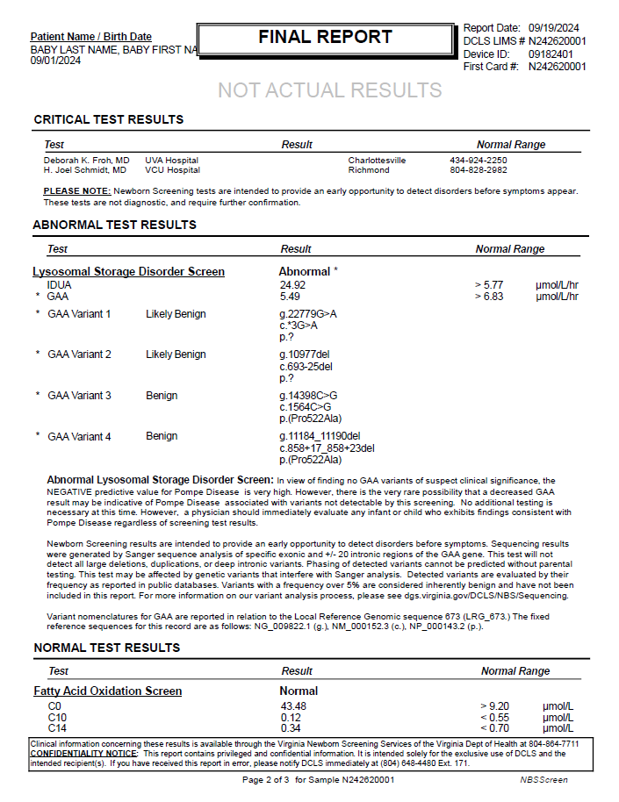
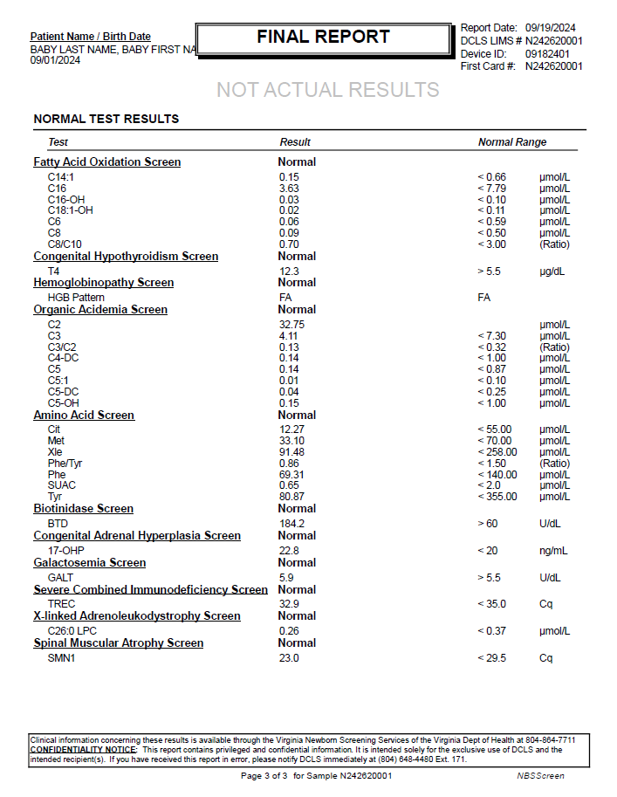
...
LSD Sequencing complete
SPM|1|10000000&Receiving Facility&Receiving Facility OID&ISO^N242620001&VA PHL Richmond&2.16.840.1.114222.4.1.9977&ISO||440500007^Blood spot specimen^SCT|||||||||||||202409150915-0500|20240918||||||LA12432-3^Acceptable^LN
ORC|RE|10000000^Receiving Facility^Receiving Facility OID^ISO|N242620001^VA PHL Richmond^2.16.840.1.114222.4.1.9977^ISO||||||||||||||||||MONUMENT AVENUE PEDIATRICS^^^^^VA StarLIMSv10 Prod&2.16.840.1.114222.4.3.3.2.2.4&ISO^XX^^^2783|3602 MONUMENT AVE^^RICHMOND^VA^23230^USA|^^^^^804^3584904
OBR|16|10000000^Receiving Facility^Receiving Facility OID^ISO|N242620001^VA PHL Richmond^2.16.840.1.114222.4.1.9977^ISO|92005-8^Spinal muscular atrophy newborn screening panel^LN|||202409150915-0500|||||||||||||||20240919124327-0500|||F
OBX|1|CWE|92004-1^Spinal muscular atrophy newborn screen interpretation^LN|Spinal Muscular Atrophy Screen^19^1|LA18592-8^In range^LN|||N|||F|||202409150915-0500|||||202409191153-0500||||VA PHL Richmond|600 North 5th Street^^RICHMOND^VA^23219^USA|||||RSLT
OBX|2|CWE|VAL-0085^SMA condition suspected^L|Spinal Muscular Atrophy Screen^19^2|260413007^None^SCT|||N|||F|||202409150915-0500|||||202409191153-0500||||VA PHL Richmond|600 North 5th Street^^RICHMOND^VA^23219^USA|||||RSLT
OBX|3|NM|92002-5^SMN1 gene [Cycle Threshold #] in DBS by NAA with probe detection^LN^^^^^^SMN1|Spinal Muscular Atrophy Screen^19^3|23.0|Cq^Cq^UCUM|< 29.5|N|||F|||202409150915-0500|||||202409191153-0500||||VA PHL Richmond|600 North 5th Street^^RICHMOND^VA^23219^USA|||||RSLT
SPM|1|10000000&Receiving Facility&Receiving Facility OID&ISO^N242620001&VA PHL Richmond&2.16.840.1.114222.4.1.9977&ISO||440500007^Blood spot specimen^SCT|||||||||||||202409150915-0500|20240918||||||LA12432-3^Acceptable^LN

DCLS PDF Report, p.1 | DCLS PDF Report, p.2 | DCLS PDF Report, p.3

Scenario 9
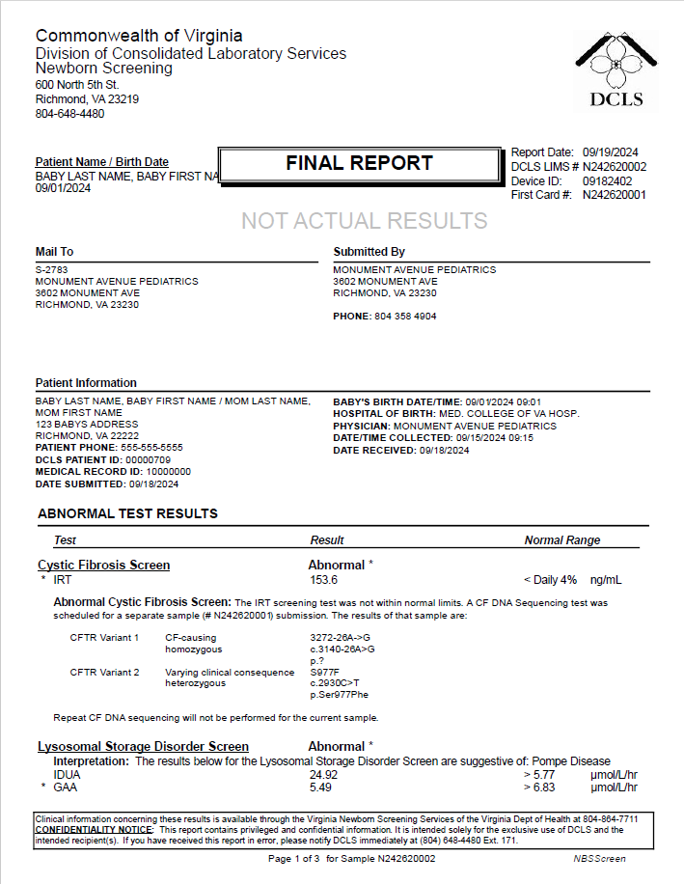
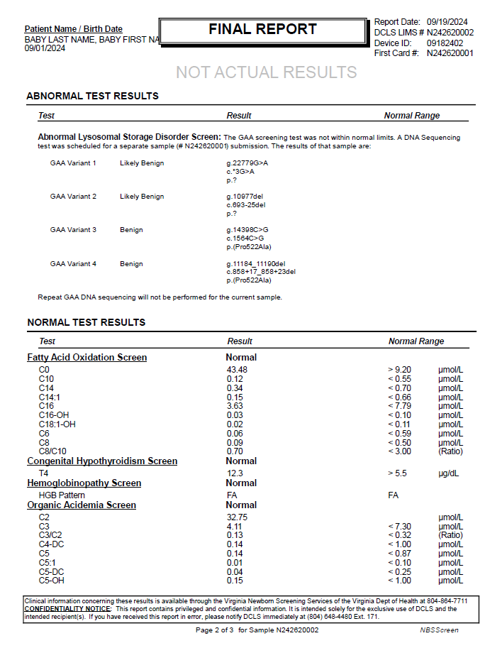
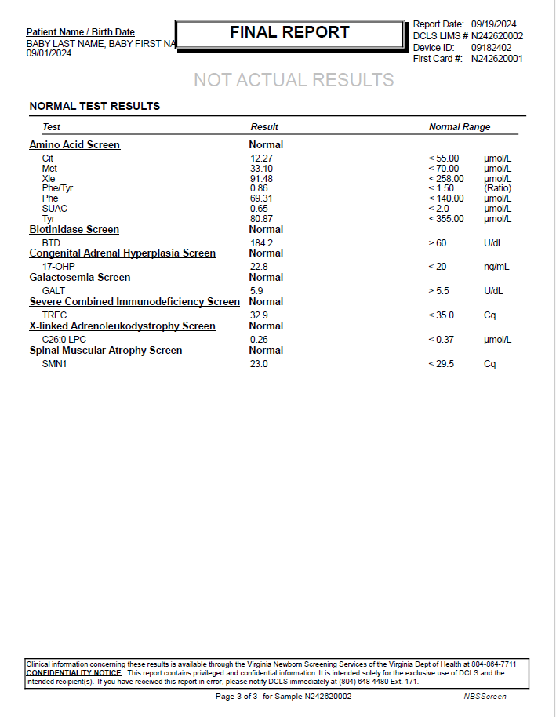
...
CF recall + LSD recall
SPM|1|10000000&Receiving Facility&Receiving Facility OID&ISO^N242620002&VA PHL Richmond&2.16.840.1.114222.4.1.9977&ISO||440500007^Blood spot specimen^SCT|||||||||||||202409150915-0500|20240918||||||LA12432-3^Acceptable^LN
ORC|RE|10000000^Receiving Facility^Receiving Facility OID^ISO|N242620002^VA PHL Richmond^2.16.840.1.114222.4.1.9977^ISO||||||||||||||||||MONUMENT AVENUE PEDIATRICS^^^^^VA StarLIMSv10 Prod&2.16.840.1.114222.4.3.3.2.2.4&ISO^XX^^^2783|3602 MONUMENT AVE^^RICHMOND^VA^23230^USA|^^^^^804^3584904
OBR|16|10000000^Receiving Facility^Receiving Facility OID^ISO|N242620002^VA PHL Richmond^2.16.840.1.114222.4.1.9977^ISO|92005-8^Spinal muscular atrophy newborn screening panel^LN|||202409150915-0500|||||||||||||||20240919124836-0500|||F
OBX|1|CWE|92004-1^Spinal muscular atrophy newborn screen interpretation^LN|Spinal Muscular Atrophy Screen^16^1|LA18592-8^In range^LN|||N|||F|||202409150915-0500|||||202409191247-0500||||VA PHL Richmond|600 North 5th Street^^RICHMOND^VA^23219^USA|||||RSLT
OBX|2|CWE|VAL-0085^SMA condition suspected^L|Spinal Muscular Atrophy Screen^16^2|260413007^None^SCT|||N|||F|||202409150915-0500|||||202409191247-0500||||VA PHL Richmond|600 North 5th Street^^RICHMOND^VA^23219^USA|||||RSLT
OBX|3|NM|92002-5^SMN1 gene [Cycle Threshold #] in DBS by NAA with probe detection^LN^^^^^^SMN1|Spinal Muscular Atrophy Screen^16^3|23.0|Cq^Cq^UCUM|< 29.5|N|||F|||202409150915-0500|||||202409191247-0500||||VA PHL Richmond|600 North 5th Street^^RICHMOND^VA^23219^USA|||||RSLT
SPM|1|10000000&Receiving Facility&Receiving Facility OID&ISO^N242620002&VA PHL Richmond&2.16.840.1.114222.4.1.9977&ISO||440500007^Blood spot specimen^SCT|||||||||||||202409150915-0500|20240918||||||LA12432-3^Acceptable^LN

DCLS PDF Report, p.1 | DCLS PDF Report, p.2 | DCLS PDF Report, p.3

Scenario 10a
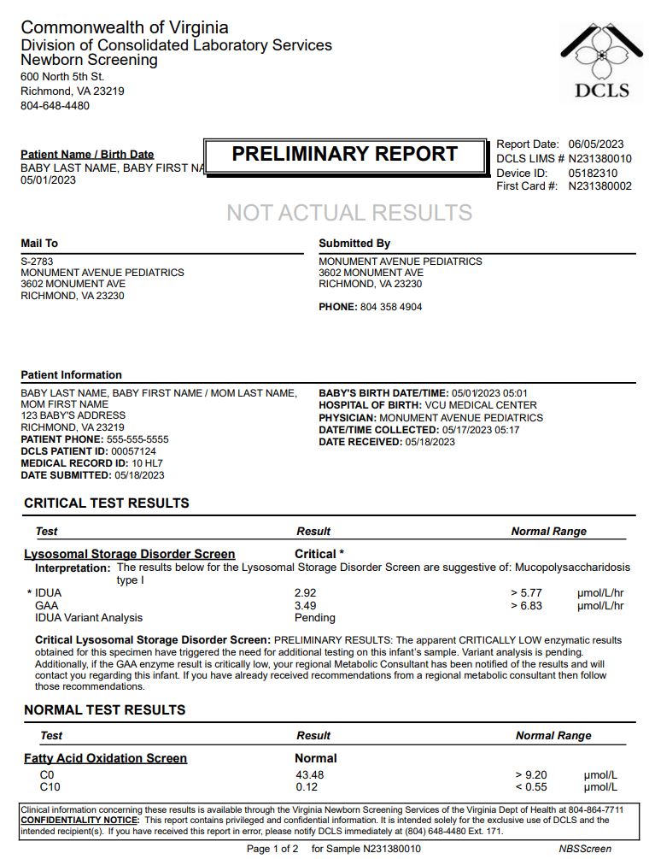
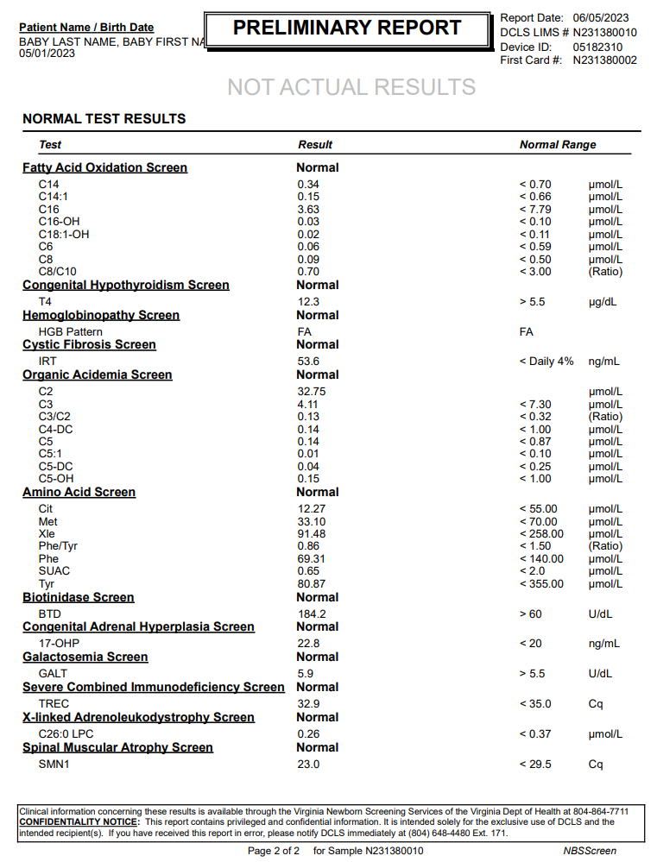
...
LSD sequencing pending, recall
OBX|3|NM|79321-6^Lysophosphatidylcholine (26:0) [Moles/volume] in DBS^LN^^^^^^C26:0 LPC|X-linked Adrenoleukodystrophy Screen^17^3|0.26|umol/L^micromole per liter^UCUM|< 0.37|N|||F|||202305170517-0500|||||202306051532-0500||||VA PHL Richmond|600 North 5th Street^^RICHMOND^VA^23219^USA|||||RSLT
SPM|1|10000000&Receiving Facility&Receiving Facility OID&ISO^N231380010&VA PHL Richmond&2.16.840.1.114222.4.1.9977&ISO||440500007^Blood spot specimen^SCT|||||||||||||202305170517-0500|20230518||||||LA12432-3^Acceptable^LN
ORC|RE|10000000^Receiving Facility^Receiving Facility OID^ISO|N231380010^VA PHL Richmond^2.16.840.1.114222.4.1.9977^ISO||||||||||||||||||MONUMENT AVENUE PEDIATRICS^^^^^VA StarLIMSv10 Prod&2.16.840.1.114222.4.3.3.2.2.4&ISO^XX^^^2783|3602 MONUMENT AVE^^RICHMOND^VA^23230^USA|^^^^^804^3584904
OBR|16|10000000^Receiving Facility^Receiving Facility OID^ISO|N231380010^VA PHL Richmond^2.16.840.1.114222.4.1.9977^ISO|92005-8^Spinal muscular atrophy newborn screening panel^LN|||202305170517-0500|||||||||||||||20230605153331-0500|||F
OBX|1|CWE|92004-1^Spinal muscular atrophy newborn screen interpretation^LN|Spinal Muscular Atrophy Screen^18^1|LA18592-8^In range^LN|||N|||F|||202305170517-0500|||||202306051532-0500||||VA PHL Richmond|600 North 5th Street^^RICHMOND^VA^23219^USA|||||RSLT
OBX|2|CWE|VAL-0085^SMA condition suspected^L|Spinal Muscular Atrophy Screen^18^2|260413007^None^SCT|||N|||F|||202305170517-0500|||||202306051532-0500||||VA PHL Richmond|600 North 5th Street^^RICHMOND^VA^23219^USA|||||RSLT
OBX|3|NM|92002-5^SMN1 gene [Cycle Threshold #] in DBS by NAA with probe detection^LN^^^^^^SMN1|Spinal Muscular Atrophy Screen^18^3|23.0|Cq^Cq^UCUM|< 29.5|N|||F|||202305170517-0500|||||202306051532-0500||||VA PHL Richmond|600 North 5th Street^^RICHMOND^VA^23219^USA|||||RSLT
SPM|1|10000000&Receiving Facility&Receiving Facility OID&ISO^N231380010&VA PHL Richmond&2.16.840.1.114222.4.1.9977&ISO||440500007^Blood spot specimen^SCT|||||||||||||202305170517-0500|20230518||||||LA12432-3^Acceptable^LN

DCLS PDF Report, p.1 | DCLS PDF Report, p.2

Scenario 10b
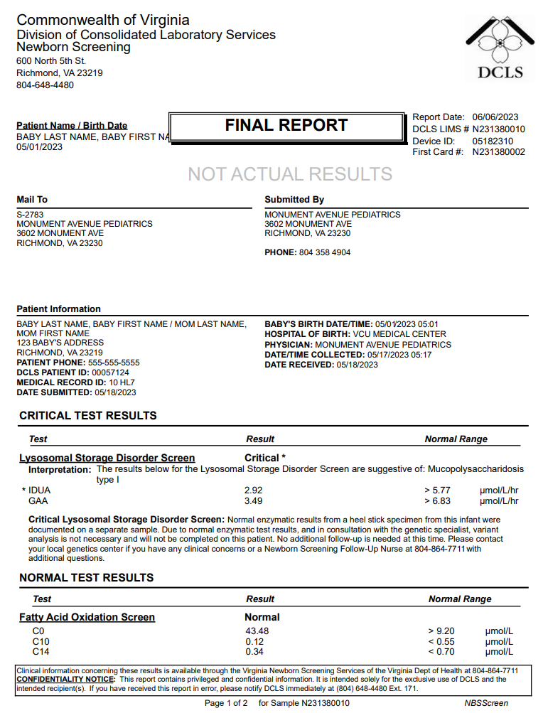
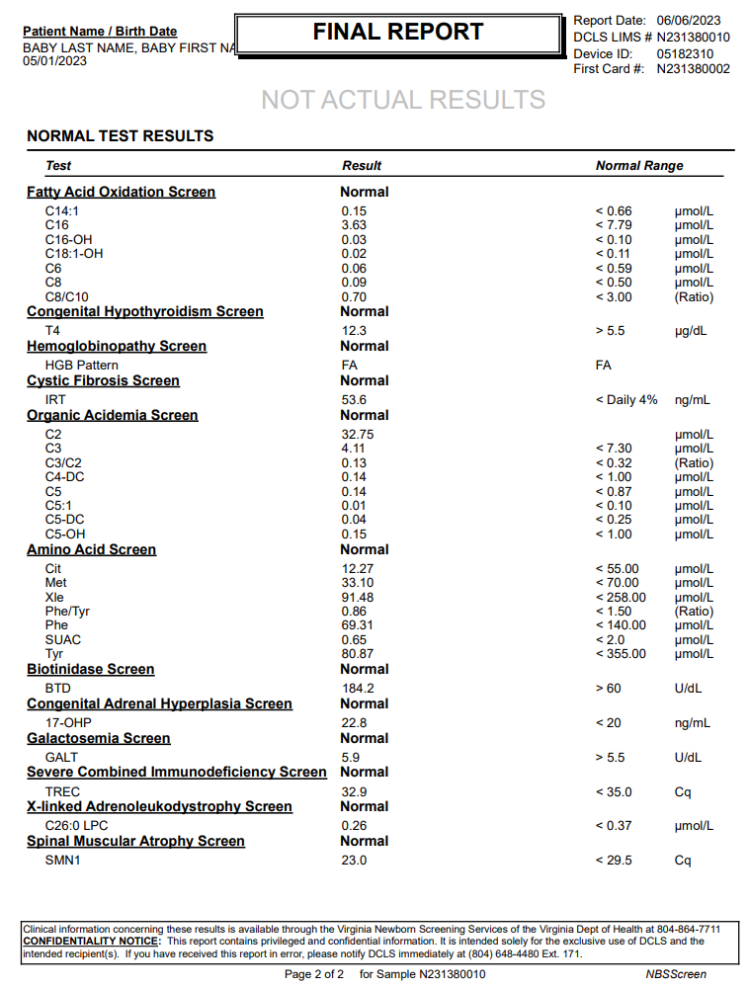
...
LSD Sequencing- specialist opt out, recall
OBX|3|NM|79321-6^Lysophosphatidylcholine (26:0) [Moles/volume] in DBS^LN^^^^^^C26:0 LPC|X-linked Adrenoleukodystrophy Screen^16^3|0.26|umol/L^micromole per liter^UCUM|< 0.37|N|||F|||202305170517-0500|||||202306051532-0500||||VA PHL Richmond|600 North 5th Street^^RICHMOND^VA^23219^USA|||||RSLT
SPM|1|10000000&Receiving Facility&Receiving Facility OID&ISO^N231380010&VA PHL Richmond&2.16.840.1.114222.4.1.9977&ISO||440500007^Blood spot specimen^SCT|||||||||||||202305170517-0500|20230518||||||LA12432-3^Acceptable^LN
ORC|RE|10000000^Receiving Facility^Receiving Facility OID^ISO|N231380010^VA PHL Richmond^2.16.840.1.114222.4.1.9977^ISO||||||||||||||||||MONUMENT AVENUE PEDIATRICS^^^^^VA StarLIMSv10 Prod&2.16.840.1.114222.4.3.3.2.2.4&ISO^XX^^^2783|3602 MONUMENT AVE^^RICHMOND^VA^23230^USA|^^^^^804^3584904
OBR|16|10000000^Receiving Facility^Receiving Facility OID^ISO|N231380010^VA PHL Richmond^2.16.840.1.114222.4.1.9977^ISO|92005-8^Spinal muscular atrophy newborn screening panel^LN|||202305170517-0500|||||||||||||||20230606101955-0500|||F
OBX|1|CWE|92004-1^Spinal muscular atrophy newborn screen interpretation^LN|Spinal Muscular Atrophy Screen^17^1|LA18592-8^In range^LN|||N|||F|||202305170517-0500|||||202306051532-0500||||VA PHL Richmond|600 North 5th Street^^RICHMOND^VA^23219^USA|||||RSLT
OBX|2|CWE|VAL-0085^SMA condition suspected^L|Spinal Muscular Atrophy Screen^17^2|260413007^None^SCT|||N|||F|||202305170517-0500|||||202306051532-0500||||VA PHL Richmond|600 North 5th Street^^RICHMOND^VA^23219^USA|||||RSLT
OBX|3|NM|92002-5^SMN1 gene [Cycle Threshold #] in DBS by NAA with probe detection^LN^^^^^^SMN1|Spinal Muscular Atrophy Screen^17^3|23.0|Cq^Cq^UCUM|< 29.5|N|||F|||202305170517-0500|||||202306051532-0500||||VA PHL Richmond|600 North 5th Street^^RICHMOND^VA^23219^USA|||||RSLT
SPM|1|10000000&Receiving Facility&Receiving Facility OID&ISO^N231380010&VA PHL Richmond&2.16.840.1.114222.4.1.9977&ISO||440500007^Blood spot specimen^SCT|||||||||||||202305170517-0500|20230518||||||LA12432-3^Acceptable^LN

DCLS PDF Report, p.1 | DCLS PDF Report, p.2

Scenario 11
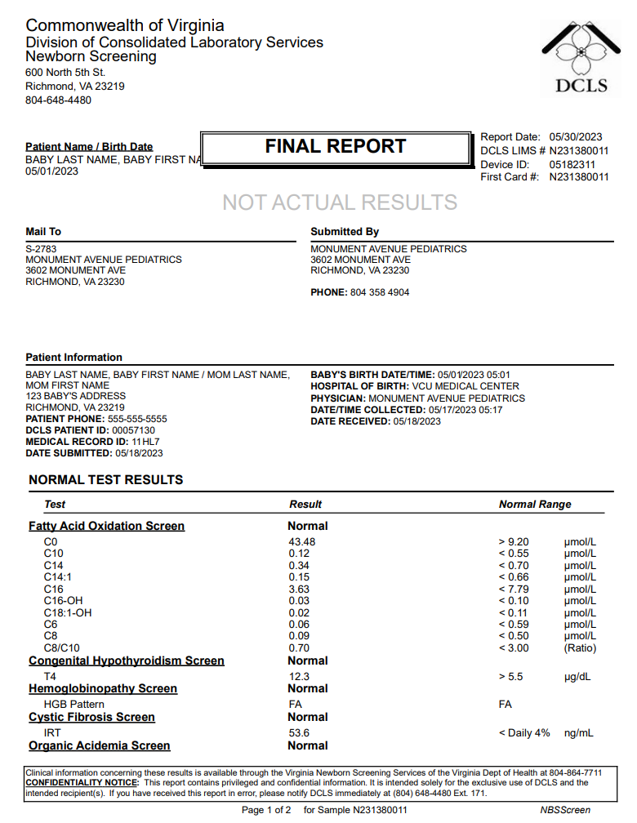
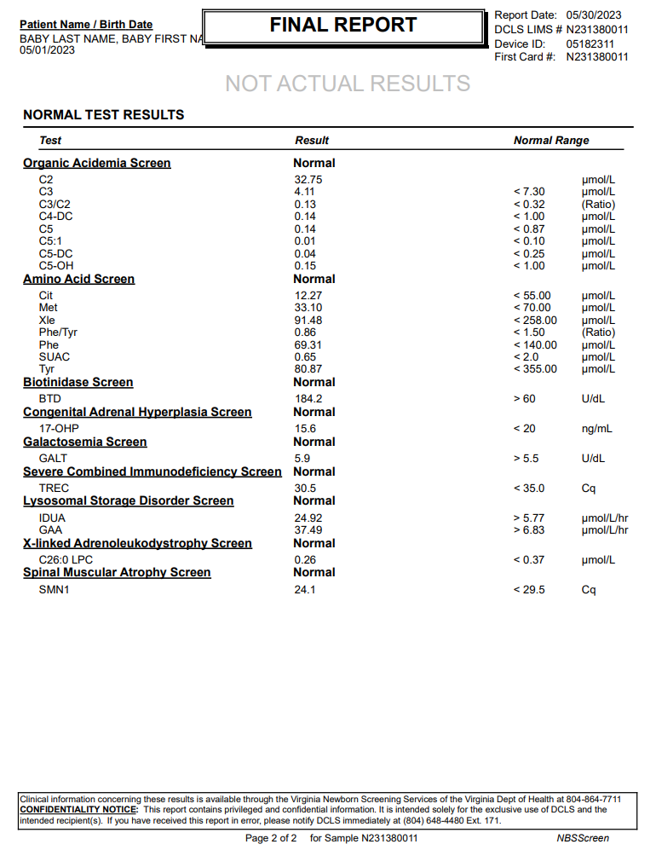
...
No e-order received - Hospital Order # missing from HL7 result
OBX|3|NM|79321-6^Lysophosphatidylcholine (26:0) [Moles/volume] in DBS^LN^^^^^^C26:0 LPC|X-linked Adrenoleukodystrophy Screen^15^3|0.26|umol/L^micromole per liter^UCUM|< 0.37|N|||F|||202305170517-0500|||||202305301350-0500||||VA PHL Richmond|600 North 5th Street^^RICHMOND^VA^23219^USA|||||RSLT
SPM|1|&Receiving Facility&Receiving Facility OID&ISO^N231380011&VA PHL Richmond&2.16.840.1.114222.4.1.9977&ISO||440500007^Blood spot specimen^SCT|||||||||||||202305170517-0500|20230518||||||LA12432-3^Acceptable^LN
ORC|RE|^Receiving Facility^Receiving Facility OID^ISO|N231380011^VA PHL Richmond^2.16.840.1.114222.4.1.9977^ISO||||||||||||||||||MONUMENT AVENUE PEDIATRICS^^^^^VA StarLIMSv10 Prod&2.16.840.1.114222.4.3.3.2.2.4&ISO^XX^^^2783|3602 MONUMENT AVE^^RICHMOND^VA^23230^USA|^^^^^804^3584904
OBR|16|^Receiving Facility^Receiving Facility OID^ISO|N231380011^VA PHL Richmond^2.16.840.1.114222.4.1.9977^ISO|92005-8^Spinal muscular atrophy newborn screening panel^LN|||202305170517-0500|||||||||||||||20230530135108-0500|||F
OBX|1|CWE|92004-1^Spinal muscular atrophy newborn screen interpretation^LN|Spinal Muscular Atrophy Screen^16^1|LA18592-8^In range^LN|||N|||F|||202305170517-0500|||||202305301350-0500||||VA PHL Richmond|600 North 5th Street^^RICHMOND^VA^23219^USA|||||RSLT
OBX|2|CWE|VAL-0085^SMA condition suspected^L|Spinal Muscular Atrophy Screen^16^2|260413007^None^SCT|||N|||F|||202305170517-0500|||||202305301350-0500||||VA PHL Richmond|600 North 5th Street^^RICHMOND^VA^23219^USA|||||RSLT
OBX|3|NM|92002-5^SMN1 gene [Cycle Threshold #] in DBS by NAA with probe detection^LN^^^^^^SMN1|Spinal Muscular Atrophy Screen^16^3|24.1|Cq^Cq^UCUM|< 29.5|N|||F|||202305170517-0500|||||202305301350-0500||||VA PHL Richmond|600 North 5th Street^^RICHMOND^VA^23219^USA|||||RSLT
SPM|1|&Receiving Facility&Receiving Facility OID&ISO^N231380011&VA PHL Richmond&2.16.840.1.114222.4.1.9977&ISO||440500007^Blood spot specimen^SCT|||||||||||||202305170517-0500|20230518||||||LA12432-3^Acceptable^LN

DCLS PDF Report, p.1 | DCLS PDF Report, p.2

Scenario 12
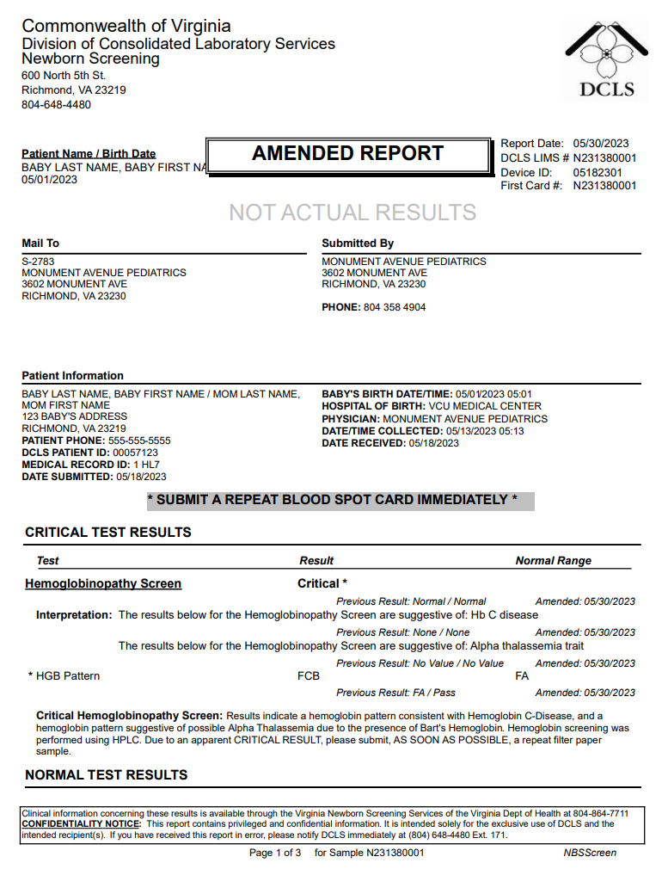
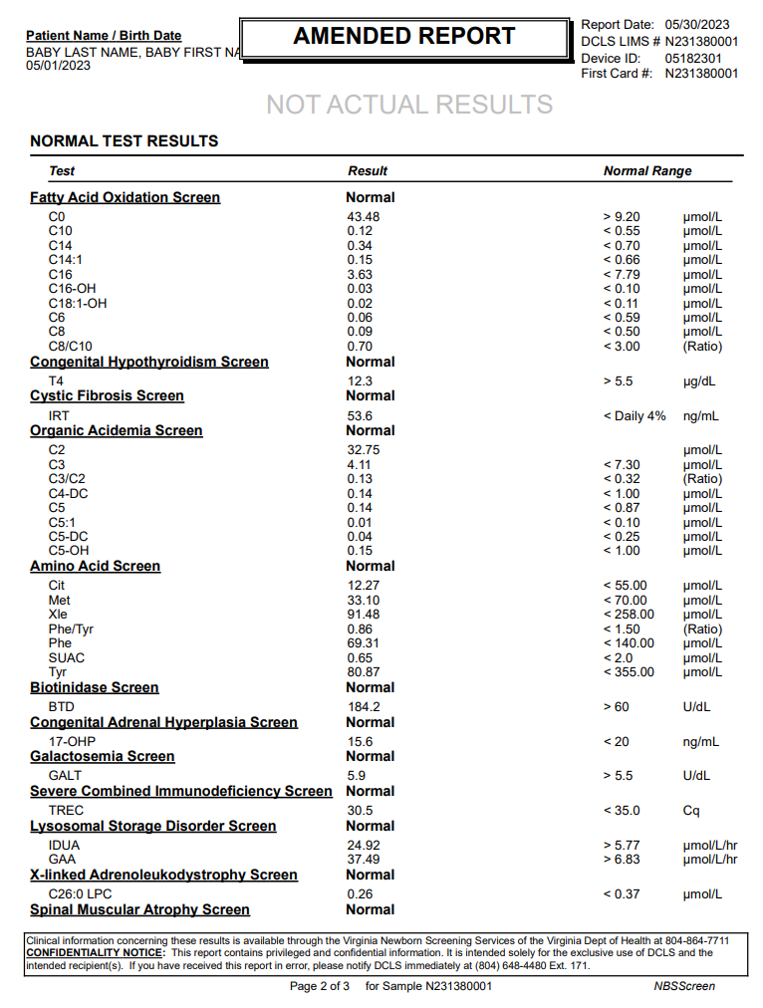
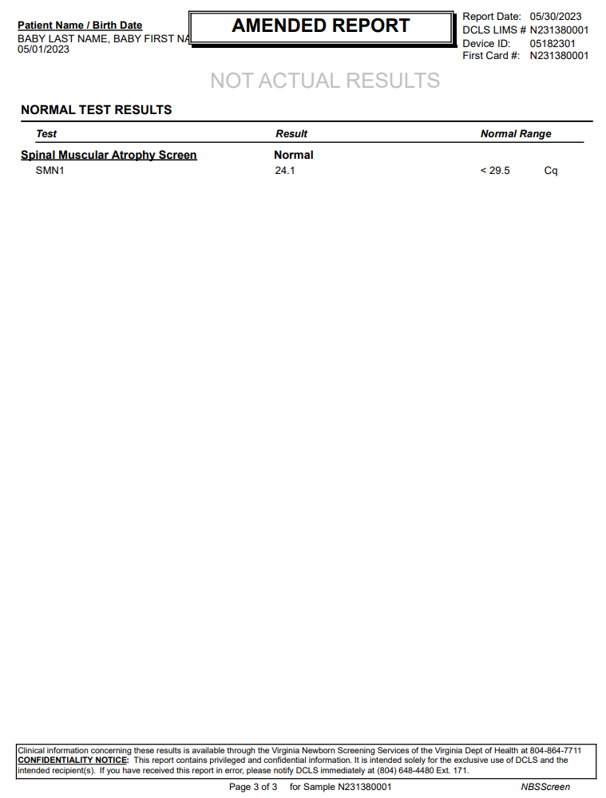
...
Amended report
OBX|3|NM|79321-6^Lysophosphatidylcholine (26:0) [Moles/volume] in DBS^LN^^^^^^C26:0 LPC|X-linked Adrenoleukodystrophy Screen^16^3|0.26|umol/L^micromole per liter^UCUM|< 0.37|N|||F|||202305130513-0500|||||202305181435-0500||||VA PHL Richmond|600 North 5th Street^^RICHMOND^VA^23219^USA|||||RSLT
SPM|1|10000000&Receiving Facility&Receiving Facility OID&ISO^N231380001&VA PHL Richmond&2.16.840.1.114222.4.1.9977&ISO||440500007^Blood spot specimen^SCT|||||||||||||202305130513-0500|20230518||||||LA12432-3^Acceptable^LN
ORC|RE|10000000^Receiving Facility^Receiving Facility OID^ISO|N231380001^VA PHL Richmond^2.16.840.1.114222.4.1.9977^ISO||||||||||||||||||MONUMENT AVENUE PEDIATRICS^^^^^VA StarLIMSv10 Prod&2.16.840.1.114222.4.3.3.2.2.4&ISO^XX^^^2783|3602 MONUMENT AVE^^RICHMOND^VA^23230^USA|^^^^^804^3584904
OBR|16|10000000^Receiving Facility^Receiving Facility OID^ISO|N231380001^VA PHL Richmond^2.16.840.1.114222.4.1.9977^ISO|92005-8^Spinal muscular atrophy newborn screening panel^LN|||202305130513-0500|||||||||||||||20230530152025-0500|||F
OBX|1|CWE|92004-1^Spinal muscular atrophy newborn screen interpretation^LN|Spinal Muscular Atrophy Screen^17^1|LA18592-8^In range^LN|||N|||F|||202305130513-0500|||||202305181435-0500||||VA PHL Richmond|600 North 5th Street^^RICHMOND^VA^23219^USA|||||RSLT
OBX|2|CWE|VAL-0085^SMA condition suspected^L|Spinal Muscular Atrophy Screen^17^2|260413007^None^SCT|||N|||F|||202305130513-0500|||||202305181435-0500||||VA PHL Richmond|600 North 5th Street^^RICHMOND^VA^23219^USA|||||RSLT
OBX|3|NM|92002-5^SMN1 gene [Cycle Threshold #] in DBS by NAA with probe detection^LN^^^^^^SMN1|Spinal Muscular Atrophy Screen^17^3|24.1|Cq^Cq^UCUM|< 29.5|N|||F|||202305130513-0500|||||202305181435-0500||||VA PHL Richmond|600 North 5th Street^^RICHMOND^VA^23219^USA|||||RSLT
SPM|1|10000000&Receiving Facility&Receiving Facility OID&ISO^N231380001&VA PHL Richmond&2.16.840.1.114222.4.1.9977&ISO||440500007^Blood spot specimen^SCT|||||||||||||202305130513-0500|20230518||||||LA12432-3^Acceptable^LN

DCLS PDF Report, p.1 | DCLS PDF Report, p.2 | DCLS PDF Report, p.3

