1. Introduction
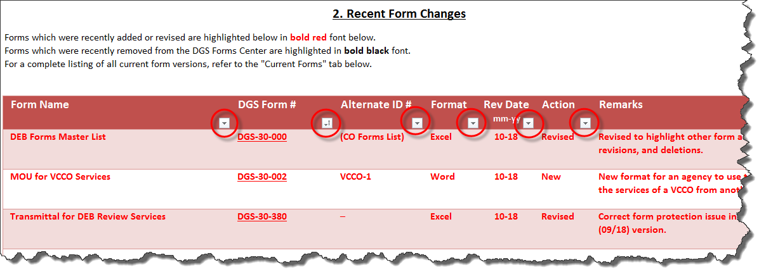
DGS-30-000
(Rev. 07/26)
DEB Forms Master List
1. Introduction
Access the desired form information by clicking on the blue hyperlinks or the associated worksheet tabs.
Tab 2. Recent DEB Form Changes: | Provides a listing of recently added, revised, and removed/deleted forms.

Tab 3. DEB Forms on Forms Center: | Provides a listing of the latest version of all current DEB forms avaialble from the DGS Forms Center.

Tab 4. DEB Forms not on Forms Center: | Provides a listing of forms that are not available for download from the DGS Forms Center.

Tab 5. Forms Center Instructions: | Provides detailed instructions for accessing and using the new DGS Forms Center.

Note: The form listings in this worksheet are sorted by the DGS Form # column by default, however, they may be sorted on
any other column by clicking on the icons highlighted below.

